Rendering Image
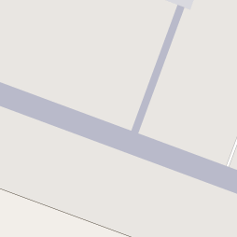









Rendering-image | Key | Value
 | highway | Motorway
 | highway | trunk
 | highway | primary
 | highway | secondary
 | aeroway | runway
 | landuse | commercial
 | landuse | construction
 | landuse | industrial
 | landuse | residential
 | historic | castle
 | aeroway | helipad
 | amenity | parking
 | amenity | hospital

 | amenity | police
 | amenity | fire_station
 | tourism | museum
 | amenity | library
 | amenity | townhall
 | landuse | cemetery
 | landuse | forest
 | landuse | orchard
 | landuse | quarry
 | landuse | military

