Sheet1
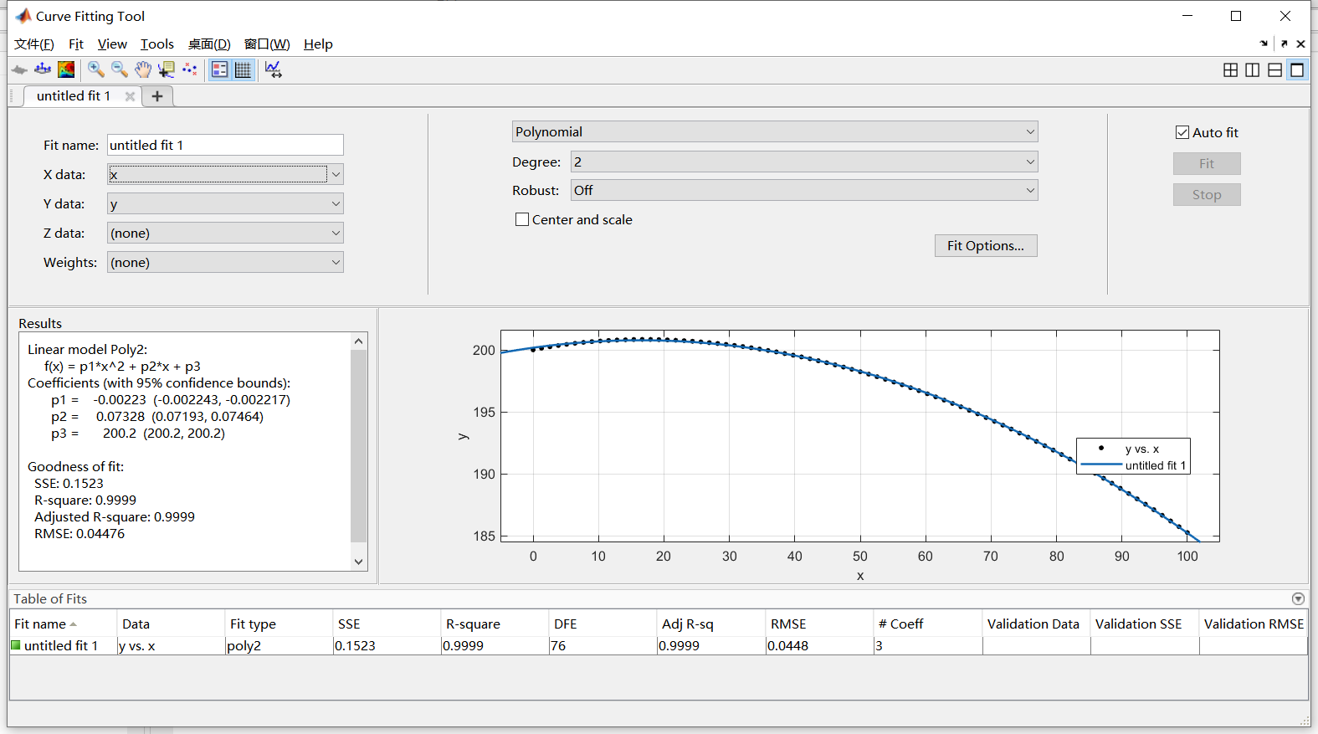
夹持宽度（Stroke) | 整体长度(Gripper height)
100 | 185.228

