Dashboard
FINANCIAL PERFORMANCE DASHBOARD |  |  |  | Select Year: | 2025
Company / Sector Case Study | FY2022 – FY2025 | AI for Financial Modelling (BCS23OE01)

TOTAL REVENUE (FY25) |  | PROFIT AFTER TAX (FY25) | NET PROFIT MARGIN (FY25) |  |  | CURRENT RATIO (FY25) | RETURN ON EQUITY (FY25) | EBITDA MARGIN (FY25)
1,62,900 |  | 30,371.00 | 18.60% |  |  | 1.388 | 79.20% | 29.30%
₹ '000 | vs FY24: +5.2% |  | +6.0% | PAT / Revenue |  |  | Current Assets / Current Liab. | PAT / Total Equity | EBITDA / Revenue

TREND CHARTS
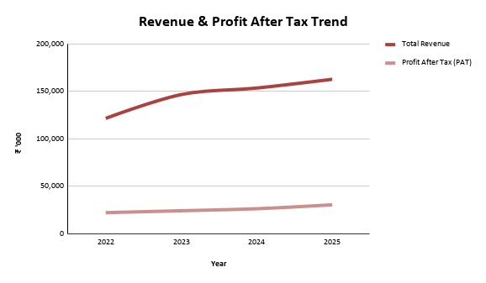
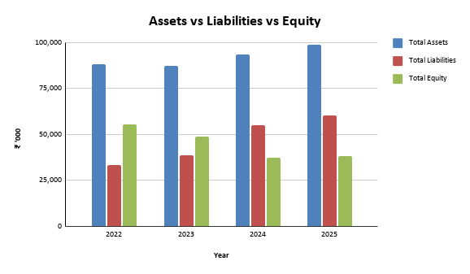

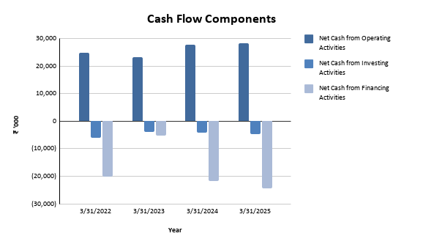
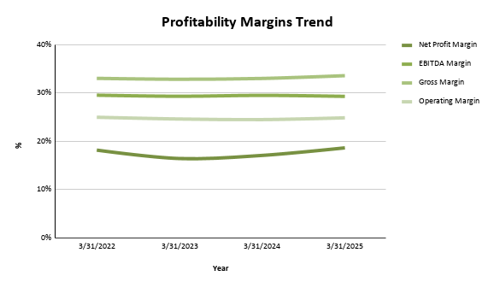

MACHINE LEARNING: REGRESSION INSIGHT

Regression Equation: | Y = 0.77X + (-2126.13)
Model Fit (R²): | 85.9% (closer to 100% = stronger fit)
FY2026 Predicted PAT: | -2,126 ('000) based on assumed FY26 Operating Income of 0

Income Statement
2022, 2023, 2024 and 2025
Particulars | 2,022.00 | 2,023.00 | 2,024.00 | 2,025.00
Total Revenue | 121,641.00 | 146,767.00 | 153,670.00 | 162,900.00
Cost of Revenue (Operating Costs) | 81,420.00 | 98,510.00 | 102,890.00 | 108,128.00 | Year | Revenue | Cost of Revenue | Operating Expenses | PAT
Gross Profit | 40,221.00 | 48,257.00 | 50,780.00 | 54,772.00 | 2022 | 121641 | 81420 | 9820 | 22110
Operating Expenses (SG&A Overhead) | 9,820.00 | 12,110.00 | 13,120.00 | 14,250.00 | 2023 | 146767 | 98510 | 12110 | 24110
Operating Income (EBIT) | 30,401.00 | 36,147.00 | 37,660.00 | 40,522.00 | 2024 | 153670 | 102890 | 13120 | 26240
Other Income | 2,095.00 | 2,701.00 | 3,120.00 | 3,337.00 | 2025 | 162900 | 108128 | 14250 | 30371
Interest Expense / Finance Costs | 200.00 | 284.00 | 340.00 | 360.00
Profit Before Tax (PBT) | 32,296.00 | 38,564.00 | 40,440.00 | 43,499.00
Tax Expense | 10,186.00 | 14,454.00 | 14,200.00 | 13,128.00
Profit After Tax (PAT) | 22,110.00 | 24,110.00 | 26,240.00 | 30,371.00

Income Statement Formulas Used: 1. Gross Profit = Revenue - Cost of Revenue 2. Operating Income = Gross Profit - Operating Expenses 3. Profit Before Tax = Operating Income + Other Income - Interest Expense 4. Profit After Tax = Profit Before Tax - Tax Expense

Pivot Table
SUM of SUM of Total Revenue, SUM of SUM of Operating Costs, SUM of Calculated Gross Profit ('Total Revenue' - 'Cost of Revenue') and SUM of SUM of PAT
Year | SUM of SUM of Total Revenue | SUM of SUM of Operating Costs | SUM of Calculated Gross Profit ('Total Revenue' - 'Cost of Revenue') | SUM of SUM of PAT
2022 | 121641 | 81420 | 40221 | 22110
2023 | 146767 | 98510 | 48257 | 24110
2024 | 153670 | 102890 | 50780 | 26240
2025 | 162900 | 108128 | 54772 | 30371
Grand Total | 584978 | 390948 | 194030 | 102831

Chart1
