1. Title Page
Grocery Analysis

Project Name: Grocery Analysis
Date: 8/29/2021
Analyst Name: Alex Golde

Contents:
Population Flow
Consistency checks
Wrangling steps
Column derivations
Visualizations
Recommendations

2. Population Flow
Title page

Population flow

Exclusion flag
Condition: max_order < 10
Obervations to be removed: 29630
Final total count of order_products_all: 32,404,859

Orders_products_combined
Orders_products_merged
Orders_products_all

Total:
Total:30356421
Total: 30,328,763

1.) The grey boxes in the first row of the population flow represent the original data sets as they were when you downloaded them. In the Total fields you need to add the count of the rows when you imported the data set into Jupyter.
2.) The second row of boxes (coloured) represents the data sets after you manipulated them, e.g., removed missing values and duplicates. In the Total fields you need to add the count of the rows after conducting these operations. This offers a visual oveview of how the data flows throughout the data consistency checks.
3.) The third row, where also the arrows are coloured, represents the merges you performed between the datasets. In the Total fields you need to add the count of the rows in the merged datasets, so that you end up with the final dataset (in the red box). Keep in mind the final dataset should be without exclusions (based on the exclusion flag).

3. Consistency checks
 |  |  |  | Title page
Consistency checks

Dataset | Missing values | Missing values treatment | Duplicates
orders | 206209 | these are consecutive order | none
products | 16 | delete from data frame
orders_products_prior
customers | names | delete from data frame for privacy | none

4. Wrangling steps
 |  |  |  | Title page
Wrangling steps

Columns dropped | Columns renamed | Columns' type changed | Comment/Reason
1. eval_set from df_ords | 2. order_dow to order_day_of_Week | 3. order_id to string | 1. column not needed for analysis
4. unnamed:0 from df_ords_prods | 5. Surnam to last_name | 6. user_id to string | 2. dow not always known acroynm
7. first_name & last_name from customer | 8. STATE to state |  | 3. it acts as name
 | 9.n_dependants to dependents |  | 4. not necessary for analysis
 | 10. Gender to gender |  | 5. last name is easier to understand
 | 11. Age to age |  | 6. reads as object
 |  |  | 7. privacy laws
 |  |  | 8. format same as all columns
 |  |  | 9. format same as all columns
 |  |  | 10. format same as all columns
 |  |  | 11. format same as all columns

5. Column derivations
 |  |  |  | Title page

Column derivations and aggregations

In this tab you should add tables below that the frequences of flags/label variables that you produced after deriving them. NB: don't do this for continuous variables, only for flags.
Dataset | New column | Column/s it was derived from | Conditions
ords_prods_merged | price_range_loc | prices | Price greater than or equal to $5 is a Low-range product, between $5-15 is a Mid-range product and above $15 is a High-range product.
ords_prods_merged | busiest_day | order_day_of_week | Saturday & Sunday labeled 'busiest day'. Tuesday & Wednesday labeled 'slowest day'. Rest of week labeled 'regular day'.
ords_prods_merged | busiest_period_of_day | order_hour_of_day | 9:00 PM -2:00AM are labeled 'Fewest orders'. 7:00-8:00AM & 6-8:00PM labeled 'Average orders'. 9:00AM-5:00PM labeled 'Most orders'.
ords_prods_merged | max_order | user_id/ order_number | highlights the total amount of orders from each customer.
ords_prods_merged | loyalty_flag | max_order | More than 40 orders labeled Loyal customer. Between 40 and 10 orders labeled Regular customer. Less than 10 orders labeled New customer.
ords_prods_merged | spending | user_id/ prices | If mean price of product purchased by customer is less than $10, labeled as 'Low spender'. Mean price of product greater than or equal to $10 customer labeled as 'High spender'.
ords_prods_merged | frequency_flag | user_id/ days_since_prior_order | If median days since prior order is less than or equal to 10 the customer is labeled 'Frequent customer'. Between 10 and 20 customer labeled 'Regular customer'. Greater than 20 customer labeled 'Non-frequent customer'.
ords_prods_merged | regions | State | Create four geographical regions to separate customer activity.
ords_prods_merged | exclusion_flag | max_order | Exclude customers with less than five orders from study.
ords_prods_merged | income_level | income | Customer with income of less than or equal to $50,000 labeled as 'low_income. Income between $50,000 & $100,000 labeled 'mid_income'. Greater than $100,000 labeled 'high_income'.

6. Visualizations
 | Title page

Visualisations

In this tab you should include all the visualtions from Exercises 4.9 and 4.10, alongside the questions from the project brief that they answer. Include any commentary on the relationship between different variables.

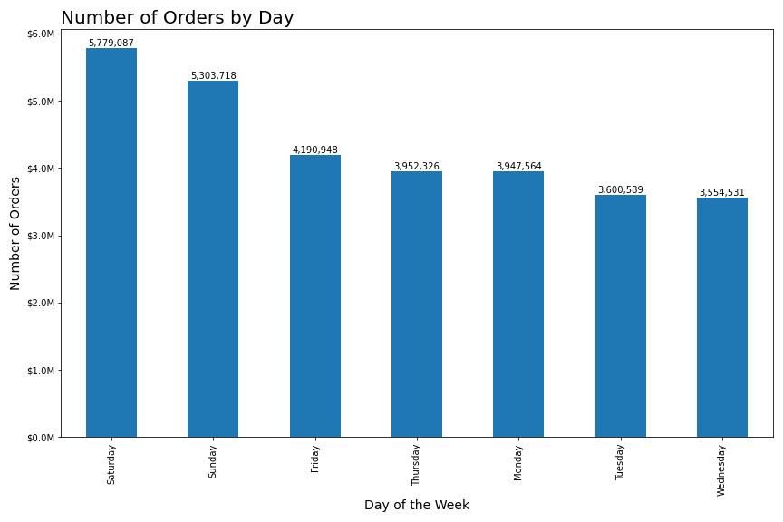

This graph illustrates the busiest days of the week based on the amount of orders received by InstaCart.
Saturday and Sunday see the most customer activity.

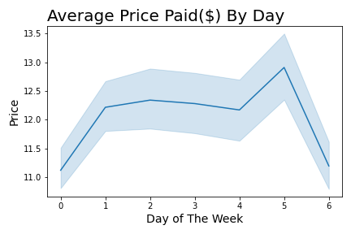

 |  | This line graph uses a sample of the data to illustrate the amount of money spent on each day.
 |  | Thursday, day 5, is the highest spending day at InstaCart. While spending tapers off on the weekends.

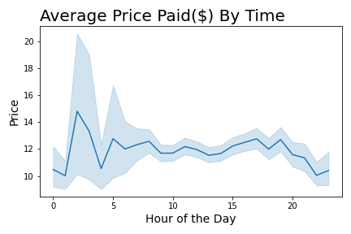

 | This graph shows how much money is spent at certain times of the day.
 | Prices peak sharply at 3:00 AM and peak again at 5:00 AM, which mean people pay for more expensive things at these times.

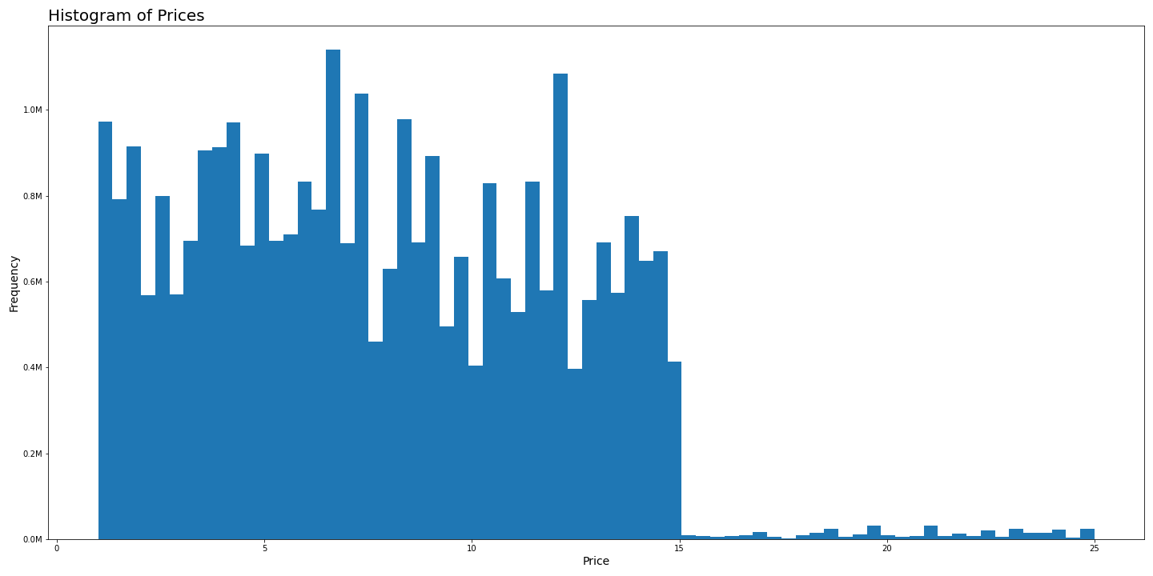

 | This histogram illustrates the frequency of product prices in Instacart's inventory.
 | Product pricing is most common around 7 dollar category, then decreases in
 | The next five dollar rangeand looks to step down again in the next five dollar range, with a sharp increase around 12$
 | There is a major decrease in product price above $15.

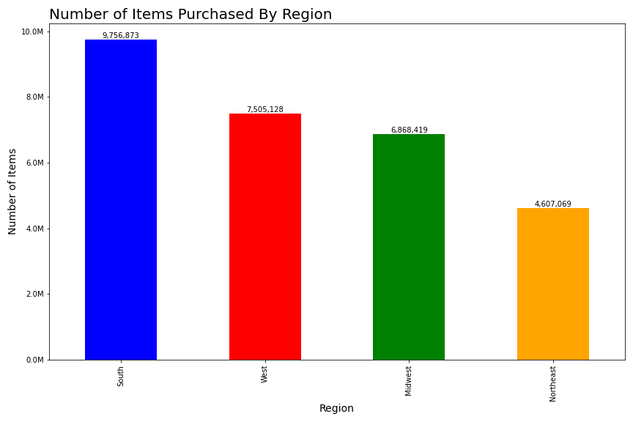

 |  | This bar graph depicts the amount spent at Instacart by region.
 |  | As you can see it matches with the overall population of each region.

7. Recommendations
 |  | Title page

Recommendations

In this tab you should include any recommendations you would made to Instcart in terms of their marketing strategy based on the questions posed in the brief. Every key question has been covered in the Tasks of the Exercises - here you need to add an item - a visualisation or table/crosstable that is showing the answer in the data, acompanied by a comment from you. Please, list the questions below and add the answer underneath.

Key Question 1: What the busiest days of the week and hours of the day ?
Key Question 2: What times of the day do people spend the most money?

 | This graph illustrates the busiest days of the week based on the amount of orders received by InstaCart.
 | Saturday and Sunday see the most customer activity.

 | This graph shows how much money is spent at certain times of the day.
 | Prices peak sharply at 3:00 AM and peak again at 5:00 AM, which means people pay for more expensive things during these times.
 | Is this accurate? Are people truly spending more money at this time or is there an error?

Key Question 3: Marketing and sales want to use simpler price range groupings to help direct their efforts.
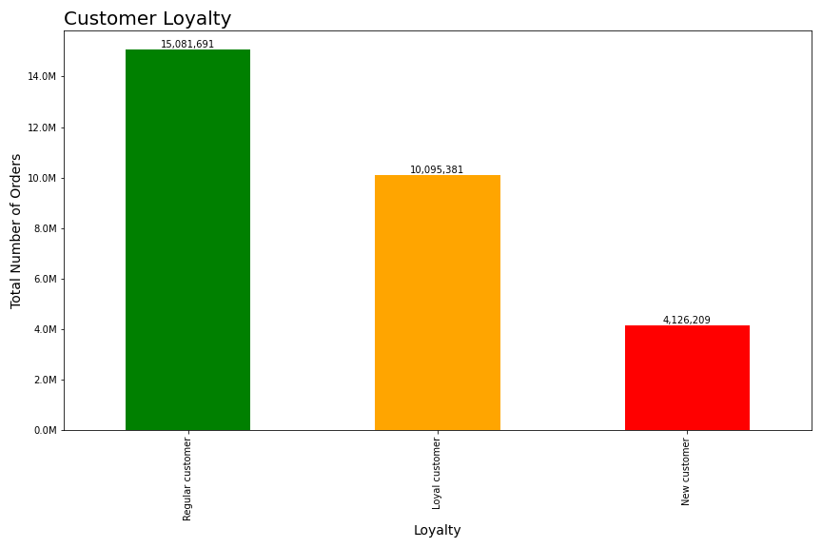

 | Regular customers make the most orders, followed by loyal customers and then new customers.
 | This graph shows the total number of all orders by customer loyalty

Key Question 4: Are there certain types of products that are more popular than others?
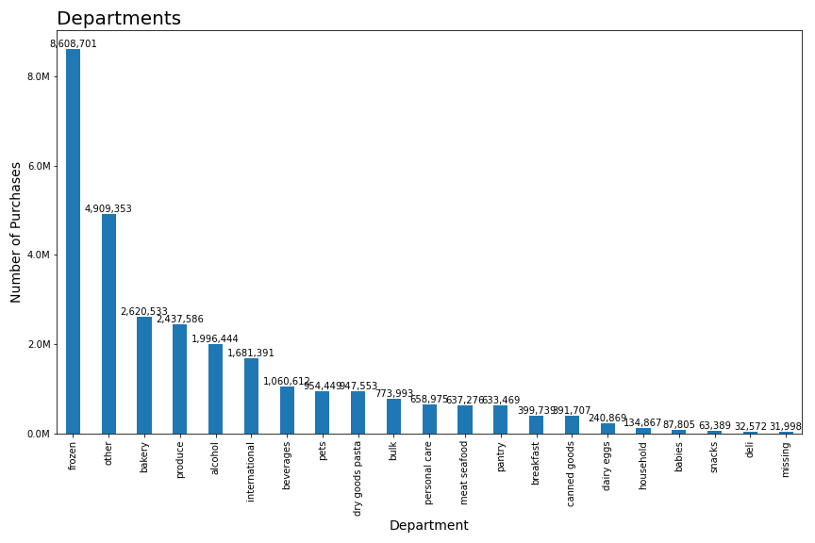

 | The most popular department is the produce department followed by dairy and eggs while bulk is the least popular.

Key Question 5: Are there differences in ordering habits based on a customer’s loyalty status?

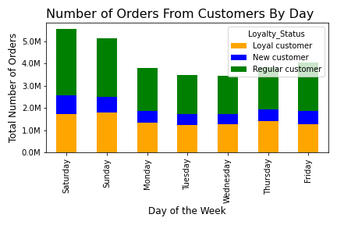

 | This graph shows the daily ordering habits broken down by customer loyalty status.
 | Regular and Loyal Customers make up most of the orders.
 | Saturday is the top day for all type of customers, followed by Sunday.

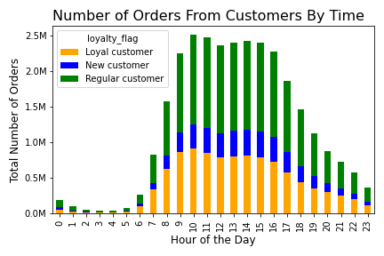

 | This graph shows the hourly ordering habits of customers based on loyalty status.
 | Orders per an hour remain mostly consistent for the resepective loyalty status.
 | Regular customers are placing an increased amount of orders during late night
 | and early morning hours.

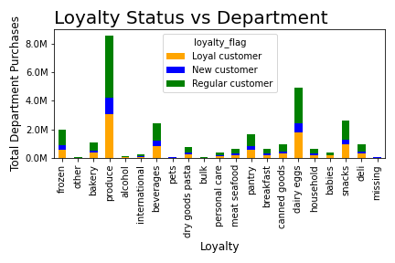

 | This is a chart of the 21 different departments that Instacart has, department names to the side,
 | and the amount each loyalty group purchases of select department.
 | Regular customers are responsible for 48% to 59% of the purchases from each department;
 | mostly in the mid 50% range. Loyal customers take approximately 30% of product from each department.
 | Loyal customers bought 43% of bulk items and 42% baby items. Regular customers bought 59% of
 | the pet supplies. New customers purchased 14% of the alcohol.

Key Question 6: Are there differences in ordering habits based on a customer’s region?

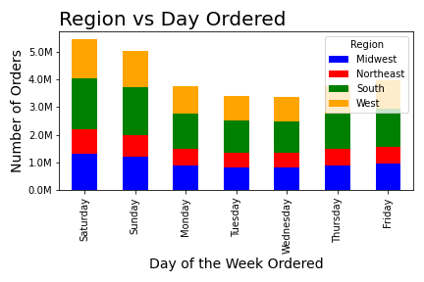

 | Weekly shopping habits by region shows a fairly consistent trend. The Southern and
 | Midwestern customers shop the most on Saturday. This might be due to religious
 | values so they can spend time with their family on Sunday.

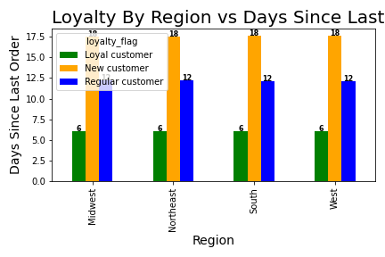

 | This graph combines loyalty status with regionality. The breakdown is even throughout.

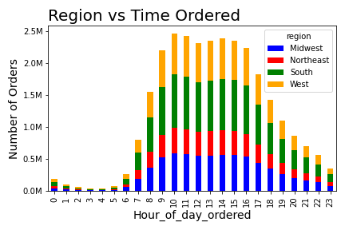

 | Orders throughout the day remain consistent per region.

Key Question 7: Is there a connection between age and family status in terms of ordering habits?

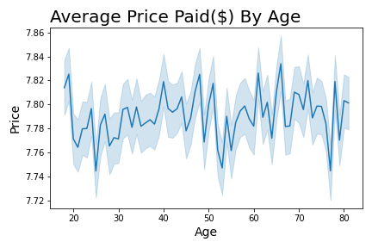

 | This graph illustrates how age affects spending habits at Instacart. There is an interesting drop in money
 | spent at the age of 20. Spending ebbs and flows in an upward trend on the way up to 45, then begins to
 | drop then bottom out at 55 years old, a quick and sharp rise for the next couple years then bottom out
 | again at 60. Overall spending is highest at the age of 65.

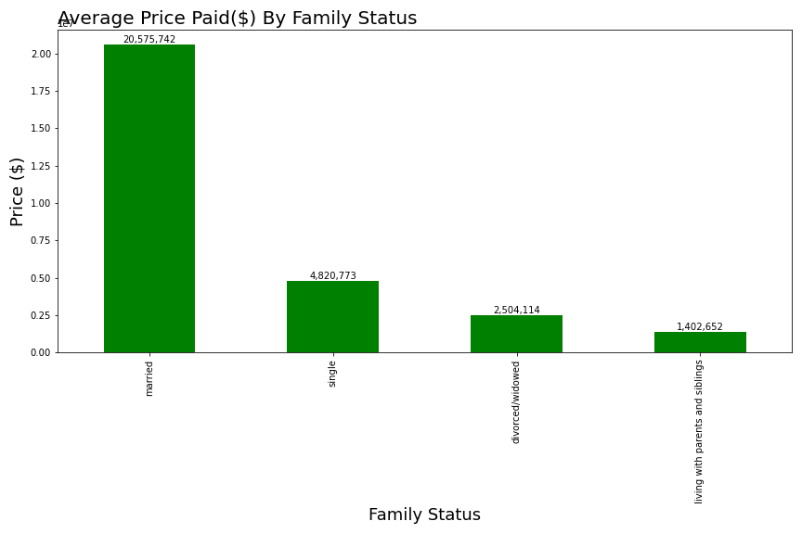

 | This bar graph shows that most of the money spent at Instacart is from married patrons. This
 | is due to the fact that there are 21 million married members, which is more than four times the
 | next highest family status, single.

Key Question 8. What different classifications does the demographic information suggest? Age? Income? Certain types of goods? Family status?
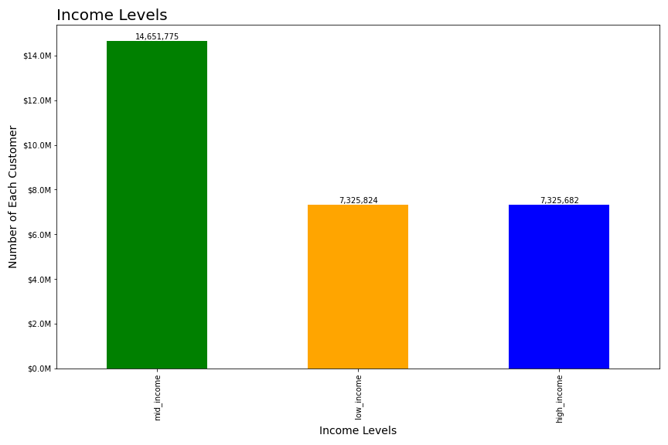

 | Based on income levels of over $128,115 between $67,351 - $128,115, and under $67,351
 | the Instacart population is broken into three distinct groups. Most of the advertising should
 | be geared towards people making above $67,351 in order to maximize profit.

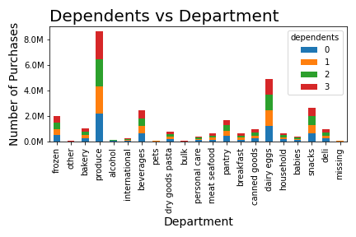

 | Distribution of goods is mostly equal among all family sizes except for a few categories.
 | Those with three dependants buys the most baby care goods.
 | Two dependant customers buy the most alcohol. The most pet supplies are purchased
 | by families with one dependant. Although these are small categories, they should be capitalized on to
 | garner customer satisfaction from these groups.

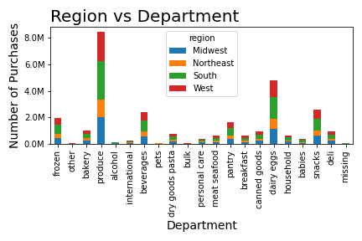

 | This graph shows the difference between regions and departments.

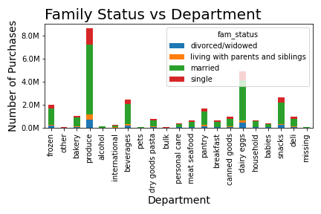

 | Married couples spend the most across all departments.

