Cover


Tesla
Company analysis

Drivers
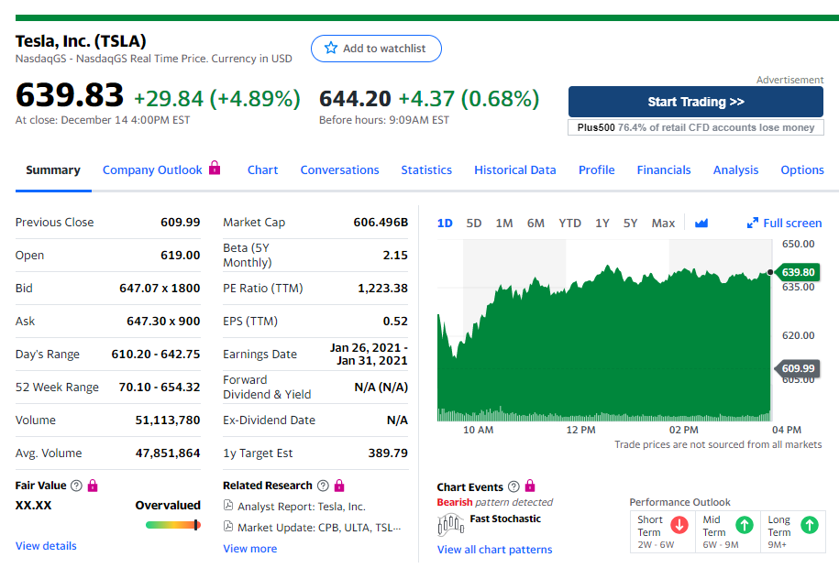
Drivers

Selected case | 2
Company | Tesla
Currency | USD
Domestic country | United States
10-year treasury yield (Sep 18 2020) | 0.70%
Market risk premium US | 5%
Company beta (Dec 15 2020) | 2.15
Tesla share price (Dec 15 2020) | 639.83
Bond Yield (Sep 18 2020) | 4.32%
Corporate tax rate | 21%
Expected inflation | 2%

Deliveries development
Tesla vehicle deliveries 2015-2029 (actuals and forecasts)
 | Tesla Model 3 | Tesla Model S and X | Tesla Model Y | Tesla Roadster 2 | Tesla Pickup | Tesla Semi
2015 Act | - | 50580 | - | - | - | -
2016 Act | - | 76230 | - | - | - | -
2017 Act | 1764 | 101312 | - | - | - | -
2018 Act | 146055 | 98865 | - | - | - | -
2019 Act | 300815 | 66385 | - | - | - | -
2020 Fcst | 481304 | 69040 | 1764 | - | - | -
2021 Fcst | 529434 | 71802 | 146055 | - | 250 | 250
2022 Fcst | 582378 | 74674 | 300815 | 500 | 20699 | 20699
2023 Fcst | 628968 | 77661 | 481304 | 1000 | 42633 | 42633
2024 Fcst | 679286 | 80768 | 529434 | 1500 | 68212 | 68212
2025 Fcst | 706457 | 83998 | 582378 | 1650 | 75033 | 75033
2026 Fcst | 734715 | 87358 | 628968 | 1815 | 82537 | 82537
2027 Fcst | 764104 | 90852 | 679286 | 1960 | 89139 | 89139
2028 Fcst | 794668 | 94487 | 706457 | 2117 | 96271 | 96271
2029 Fcst | 826455 | 98266 | 734715 | 2202 | 100121 | 100121

Revenue & GP autom
Revenue and Gross Profit automotive

Vehicle | 2016 Act | 2017 Act | 2018 Act | 2019 Act | 2020 Fcst | 2021 Fcst | 2022 Fcst | 2023 Fcst | 2024 Fcst | 2025 Fcst | 2026 Fcst | 2027 Fcst | 2028 Fcst | 2029 Fcst
Revenue automotive | 3,741 | 6,351 | 9,641 | 18,515 | 33,219 | 44,968 | 62,454 | 81,523 | 93,584 | 100,241 | 106,744 | 113,336 | 118,719 | 123,468
Gross Profit automotive | 918 | 1,601 | 2,209 | 4,341 | 7,415 | 9,449 | 12,591 | 15,971 | 18,298 | 19,524 | 20,738 | 21,962 | 23,007 | 23,927
GP% | 25% | 25% | 23% | 23% | 22% | 21% | 20% | 20% | 20% | 19% | 19% | 19% | 19% | 19%

Revenue and Gross Profit automotive

WC development
Working Capital development (2018-2028)
 | Trade receivables | Inventory | Trade payables
31Dec2020 Fcst | 1920 | 8353 | 7667
31Dec2021 Fcst | 2546 | 11184 | 10265
31Dec2022 Fcst | 3458 | 15257 | 14003
31Dec2023 Fcst | 4447 | 19680 | 18063
31Dec2024 Fcst | 5080 | 22463 | 20617
31Dec2025 Fcst | 5438 | 24063 | 22086
31Dec2026 Fcst | 5789 | 25631 | 23525
31Dec2027 Fcst | 6146 | 27226 | 24989
31Dec2028 Fcst | 6442 | 28543 | 26198
31Dec2029 Fcst | 6708 | 29727 | 27284

