ParentCategory
country | US
Parent Category Outcomes
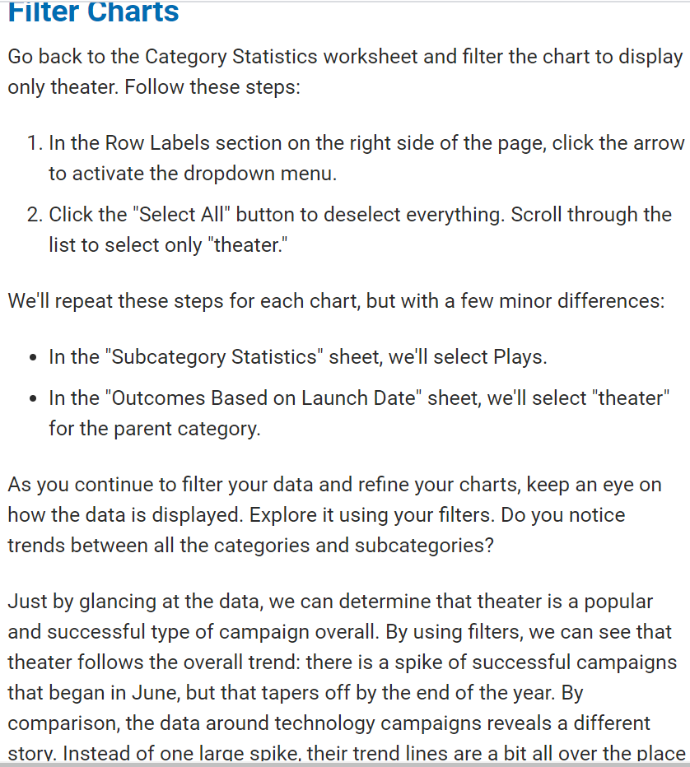
Count of outcomes | Column Labels
Row Labels | canceled | failed | live | successful | Grand Total
theater | 26 | 349 | 12 | 525 | 912
Grand Total | 26 | 349 | 12 | 525 | 912

SubCategoryStatistics
country | GB
Parent Category | (All)

Count of outcomes | Column Labels
Row Labels | failed | live | successful | Grand Total
plays | 70 | 6 | 238 | 314
Grand Total | 70 | 6 | 238 | 314

Outcomes Based on Launch Date
Parent Category | theater
Years | (All)
 | canceled | failed | live | successful
Jan | 7 | 33 | 2 | 56
Feb | 3 | 39 | 8 | 71
Mar | 3 | 33 | 14 | 56
Apr | 2 | 40 |  | 71
May | 3 | 52 |  | 111
Jun | 4 | 49 |  | 100
Jul | 1 | 50 |  | 87
Aug | 4 | 47 |  | 72
Sep | 4 | 34 |  | 59
Oct |  | 50 |  | 65
Nov | 3 | 31 |  | 54
Dec | 3 | 35 |  | 37
Count of outcomes | Column Labels
Row Labels | canceled | failed | live | successful | Grand Total
Jan | 7 | 33 | 2 | 56 | 98
Feb | 3 | 39 | 8 | 71 | 121
Mar | 3 | 33 | 14 | 56 | 106
Apr | 2 | 40 |  | 71 | 113
May | 3 | 52 |  | 111 | 166
Jun | 4 | 49 |  | 100 | 153
Jul | 1 | 50 |  | 87 | 138
Aug | 4 | 47 |  | 72 | 123
Sep | 4 | 34 |  | 59 | 97
Oct |  | 50 |  | 65 | 115
Nov | 3 | 31 |  | 54 | 88
Dec | 3 | 35 |  | 37 | 75
Grand Total | 37 | 493 | 24 | 839 | 1393

Descriptive Statistics
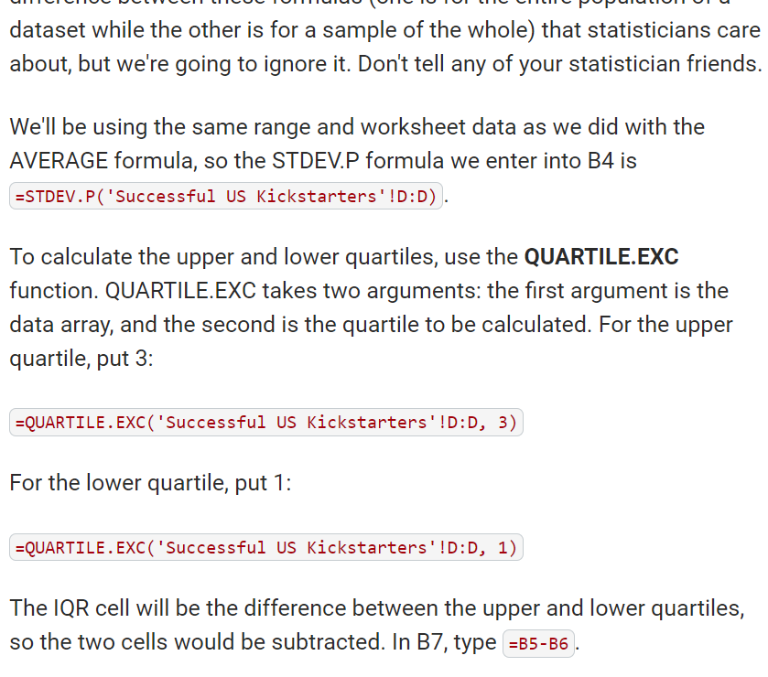
 | Successful | Failed
Mean Goal | $5,049 | $10,554
Median Goal | $3,000 | $5,000
Standard Deviation of Goal | $7,749 | $21,968
Upper Quartile of Goal | $5,000 | $10,000
Lower Quartile of Goal | $1,500 | $2,000
IQR of Goal | $3,500 | $8,000

Mean Pledged | $5,602 | $559
Median Pledged | $3,168 | $103
Standard Deviation of Pledged | $8,335 | $1,331
Upper Quartile of Pledged | $5,699 | $501
Lower Quartile of Pledged | $1,717 | $9
IQR of Pledged | $3,982 | $492

