Sheet1
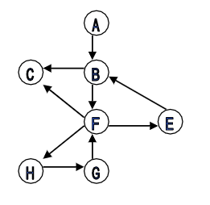
 | 0 | 1 | 2 | 3 | 4 | 5 | 6 |  | First Node doesn’t go into stack, goes into visited
0 | 0 | 1 | 0 | 0 | 0 | 0 | 0
1 | 0 | 0 | 1 | 0 | 1 | 0 | 0 | Ex. B→H
2 | 0 | 0 | 0 | 0 | 0 | 0 | 0 |  |  | Edge Stack |  | Visited
3 | 0 | 1 | 0 | 0 | 0 | 0 | 0 |  |  | C |  | B | From B comes C and F
4 | 0 | 0 | 1 | 1 | 0 | 0 | 1 |  |  | C |  | F | From F comes C, E, an H
5 | 0 | 0 | 0 | 0 | 1 | 0 | 0 |  |  | E
6 | 0 | 0 | 0 | 0 | 0 | 1 | 0 |  |  | H | Found!

 | A | B | C | E | F | G | H | G → A |  |  |  | G
 | 0 | 1 | 2 | 3 | 4 | 5 | 6 |  |  |  |  | F
 | Note: Flip 1 to -1 if visited |  |  |  |  |  |  |  |  |  |  | H
 |  |  |  |  |  |  |  |  |  |  |  | G
 |  |  |  |  |  |  |  |  |  |  |  | E
 |  |  |  |  |  |  |  |  |  |  |  | B
 |  |  |  |  |  |  |  |  |  | ends up empty, no path

