Awal
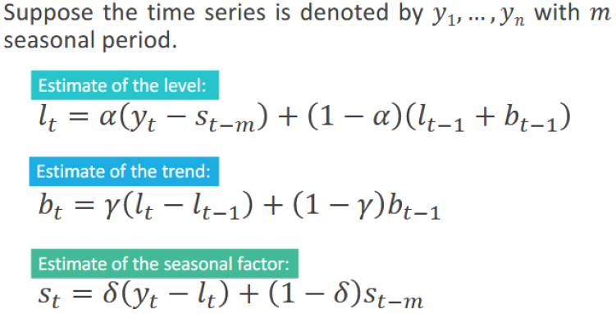
Inisialisasi awal | alpha | gamma | delta | intercept | slope | SSE | MAPE | MAD | MSD
 | 0.2 | 0.2 | 0.1 | 53.85 | 0.701 | 57.579 | 2.378 | 1.423 | 2.879

t | Yt | Yt duga | res | lt | bt | st | ft | et | et^2 | abs et | abs RE
-3 |  |  |  |  |  | -8.260
-2 |  |  |  |  |  | 1.788
-1 |  |  |  |  |  | -1.413
0 |  |  |  | 53.85 | 0.701 | 7.885
1 | 48 | 54.551 | -6.551 | 54.893 | 0.770 | -8.124 | 46.291 | 1.709 | 2.920 | 1.709 | 3.560
2 | 58 | 55.253 | 2.747 | 55.773 | 0.792 | 1.832 | 57.451 | 0.549 | 0.301 | 0.549 | 0.946
3 | 57 | 55.954 | 1.046 | 56.934 | 0.866 | -1.265 | 55.151 | 1.849 | 3.418 | 1.849 | 3.243
4 | 65 | 56.656 | 8.344 | 57.663 | 0.838 | 7.830 | 65.685 | -0.685 | 0.470 | 0.685 | 1.054
5 | 50 | 57.357 | -7.357 | 58.426 | 0.823 | -8.154 | 50.378 | -0.378 | 0.143 | 0.378 | 0.755
6 | 61 | 58.059 | 2.941 | 59.233 | 0.820 | 1.826 | 61.081 | -0.081 | 0.007 | 0.081 | 0.133
7 | 59 | 58.760 | 0.240 | 60.095 | 0.828 | -1.248 | 58.787 | 0.213 | 0.045 | 0.213 | 0.360
8 | 68 | 59.462 | 8.538 | 60.773 | 0.798 | 7.770 | 68.754 | -0.754 | 0.569 | 0.754 | 1.109
9 | 52 | 60.163 | -8.163 | 61.288 | 0.742 | -8.267 | 53.417 | -1.417 | 2.009 | 1.417 | 2.726
10 | 62 | 60.865 | 1.135 | 61.658 | 0.667 | 1.677 | 63.855 | -1.855 | 3.441 | 1.855 | 2.992
11 | 59 | 61.566 | -2.566 | 61.910 | 0.584 | -1.415 | 61.077 | -2.077 | 4.315 | 2.077 | 3.521
12 | 69 | 62.268 | 6.732 | 62.242 | 0.534 | 7.669 | 70.265 | -1.265 | 1.599 | 1.265 | 1.833
13 | 52 | 62.969 | -10.969 | 62.274 | 0.433 | -8.468 | 54.508 | -2.508 | 6.291 | 2.508 | 4.823
14 | 64 | 63.671 | 0.329 | 62.630 | 0.418 | 1.647 | 64.384 | -0.384 | 0.148 | 0.384 | 0.601
15 | 60 | 64.372 | -4.372 | 62.722 | 0.353 | -1.545 | 61.634 | -1.634 | 2.669 | 1.634 | 2.723
16 | 73 | 65.074 | 7.926 | 63.526 | 0.443 | 7.850 | 70.743 | 2.257 | 5.093 | 2.257 | 3.092
17 | 53 | 65.775 | -12.775 | 63.468 | 0.343 | -8.668 | 55.501 | -2.501 | 6.253 | 2.501 | 4.718
18 | 65 | 66.476 | -1.476 | 63.720 | 0.325 | 1.610 | 65.458 | -0.458 | 0.210 | 0.458 | 0.704
19 | 60 | 67.178 | -7.178 | 63.545 | 0.225 | -1.745 | 62.499 | -2.499 | 6.246 | 2.499 | 4.165
20 | 75 | 67.879 | 7.121 | 64.445 | 0.360 | 8.120 | 71.619 | 3.381 | 11.433 | 3.381 | 4.508

Optimum
Inisialisasi awal | alpha | gamma | delta | intercept | slope | SSE | MAPE | MAD | MSD
 | 0.24653883521 | 0.21868251151 | 1 | 53.85 | 0.701 | 36.849 | 2.031 | 1.199 | 1.842

t | Yt | Yt duga | res | lt | bt | st | ft | et | et^2 | abs et | abs RE
-3 |  |  |  |  |  | -8.260
-2 |  |  |  |  |  | 1.788
-1 |  |  |  |  |  | -1.413
0 |  |  |  | 53.85 | 0.701 | 7.885
1 | 48 | 54.551 | -6.551 | 54.973 | 0.794 | -6.973 | 46.291 | 1.709 | 2.920 | 1.709 | 3.560
2 | 58 | 55.253 | 2.747 | 55.876 | 0.818 | 2.124 | 57.555 | 0.445 | 0.198 | 0.445 | 0.768
3 | 57 | 55.954 | 1.046 | 57.118 | 0.910 | -0.118 | 55.281 | 1.719 | 2.957 | 1.719 | 3.017
4 | 65 | 56.656 | 8.344 | 57.803 | 0.861 | 7.197 | 65.913 | -0.913 | 0.834 | 0.913 | 1.405
5 | 50 | 57.357 | -7.357 | 58.247 | 0.770 | -8.247 | 51.691 | -1.691 | 2.860 | 1.691 | 3.382
6 | 61 | 58.059 | 2.941 | 58.982 | 0.762 | 2.018 | 61.141 | -0.141 | 0.020 | 0.141 | 0.231
7 | 59 | 58.760 | 0.240 | 59.590 | 0.729 | -0.590 | 59.627 | -0.627 | 0.393 | 0.627 | 1.062
8 | 68 | 59.462 | 8.538 | 60.438 | 0.755 | 7.562 | 67.516 | 0.484 | 0.235 | 0.484 | 0.712
9 | 52 | 60.163 | -8.163 | 60.959 | 0.704 | -8.959 | 52.946 | -0.946 | 0.894 | 0.946 | 1.818
10 | 62 | 60.865 | 1.135 | 61.249 | 0.613 | 0.751 | 63.681 | -1.681 | 2.825 | 1.681 | 2.711
11 | 59 | 61.566 | -2.566 | 61.302 | 0.491 | -2.302 | 61.272 | -2.272 | 5.161 | 2.272 | 3.850
12 | 69 | 62.268 | 6.732 | 61.705 | 0.471 | 7.295 | 69.354 | -0.354 | 0.126 | 0.354 | 0.513
13 | 52 | 62.969 | -10.969 | 61.876 | 0.406 | -9.876 | 53.217 | -1.217 | 1.481 | 1.217 | 2.340
14 | 64 | 63.671 | 0.329 | 62.520 | 0.458 | 1.480 | 63.033 | 0.967 | 0.934 | 0.967 | 1.510
15 | 60 | 64.372 | -4.372 | 62.812 | 0.421 | -2.812 | 60.677 | -0.677 | 0.458 | 0.677 | 1.128
16 | 73 | 65.074 | 7.926 | 63.842 | 0.555 | 9.158 | 70.528 | 2.472 | 6.110 | 2.472 | 3.386
17 | 53 | 65.775 | -12.775 | 64.022 | 0.473 | -11.022 | 54.521 | -1.521 | 2.313 | 1.521 | 2.870
18 | 65 | 66.476 | -1.476 | 64.255 | 0.420 | 0.745 | 65.975 | -0.975 | 0.950 | 0.975 | 1.499
19 | 60 | 67.178 | -7.178 | 64.215 | 0.320 | -4.215 | 61.863 | -1.863 | 3.472 | 1.863 | 3.106
20 | 75 | 67.879 | 7.121 | 64.858 | 0.390 | 10.142 | 73.693 | 1.307 | 1.709 | 1.307 | 1.743
1 |  |  |  |  |  |  | 56.987
2 |  |  |  |  |  |  | 67.426
3 |  |  |  |  |  |  | 64.615
4 |  |  |  |  |  |  | 74.304
5 |  |  |  |  |  |  | 58.548
6 |  |  |  |  |  |  | 68.987
7 |  |  |  |  |  |  | 66.176
8 |  |  |  |  |  |  | 75.865

