PETA PINTU AIR
 | AA | A |  | B |  | C |  | D |  | E |  | F |  | G |  | H |  | I |  | J

FIRST RESOURCES GROUP
PT. SURYA INTISARI RAYA
KEBUN SEI LUKUT

PETA LOKASI PINTU AIR PT.SIR-LUKUT 2026
Sei Pulai
31 |  |  |  |  |  |  |  |  |  |  |  |  |  |  |  |  |  | I31 | I31 | J31 | J31
30 |  |  |  |  |  |  |  |  |  |  |  |  |  |  |  | H30 | H30 | I30 | I30 | J30 | J30
29 |  |  |  |  |  |  |  |  |  |  |  |  |  | G29 | G29 | H29 | H29 | I29 | I29 | J29 | J29
28 |  |  |  |  |  |  |  |  |  |  |  |  | F28 | G28 | G28 | H28 | H28 | I28 | I28 | J28 | J28
AFD III
27 |  |  |  | B27 | B27 | B27 |  |  |  |  |  | F27 | F27 | G27 | G27 | H27 | H27 | I27 | I27 | J27 | J27
Sei Lukut
26 |  |  |  | B26 | B26 | C26 | C26 |  |  | E26 | E26 | F26 | F26 | G26 | G26 | H26 | H26 | I26 | I26 | J26 | J26
25 |  |  |  | B25 | B25 | C25 | C25 | D25 | D25 | E25 | E25 | F25 | F25 | G25 | G25 | H25 | H25 | I25 | I25 | J25 | J25
24 | AA24 | A24 | A24 | B24 | B24 | C24 | C24 | D24 | D24 | E24 | E24 | F24 | F24 | G24 | G24 | H24 | H24 | I24 | I24 | J24 | J24
23 | AA23 | A23 | A23 | B23 | B23 | C23 | C23 | D23 | D23 | E23 | E23 | F23 | F23 | G23 | G23 | H23 | H23 | I23 | I23 | J23 | J23
Sei Ukai
22 |  | A22 | A22 | B22 | B22 | C22 | C22 | D22 | D22 | E22 | E22 | F22 | F22 | G22 | G22 | H22 | H22 | I22 | I22 | J22 | J22
21 |  | A21 | A21 | B21 | B21 | C21 | C21 | D21 | D21 | E21 | E21 | F21 | F21 | G21 | G21 | H21 | H21 | I21 | I21 | J21 | J21
AFD I
20 |  | A20 | A20 | B20 | B20 | C20 | C20 | D20 | D20 | E20 | E20 | F20 | F20 | G20 | G20 | H20 | H20 | I20 | I20 | J20 | J20
19 |  | A19 | A19 | B19 | B19 | C19 | C19 | D19 | D19 | E19 | E19 | F19 | F19 | G19 | G19 | H19 | H19 | I19 | I19 | J19 | J19
AFD II
18 |  | A18 | A18 | B18 | B18 | C18 | C18 | D18 | D18 | E18 | E18 | F18 | F18 | G18 | G18 | H18 | H18 | I18 | I18 | J18 | J18
17 |  | A17 | A17 | B17 | B17 | C17 | C17 | D17 | D17 | E17 | E17 | F17 | F17 | G17 | G17 | H17 | H17 | I17 | I17 | J17 | J17
16 |  |  |  | B16 | B16 | C16 | C16 | D16 | D16 | E16 | E16 | F16 | F16 | G16 | G16 | H16 | H16 | I16 | I16 | J16 | J16
15 |  |  |  | B15 | B15 | C15 | C15 | D15 | D15 | E15 | E15 | F15 | F15 | G15 | G15 | H15 | H15 | I15 | I15 | J15 | J15
AFD IV
14 |  |  |  | B14 | B14 | C14 | C14 | D14 | D14 | E14 | E14 | F14 | F14 | G14 | G14 | H14 | H14 | I14 | I14 | J14 | J14
13 |  |  |  | B13 | B13 | C13 | C13 | D13 | D13 | E13 | E13 | F13 | F13 | G13 | G13 | H13 | H13 | I13 | I13 | J13 | J13
12 |  |  |  | B12 | B12 | C12 | C12 | D12 | D12 | E12 | E12 | F12 | F12 | G12 | G12 | H12 | H12 | I12 | I12 | J12 | J12
11 |  |  |  |  |  | C11 | C11 | D11 | D11 | E11 | E11 | F11 | F11 | G11 | G11 | H11 | H11 | I11 | I11 | J11 | J11
10 |  |  |  |  |  | C10 | C10 | D10 | D10 | E10 | E10 | F10 | F10 | G10 | G10 | H10 | H10 | I10 | I10 | J10
9 |  |  |  |  |  | C9 | C9 | D9 | D9 | E9 | E9 | F9 | F9 | G9 | G9 | H9 | H9 | I9 | I9
8 |  |  |  |  |  | C8 | C8 | D8 | D8 | E8 | E8 | F8 | F8 | G8 | G8 | H8 | H8 | I8 | I8
Sungai Siak
7 |  |  |  |  |  |  |  | D7 | D7 | E7 | E7 | F7 | F7 | G7 | G7
PINTU AIR WATERGATE = 19 UNIT
PINTU AIR DRUMGATE = 21 UNIT
PINTU AIR HDPE = 28 UNIT
6 |  |  |  |  |  |  |  | D6 | D6 | E6 | E6 | F6 | F6 | G6
5 |  |  |  |  |  |  |  | D5 | D5 | E5 | E5 | F5 | F5 | G5
4 |  |  |  |  |  |  |  | D4 | D4 | E4 | E4 | F4 | F4
3 |  |  |  |  |  |  |  | D3 | D3 | E3 | E3 | F3 | F3
2 |  |  |  |  |  |  |  |  |  | E2 | E2 | F2 | F2
1 |  |  |  |  |  |  |  |  |  | E1 | E1

REKAPAN
 | PT. SURYA INTISARI RAYA - 1
 | KEBUN SEI LUKUT
 | FR GROUP

UPDATE | S/D TGL 18 AGUSTUS 2026
AFD | BLOK | TITIK KOORDINAT | NOMOR PINTU AIR | JEIS PINTU AIR | KONDISI KETINGGIAN AIR (CM) | KETERANGAN

I | A22 | 0.629334,101.511331 | WG01 | WATERGATE | 65 | NORMAL | DOKUMENTASI PENGECEKAN
 | B22 | 0.629104,101.520619 | WG02 | WATERGATE | 75 | NORMAL
 | B21 | 0.626629,101.525939 | WG03 | WATERGATE | 70 | NORMAL
 | B21 | 0.628887,101.523902 | WG04 | WATERGATE | 70 | NORMAL
 | B20 | 0.626360,101.526088 | DG01 | DRUMGATE | 40 | NORMAL
 | C21 | 0.626750,101.526514 | WG05 | WATERGATE | 72 | NORMAL
 | C20 | 0.624308,101.529971 | WG06 | WATERGATE | 75 | NORMAL
 | C20 | 0.624386,101.528289 | DG02 | DRUMGATE | 55 | NORMAL
 | C17 | 0.617466,101.533407 | DG03 | DRUMGATE | 60 | NORMAL
 | C15 | 0,612845,101.533407 | DG04 | DRUMGATE | 60 | NORMAL
 | C14 | 0.612559,101.533281 | DG05 | DRUMGATE | 60 | NORMAL
 | C11 | 0.603865,101.533889 | WG07 | WATERGATE | 80 | KEKERINGAN
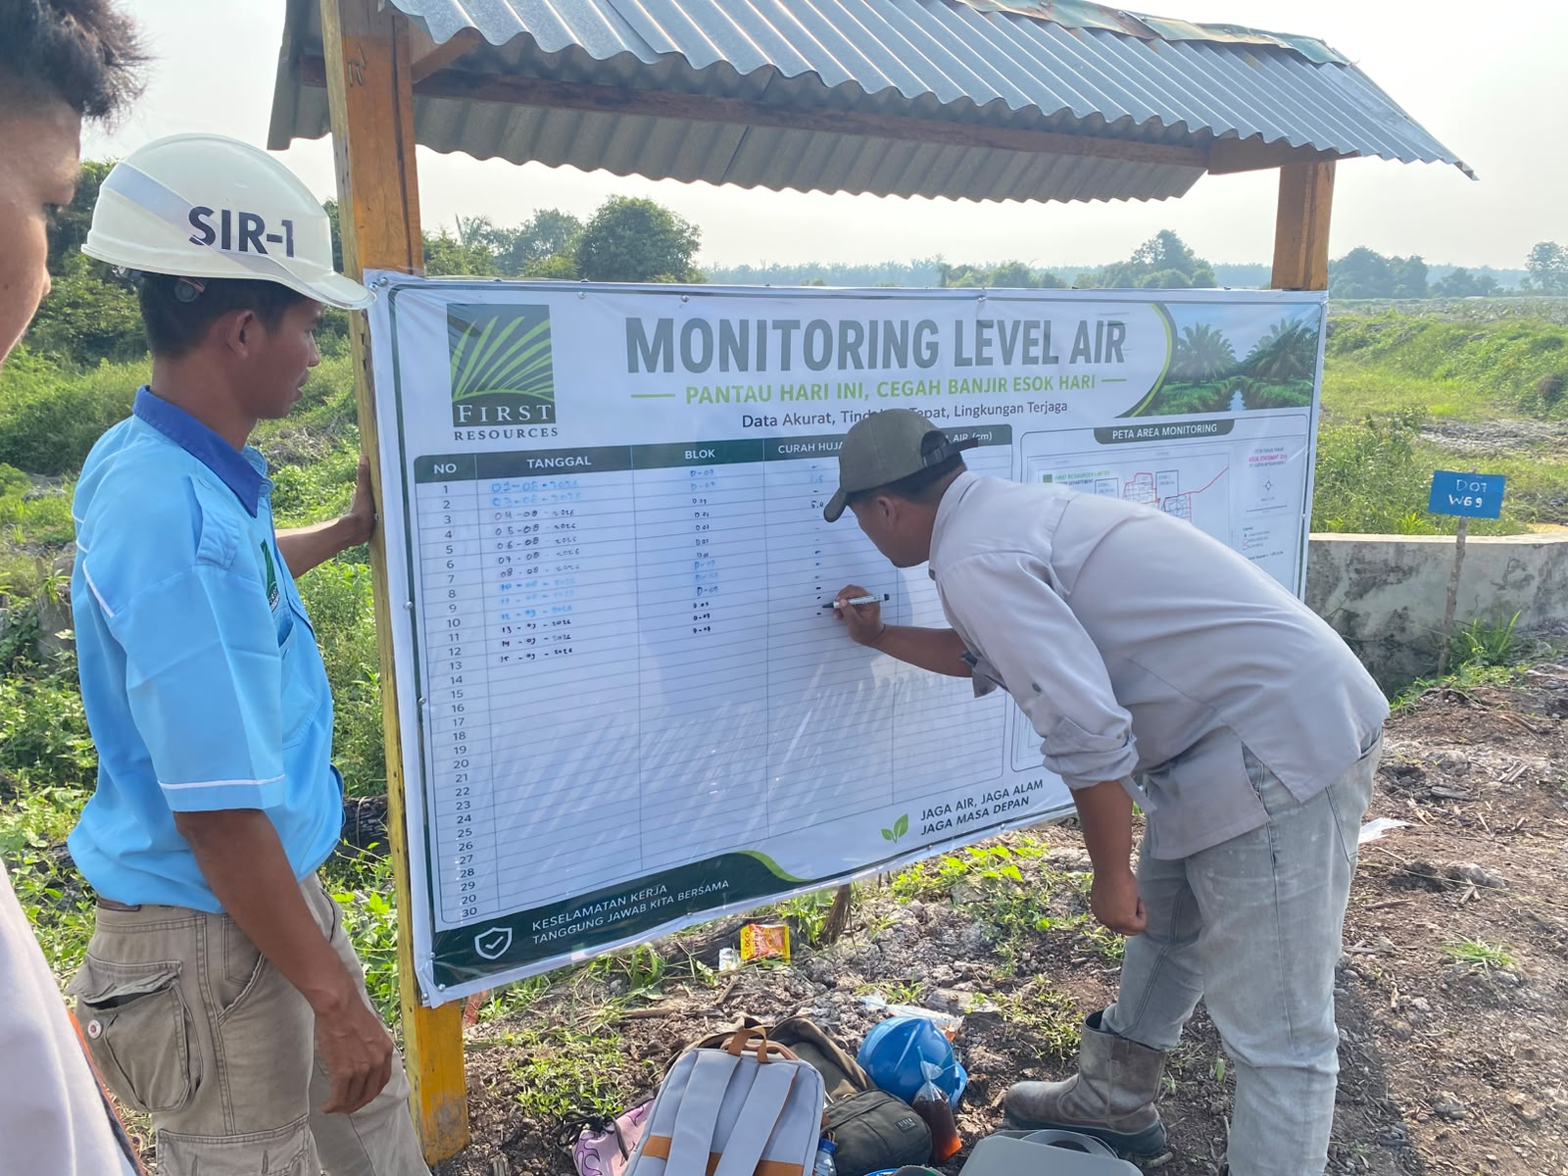
 | C10 | 0.603510,101.533925 | WG08 | WATERGATE | 70 | KEKERINGAN
 | D7 | 0.594732,101.540468 | WG09 | WATERGATE | +25 | BANJIR
 | D5 | 0.590353,101.543947 | WG10 | WATERGATE | 50 | NORMAL
TOTAL
II | D10 | 0036.210;101032.077' | WG11 | WATERGATE | 60 | NORMAL
 | F25 | 0038.173;101033.405' | WG12 | WATERGATE | 45 | NORMAL
 | F25 | 0038.233;101033.652' | DG06 | DRUMGATE | 70 | NORMAL
TOTAL
III | G19 | 0.622685, 101.567482 | DG06 | DRUMGATE | 60 | NORMAL
 | G19 | 0.622820, 101.570032 | HDPE01 | HDPE | 55 | NORMAL
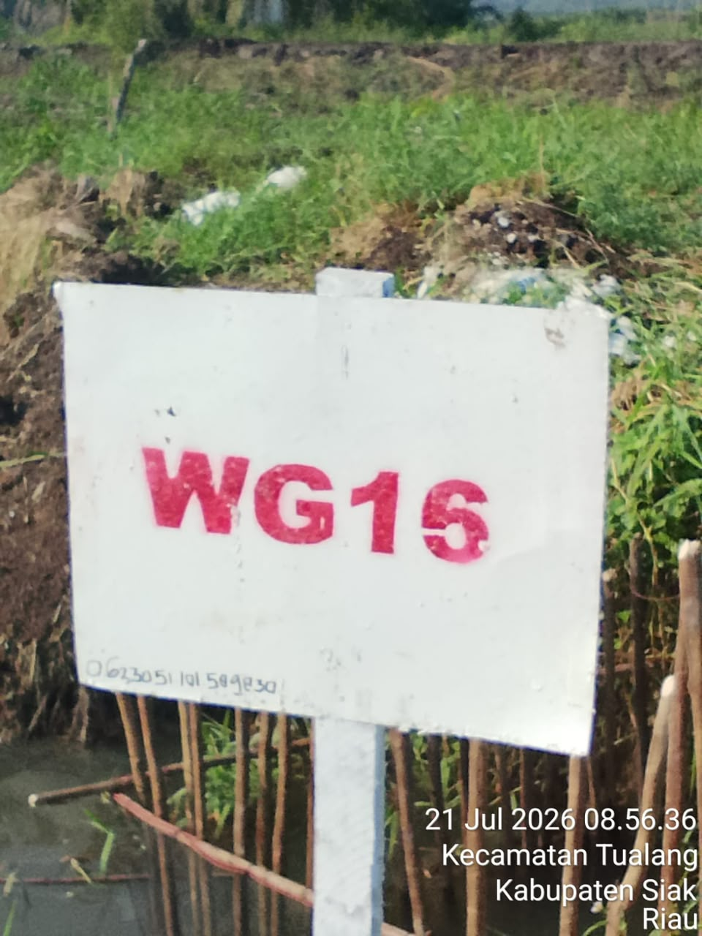
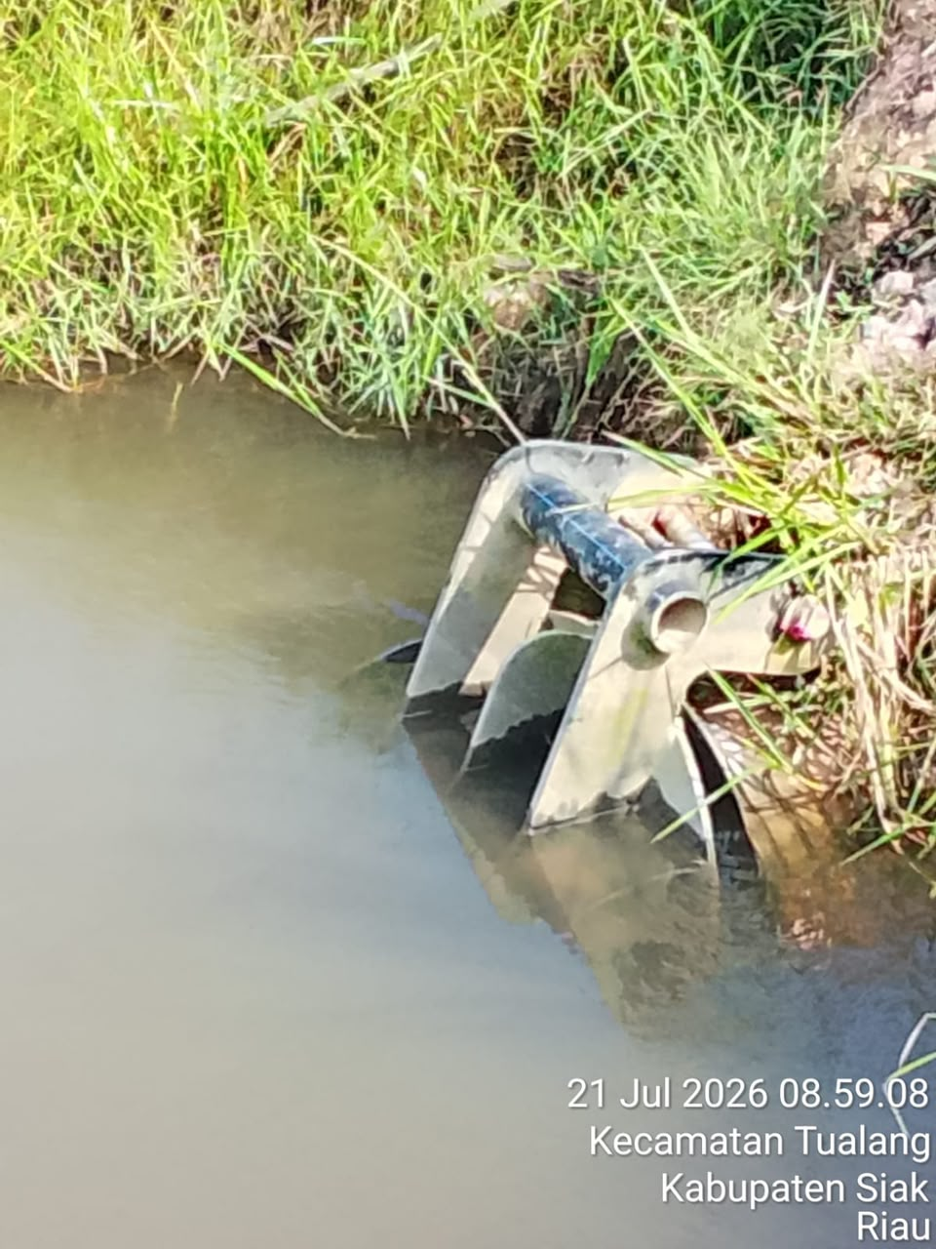
 | H20 | 0.627122, 101.572180 | DG07 | DRUMGATE | 45 | NORMAL
 | H21 | 0.627753, 101.572740 | DG08 | DRUMGATE | 45 | NORMAL
 | H23 | 0.631985, 101.573525 | DG09 | DRUMGATE | 55 | NORMAL
 | H23 | 0.631992, 101.573635 | HDPE02 | HDPE | 65 | NORMAL
 | I20 | 0.625707, 101.588142 | HDPE03 | HDPE | 60 | NORMAL
 | I22 | 0.631910, 101.584373 | DG10 | DRUMGATE | 45 | NORMAL
 | I23 | 0.632093, 101.584567 | DG11 | DRUMGATE | 40 | NORMAL
 | I23 | 0.632198, 101.584383 | DG12 | DRUMGATE | 45 | NORMAL
 | I25 | 0.638847, 101.584553 | DG13 | DRUMGATE | 40 | NORMAL
 | J18 | 0.620511, 101.592068 | WG13 | WATERGATE | 50 | NORMAL
 | J18 | 0.622977, 101.589528 | WG14 | WATERGATE | 35 | NORMAL
 | J19 | 0.623027, 101.589525 | WG15 | WATERGATE | 45 | NORMAL
 | J19 | 0.623051, 101.589830 | WG16 | WATERGATE | 50 | NORMAL
 | J20 | 0.625690, 101.596447 | HDPE04 | HDPE | 50 | NORMAL
TOTAL
IV | J17 | 0°37'06.1", 101°35'32.0" | WG17 | WATERGATE | 40 | NORMAL
 | I13 | 0°36'39.1", 101°35'15.4" | WG18 | WATERGATE | 50 | NORMAL
 | J12 | 0°36'33.5", 101°35'22.2" | WG19 | WATERGATE | 50 | NORMAL
 | I15 | 0°36'50.2", 101°34'59.6" | WG20 | WATERGATE | 45 | NORMAL
 | I15 | 0°36'54.7", 101°34'45.4" | WG21 | WATERGATE | 45 | NORMAL
 | I14 | 0°36'49.1", 101°34'55.6" | WG22 | WATERGATE | 35 | NORMAL
 | H16 | 0°36'55.4", 101°34'44.7" | WG23 | WATERGATE | 55 | NORMAL
 | J17 | 0°37'07.3", 101°35'32.1" | HDPE05 | HDPE | 40 | NORMAL
 | H17 | 0°37'08.9", 101°34'27.8" | HDPE06 | HDPE | 60 | NORMAL
 | H16 | 0°37'03.0", 101°34'45.3" | HDPE07 | HDPE | 55 | NORMAL
 | I15 | 0°36'50.5", 101°35'16.2" | HDPE08 | HDPE | 45 | NORMAL
 | J16 | 0°37'06.3", 101°35'30.7" | DG14 | DRUMGATE | 40 | NORMAL
 | H16 | 0°36'56.8", 101°34'45.4" | DG15 | DRUMGATE | 55 | NORMAL
 | I8 | 0°35'56.2", 101°34'46.0" | DG16 | DRUMGATE | 70 | NORMAL
 | H8 | 0°35'54.7", 101°34'34.0" | DG17 | DRUMGATE | 75 | NORMAL
 | H8 | 0°35'54.7", 101°34'34.0" | DG18 | DRUMGATE | 75 | NORMAL
 | I16 | 0°37'06.2", 101°35'01.7" | DG19 | DRUMGATE | 50 | NORMAL
 | I15 | 0°36'57.4", 101°34'45.5" | DG20 | DRUMGATE | 45 | NORMAL
 | E05 | 0°35.420', 101°32.693' | WG24 | WATERGATE | 55 | NORMAL
 | E03 | 0°35.145', 101°32.840' | WG25 | WATERGATE | 60 | NORMAL
 | E02 | 0°35.033', 101°32.903' | HDPE09 | HDPE | 60 | NORMAL
 | E01 | 0°34.955', 101°33.028' | HDPE10 | HDPE | 55 | NORMAL
 | E02 | 0°34.948', 101°33.038' | HDPE11 | HDPE | 60 | NORMAL
 | F02 | 0°34.968', 101°33.145' | WG26 | WATERGATE | 40 | NORMAL
 | G05 | 0°35.543', 101°33.843' | WG27 | WATERGATE | 50 | NORMAL
 | G09 | 0°35.875', 101°34.237' | WG28 | WATERGATE | 60 | NORMAL
TOTAL
TOTAL KEBUN

