Document Control
Application Setup |  |  |  |  | <Document Reference Number>
 |  |  |  | 2014-10-03 17:33:44

 | Document Control

 | Change Record

 | Date | Author | Version | Change Reference
 | 2013-08-28 | <Author> | 0.1

 | Reviewers

 | No | Name | Position | Note

 | Distribution

 | Copy No | Name |  | Location

Note to Holders:
If you receive an electronic copy of this document and print it out, please write your name on the equivalent of the cover page, for document control purposes.
If you receive a hard copy of this document, please write your name on the front cover, for document control purposes

Guidance
 | MC.050 Application Setup Tempate Usage Guidance
 | This worksheet provides guidance on how to use this spreadsheet based MC.050 template.

 | Note - This guidance is not intended to replace OUM task overview guidance found in the OUM Method Pack for MC.050, but instead is supplemental guidance - The following is a snapshot image from OUM Method Pack where the task overview guidance for MC.050 can be found:
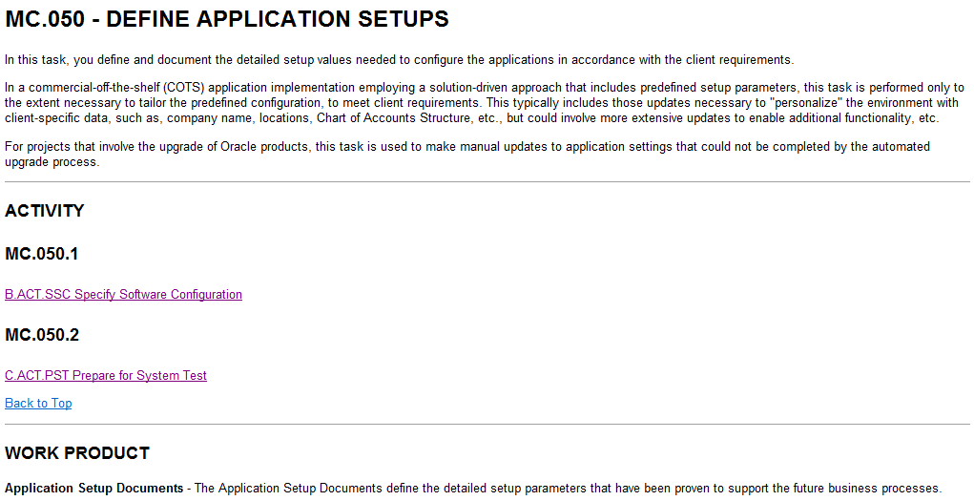

 | GUIDANCE

 | Worksheet Descriptions

 | "Title Page" Worksheet:
 | The "Title Page" worksheet is the cover page for the deliverable. It is important to note that much of the displayed text in this worksheet is derived from text entries made in the "Document Control" worksheet. This worksheet also contains the final approval signoff signatures

 | "Document Control" Worksheet:
 | The "Document Control" worksheet provides the standard document control information found in other OUM templates such as change record log, list of reviewers, and document distribution list

 | "Config Summary Index" Worksheet:
 | The "Config Summary Index" worksheet provides an aphebetical listing of all the configuration worksheets within the single MC.050 application setup spreadsheet. This worksheet is designed to provide easy access to many configuration worksheets, as well as providing summarized status information for each configuration worksheet.

 | "XXX Table Config Worksheet" Worksheet:
 | The "XXX Table Config Worksheet" worksheet will be copied and instantiated within this spreadsheet as many times as required to account for the different tables being configurated within the application. It is advisable to not delete this worksheet until you have completed building out all the worksheets for the application(s) being implemented

 | "SAMPLE {Bill Cycle}":
 | The "SAMPLE {Bill Cycle}" worksheet is an example of how the "XXX Table Config Worksheet" was copied and extended to support the "Bill Cycle" table configurations for one of Oracle's application offerings. This worksheet should be deleted once a sample is no longer needed, as it could be mistakenly presumed to be part of the solution

 | "SAMPLE {Person}":
 | The "SAMPLE {Person}" worksheet is another example of how the "XXX Table Config Worksheet" was copied and extended to support application configuration options associated to the user interface for Person related transaction processing functionality for an Oracle application (demonstrating another option of how this configuration spreadsheet can support other configuration aspects of the application).

 | Template Usage Guidance

 | Getting Started:
 | Step 1: Familiarize yourself with the "Config Summary-Index" and "XXX Table Config Worksheet" worksheets. It is important to understand how the linkage between the worksheets occurs
 | Step 2: Create new worksheets for all the primary table configrations required for application implementation
 | Step 3: Copy entire "XXX Table Config Worksheet" worksheet into memory and paste into all the newly created worksheets
 | Step 4: Rename all the worksheet tabs for the newly created worksheets to the name of primary table being configured
 | Step 5: Rearrange all the table configuration worksheets in alphabetical order assending from left to right
 | Step 6: Go to "Config Summary-Index" worksheet, and add a row for each table configuration worksheet beneath the appropriate letter (use the placeholder row for each "letter" first by placing cursor on it and right clicking and then selecting "Edit Hyperlink"
 | Step 7: Adjust the name and hyperlink for each newly added row in the "Config Summary-Index" worksheet to match the associated newly created configuration worksheet by doing the following:
 | Step 7.1: Place cursor on newly created row in "Config Summary-Index" worksheet, right mouse click, and then select "Hyperlink"
 | 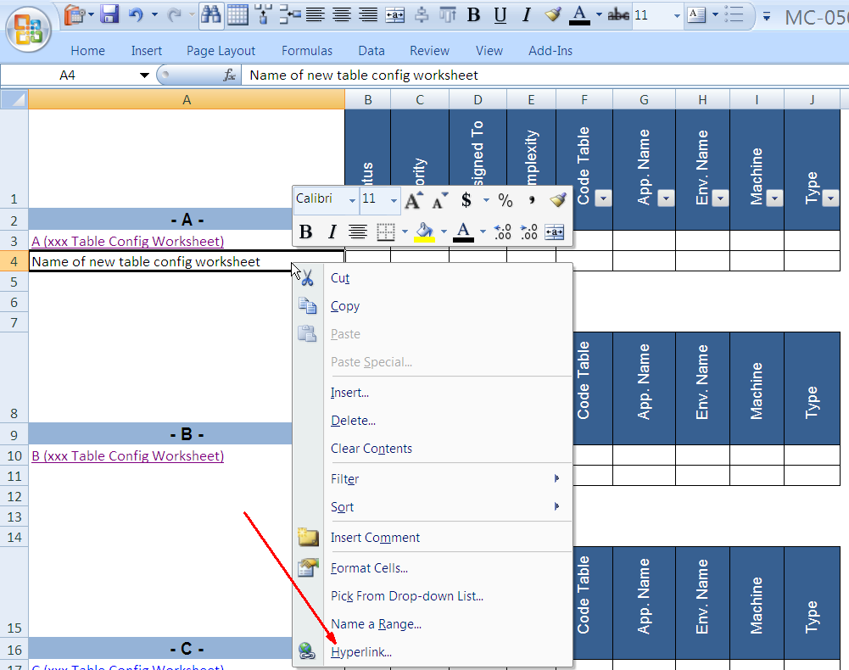
 | Step 7.2: H Change the "Text to display:" to the name of the new table configuration worksheet, and scroll down and select the correct matching configuration worksheet
 | 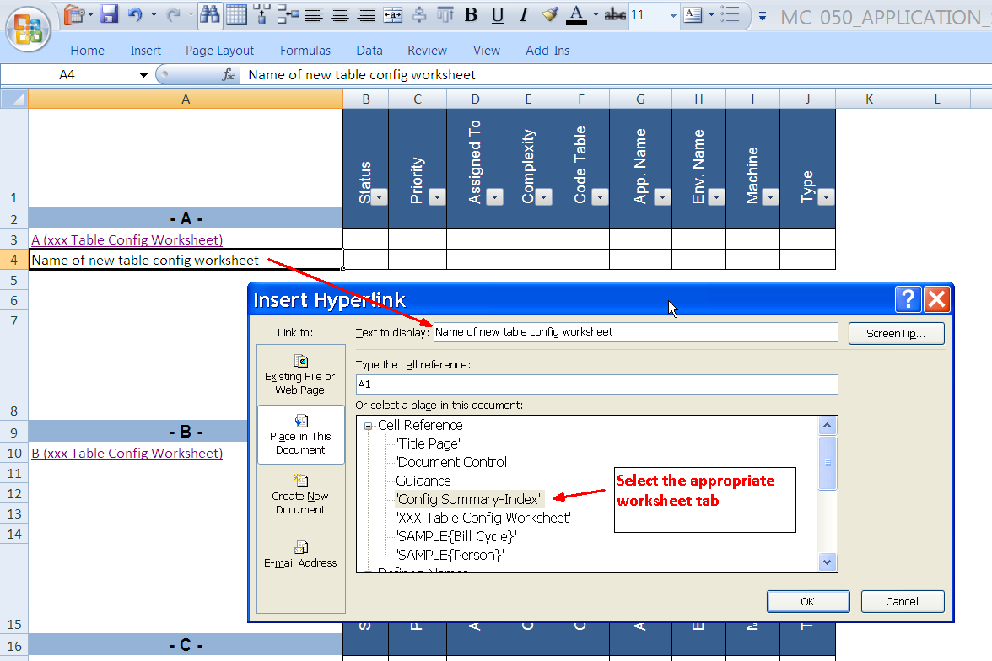
 | Step 8: Repeat steps 6 through 7 for all the new table configuration worksheets
 | Step 9: Delete "XXX Table Config Worksheet" and Sample worksheets if desired
 | Step 10:Populate and maintain data in both the "Config Summary-Index" and multiple table configuration worksheets

XXX Table Config Worksheet
Data Set-up Rationale:
xxx
Xxx (Table Name) |  |  | Link to Config Summary-Index

Related Tables | Relationship | Key | Table Description
(table name) | "PRIMARY" or "CHILD" | (Column Name) | (table description)
"Table 1" | PRIMARY | XXX | xxx
"Table 2" | CHILD | XXX | xxx
"Table 3" | CHILD | XXX | xxx

Navigation Path: | (enter navigational path here - e.g., General Ledger>Setup>Accounts>Suspense)
Xxx
Form Information: | Form Name | Process Name | Control Number | Business Area Name | Priority (High/Med/Low) | Process Owner
Description:- Xxx

XXX (Table 1 - Primary Table Name) |  |  |  |  | XXX (Table 2 - Child Table Name) |  | XXX (Table 3 - Child Table Name) |  | Change Control
XXX (column name) | XXX (column name) | XXX (column name) | XXX (column name) | XXX (column name) | XXX (column name) | XXX (column name) | XXX (column name) | XXX (column name) | Source | Release | Status | Due Date | Date Updated in Spreadsheet | Responsibility (updated by) | Date Updated in System | Responsibility (Updated by) | QA Responsibility | QA Due Date | Signature Approval | Comments
YYY (DB field name) | YYY (DB field name) | YYY (DB field name) | YYY (DB field name) | YYY (DB field name) | YYY (DB field name) | YYY (DB field name) | YYY (DB field name) | YYY (DB field name)
ZZZ (Data type and Length) | ZZZ (Data type and Length) | ZZZ (Data type and Length) | ZZZ (Data type and Length) | ZZZ (Data type and Length) | ZZZ (Data type and Length) | ZZZ (Data type and Length) | ZZZ (Data type and Length) | ZZZ (Data type and Length)

SAMPLE{Bill Cycle}
Data Set-up Rationale:
xxx
Bill Cycle |  |  | Link to Config Summary-Index

Related Tables | Relationship | Key | Table Description
(table name) | "PRIMARY" or "CHILD" | (Column Name) | (description of table)
CI_BILL_CYC | PRIM | Bill Cycle | Product Specific/Admin
CI_BILL_CYC_L | CHLD | Bill Cycle Language | Product Specific/Admin
CI_BILL_CYC_SCH | CHLD | Bill Cycle Schedule | Product Specific/Admin

Table Names
Navigation Path: | (enter navigational path here - e.g., General Ledger>Setup>Accounts>Suspense)
Xxx
Form Information: | Form Name | Process Name | Control Number | Business Area Name | Priority (High/Med/Low) | Process Owner
Description:- Xxx

Bill Cycle | Bill Cycle Language | Bill Cycle Schedule |  |  |  |  | XXX (Table 3 - Child Table Name) |  | Change Control
Bill Cycle | Description | Window Start Date | Window End Date | Accounting Date | Estimate Date | Freeze and Complete | XXX (column name) | XXX (column name) | Source | Release | Status | Due Date | Date Updated in Spreadsheet | Responsibility (updated by) | Date Updated in System | Responsibility (Updated by) | QA Responsibility | QA Due Date | Signature Approval | Comments
BILL_CYC_CD | DESCR | WIN_START_DT | WIN_END_DT | ACCOUNTING_DT | EST_DT | FREEZE_COMPLETE_SW | YYY (DB field name) | YYY (DB field name)
C4 | VARC60 | DATE | DATE | DATE | DATE | C1 | ZZZ (Data type and Length) | ZZZ (Data type and Length)
Column Names
Field Names
Cells to enter data values for ACCOUNTING _DT field for Accounting Date column within "Bill Cycle Schedule" child table
Field Format + Length
Example 1 = Character Type of 4 characters
Example 2 = Variable Character of 60 characters
Example 3 = Date field (std. format)

SAMPLE{Person}
Data Set-up Rationale:
xxx
Person |  |  | Link to Config Summary-Index
Note: This worksheet mimics the input fields in the UI as Person information is regarded as transactional data. Sometimes however, certain transactional data needs to be configured.
Related Tables | Relationship | Key | Table Description
(table name) | "PRIMARY" or "CHILD" | (Column Name) | (description of table)

Navigation Path: | (enter navigational path here - e.g., General Ledger>Setup>Accounts>Suspense)
Xxx
Form Information: | Form Name | Process Name | Control Number | Business Area Name | Priority (High/Med/Low) | Process Owner
Description:- Xxx

MAIN |  |  |  |  |  |  |  |  |  |  | Correspondence Info |  |  |  |  |  |  |  |  |  |  |  |  |  |  |  |  |  |  |  |  |  |  |  |  |  |  |  |  |  | Characteristics |  |  | Persons |  |  |  |  | Web Self Service
Person Information |  |  | Person Names |  | Person Phones |  |  | Person Ids |  |  | Override Mailing Name |  | Date Updated in Spreadsheet | Responsibility (updated by) | Date Updated in System | Responsibility (Updated by) | QA Responsibility |  | Signature Approval |  |  |  |  |  |  |  |  | Seasonal Address |  |  |  |  |  |  |  |  |  |  |  |  | Effective Date | Characteristic Type | Characteristic Value | Parent Information |  |  |  |  | Web Self Service Password Hint | Web Self Service Password Answer | Web Self Service Receive Marketing Info Flag
Person ID | Person / Business | Life Support Sensitive Load | Name Type | Person Name | Phone Type | Phone Number | Extension | Primary ID | ID Type | ID Number | Name 1 | Name 2 |  |  |  |  |  | Floor |  | Suffix | Building / Lot | DPID | Suburb | Number Type | State | Email Address | Language | Season From | Season To | Status | Country | Postcode | Search Address | Street Name | Suffix | Building / Lot | DPID | Suburb | Number Type | State |  |  |  | Child Person | Relationship Type | Start Date | End Date | Financial Relationship

