Sheet1
Vin | 230 | 280 | 330 | 380 | 430 | 480 | 530 | 580 | 630 | 680 | 730 |  | Current Ripple Worst Case
Po | 11500 | 11500 | 11500 | 11500 | 11500 | 11500 | 11500 | 11500 | 11500 | 11500 | 11500 |  | Vo(1-D)/L.fs)
Vo | 400 | 400 | 400 | 400 | 400 | 400 | 400 | 400 | 400 | 400 | 400 |  | So when D is min, current ripple is worst.
fs | 65000 | 65000 | 65000 | 65000 | 65000 | 65000 | 65000 | 65000 | 65000 | 65000 | 65000
Io | 28.75 | 28.75 | 28.75 | 28.75 | 28.75 | 28.75 | 28.75 | 28.75 | 28.75 | 28.75 | 28.75 |  | Voltage Ripple Worst Case
Iin | 50 | 41.071428571 | 34.848484848 | 30.263157895 | 26.744186047 | 23.958333333 | 21.698113208 | 19.827586207 | 18.253968254 | 16.911764706 | 15.753424658
D | 0.63492063492 | 0.58823529412 | 0.54794520548 | 0.51282051282 | 0.48192771084 | 0.45454545455 | 0.43010752688 | 0.40816326531 | 0.38834951456 | 0.37037037037 | 0.35398230088 |  | I.D/(C.fs)
Current Ripple Max | 0.25 | 0.25 | 0.25 | 0.25 | 0.25 | 0.25 | 0.25 | 0.25 | 0.25 | 0.25 | 0.25 |  | When D is max, voltage ripple is worst.
I_ind | 78.75 | 69.821428571 | 63.598484848 | 59.013157895 | 55.494186047 | 52.708333333 | 50.448113208 | 48.577586207 | 47.003968254 | 45.661764706 | 44.503424658
DeltaI_max | 19.6875 | 17.455357143 | 15.899621212 | 14.753289474 | 13.873546512 | 13.177083333 | 12.612028302 | 12.144396552 | 11.750992063 | 11.415441176 | 11.125856164
V Ripple MAX | 0.005 | 0.005 | 0.005 | 0.005 | 0.005 | 0.005 | 0.005 | 0.005 | 0.005 | 0.005 | 0.005
DeltaV | 2 | 2 | 2 | 2 | 2 | 2 | 2 | 2 | 2 | 2 | 2
L_min | 0.00011411516173 | 0.00014516670331 | 0.00017496490146 | 0.0002032107903 | 0.00022979972434 | 0.00025473340888 | 0.00027807030874 | 0.00029989733932 | 0.00032031363539 | 0.00033942129916 | 0.00035732023444
C_min | 0.00014041514042 | 0.00013009049774 | 0.00012118018967 | 0.0001134122288 | 0.00010658016682 | 0.00010052447552 | 9.511993383E-05 | 9.0266875981E-05 | 8.5884988798E-05 | 8.1908831909E-05 | 7.8284547311E-05
L_chosen | 0.00036 | 0.00036 | 0.00036 | 0.00036 | 0.00036 | 0.00036 | 0.00036 | 0.00036 | 0.00036 | 0.00036 | 0.00036
C_chosen | 0.000141 | 0.000141 | 0.000141 | 0.000141 | 0.000141 | 0.000141 | 0.000141 | 0.000141 | 0.000141 | 0.000141 | 0.000141
Recalc_DeltaI | 6.2406729073 | 7.0387129211 | 7.727432385 | 8.3278544817 | 8.8559365668 | 9.324009324 | 9.7417516772 | 10.11686726 | 10.455563854 | 10.762899652 | 11.043037592
Recalc_DeltaV | 1.9917041194 | 1.8452552871 | 1.7188679386 | 1.6086840964 | 1.5117754159 | 1.4258790855 | 1.3492189196 | 1.2803812196 | 1.2182267915 | 1.161827403 | 1.1104191108
MOSFET |  |  |  |  |  |  |  |  |  |  |  | SCT025W120G3-4
Vmax_mosfet | 630 | 680 | 730 | 780 | 830 | 880 | 930 | 980 | 1030 | 1080 | 1130
Imax_mosfet | 81.870336454 | 73.340785032 | 67.462201041 | 63.177085136 | 59.92215433 | 57.370337995 | 55.318989046 | 53.636019837 | 52.231750181 | 51.043214532 | 50.024943453
Irms_mosfet | 62.74950199 | 53.550591186 | 47.077710603 | 42.260200132 | 38.524626359 | 35.535951084 | 33.085176008 | 31.035081412 | 29.291789708 | 27.78886505 | 26.477940769
Rds | 0.027 | 0.027 | 0.027 | 0.027 | 0.027 | 0.027 | 0.027 | 0.027 | 0.027 | 0.027 | 0.027
Pcond | 106.3125 | 77.426977041 | 59.840392562 | 48.219961911 | 40.071964575 | 34.095703125 | 29.55497953 | 26.005759512 | 23.166241497 | 20.849967561 | 18.929196378

MOSFET 2
Vmax_mosfet | 630 | 680 | 730 | 780 | 830 | 880 | 930 | 980 | 1030 | 1080 | 1130
Imax_mosfet | 81.870336454 | 73.340785032 | 67.462201041 | 63.177085136 | 59.92215433 | 57.370337995 | 55.318989046 | 53.636019837 | 52.231750181 | 51.043214532 | 50.024943453
Irms_mosfet | 47.582165777 | 44.803639042 | 42.760454153 | 41.190147966 | 39.943182758 | 38.927684022 | 38.083897578 | 37.371186808 | 36.760904332 | 36.232247174 | 35.769728248
Rds | 0.027 | 0.027 | 0.027 | 0.027 | 0.027 | 0.027 | 0.027 | 0.027 | 0.027 | 0.027 | 0.027
Pcond | 61.1296875 | 54.198883929 | 49.368323864 | 45.808963816 | 43.077361919 | 40.91484375 | 39.160347877 | 37.708351293 | 36.486830357 | 35.444944853 | 34.54578339

MOSFET 3
Vmax_mosfet | 630 | 680 | 730 | 780 | 830 | 880 | 930 | 980 | 1030 | 1080 | 1130
Imax_mosfet | 81.870336454 | 27.126441964 | 24.711161932 | 22.931481908 | 21.565680959 | 20.484421875 | 19.607173939 | 18.881175647 | 18.270415179 | 17.749472426 | 17.299891695
Irms_mosfet | 62.74950199 | 0.23122593343 | 0.22176551706 | 0.21460683834 | 0.20900538392 | 0.2045066659 | 0.20081718805 | 0.19773886432 | 0.19513314911 | 0.19290024208 | 0.19096644673
Rds | 0.027 | 0.027 | 0.027 | 0.027 | 0.027 | 0.027 | 0.027 | 0.027 | 0.027 | 0.027 | 0.027
Pcond | 106.3125 | 0.0014435666718 | 0.0013278585031 | 0.0012435145667 | 0.0011794477637 | 0.0011292203628 | 0.0010888436614 | 0.0010557177784 | 0.0010280775388 | 0.0010046835916 | 0.00098464096199

MOSFET 4
Vmax_mosfet | 630 | 17.705357143 | 16.149621212 | 15.003289474 | 14.123546512 | 13.427083333 | 12.862028302 | 12.394396552 | 12.000992063 | 11.665441176 | 11.375856164
Imax_mosfet | 81.870336454 | 0.027721783336 | 0.027663929252 | 0.027621757283 | 0.027589723882 | 0.027564610181 | 0.027544421831 | 0.027527858889 | 0.027514038769 | 0.027502341796 | 0.027492320481
Irms_mosfet | 47.582165777 | 44.803639042 | 42.760454153 | 41.190147966 | 39.943182758 | 38.927684022 | 38.083897578 | 37.371186808 | 36.760904332 | 36.232247174 | 35.769728248
Rds | 0.027 | 0.027 | 0.027 | 0.027 | 0.027 | 0.027 | 0.027 | 0.027 | 0.027 | 0.027 | 0.027
Pcond | 61.1296875 | 54.198883929 | 49.368323864 | 45.808963816 | 43.077361919 | 40.91484375 | 39.160347877 | 37.708351293 | 36.486830357 | 35.444944853 | 34.54578339

Ptotal | 334.884375 | 185.82618846 | 158.57836815 | 139.83913306 | 126.22786786 | 115.92651985 | 107.87676413 | 101.42351782 | 96.140930288 | 91.74086195 | 88.0217478
Eff | 0.99471248147 | 0.99530916124 | 0.99572545247 | 0.99603241627 | 0.99626812153 | 0.99645480065 | 0.99660630872 | 0.99673172955 | 0.99683726676 | 0.99692730146 | 0.99700501571

Transition
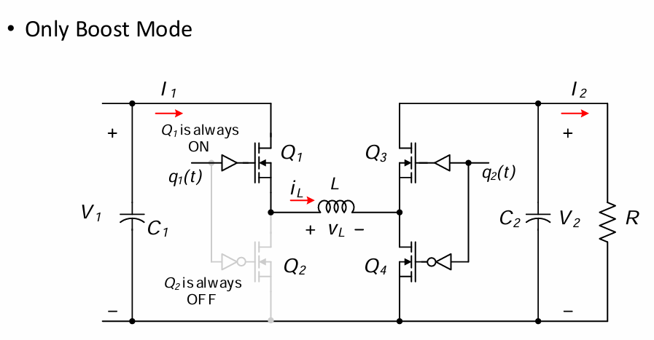
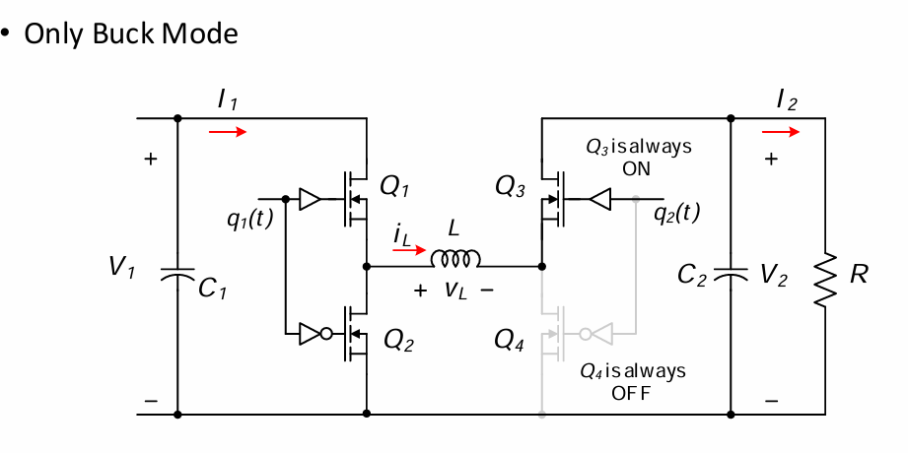
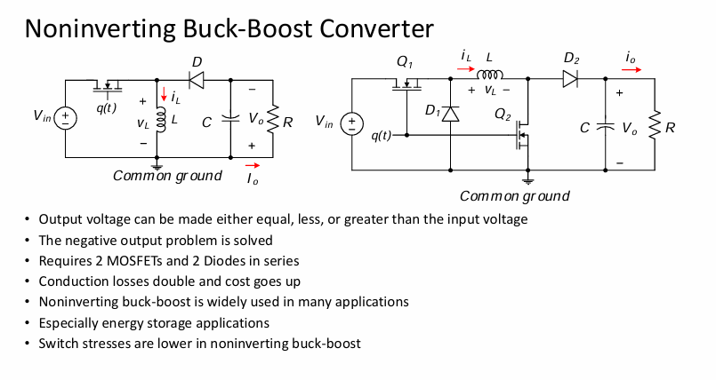
Vin | 230 | 280 | 330 | 380 | 430 | 480 | 530 | 580 | 630 | 680 | 730 |  | Current Ripple Worst Case
Po | 11500 | 11500 | 11500 | 11500 | 11500 | 11500 | 11500 | 11500 | 11500 | 11500 | 11500 |  | Vo(1-D)/L.fs)
Vo | 400 | 400 | 400 | 400 | 400 | 400 | 400 | 400 | 400 | 400 | 400 |  | So when D is min, current ripple is worst.
fs | 65000 | 65000 | 65000 | 65000 | 65000 | 65000 | 65000 | 65000 | 65000 | 65000 | 65000
Io | 28.75 | 28.75 | 28.75 | 28.75 | 28.75 | 28.75 | 28.75 | 28.75 | 28.75 | 28.75 | 28.75 |  | Voltage Ripple Worst Case
Iin | 50 | 41.071428571 | 34.848484848 | 30.263157895 | 26.744186047 | 23.958333333 | 21.698113208 | 19.827586207 | 18.253968254 | 16.911764706 | 15.753424658
D | 0.425 | 0.3 | 0.175 | 0.51282051282 | 0.93023255814 | 0.83333333333 | 0.75471698113 | 0.68965517241 | 0.63492063492 | 0.58823529412 | 0.54794520548 |  | I.D/(C.fs)
Current Ripple Max | 0.25 | 0.25 | 0.25 | 0.25 | 0.25 | 0.25 | 0.25 | 0.25 | 0.25 | 0.25 | 0.25 |  | When D is max, voltage ripple is worst.
I_ind | 50 | 41.071428571 | 34.848484848 | 59.013157895 | 28.75 | 28.75 | 28.75 | 28.75 | 28.75 | 28.75 | 28.75
DeltaI_max | 12.5 | 10.267857143 | 8.7121212121 | 14.753289474 | 7.1875 | 7.1875 | 7.1875 | 7.1875 | 7.1875 | 7.1875 | 7.1875
V Ripple MAX | 0.005 | 0.005 | 0.005 | 0.005 | 0.005 | 0.005 | 0.005 | 0.005 | 0.005 | 0.005 | 0.005
DeltaV | 2 | 2 | 2 | 2 | 2 | 2 | 2 | 2 | 2 | 2 | 2
L_min | 0.00012030769231 | 0.00012585953177 | 0.00010197993311 | 0.0002032107903 | 0.00085618729097 | 0.00085618729097 | 0.00085618729097 | 0.00085618729097 | 0.00085618729097 | 0.00085618729097 | 0.00085618729097
C_min | 9.3990384615E-05 | 6.6346153846E-05 | 3.8701923077E-05 | 0.0001134122288 | 0.00020572450805 | 0.00018429487179 | 0.00016690856313 | 0.0001525198939 | 0.00014041514042 | 0.00013009049774 | 0.00012118018967
L_chosen | 0.0009 | 0.0009 | 0.0009 | 0.0009 | 0.0009 | 0.0009 | 0.0009 | 0.0009 | 0.0009 | 0.0009 | 0.0009
C_chosen | 0.00022 | 0.00022 | 0.00022 | 0.00022 | 0.00022 | 0.00022 | 0.00022 | 0.00022 | 0.00022 | 0.00022 | 0.00022
Recalc_DeltaI | 1.6709401709 | 1.4358974359 | 0.98717948718 | 3.3311417927 | 6.8376068376 | 6.8376068376 | 6.8376068376 | 6.8376068376 | 6.8376068376 | 6.8376068376 | 6.8376068376
Recalc_DeltaV | 0.85445804196 | 0.60314685315 | 0.35183566434 | 1.0310202618 | 1.8702228005 | 1.6754079254 | 1.517350574 | 1.38654449 | 1.2765012765 | 1.1826408885 | 1.1016380879
MOSFET 1 |  |  |  |  |  |  |  |  |  |  |  | SCT025W120G3-4
Vmax_mosfet | 630 | 680 | 730 | 780 | 830 | 880 | 930 | 980 | 1030 | 1080 | 1130
Imax_mosfet | 50.835470085 | 41.789377289 | 35.342074592 | 60.678728791 | 32.168803419 | 32.168803419 | 32.168803419 | 32.168803419 | 32.168803419 | 32.168803419 | 32.168803419
Irms_mosfet | 70.510389246 | 56.858570416 | 46.230875376 | 42.260200132 | 27.728962275 | 26.245039214 | 24.976403959 | 23.875575458 | 22.908548346 | 22.050243429 | 21.281704793
Rds | 0.027 | 0.027 | 0.027 | 0.027 | 0.027 | 0.027 | 0.027 | 0.027 | 0.027 | 0.027 | 0.027
Pcond | 134.23630477 | 87.288219803 | 57.706933628 | 48.219961911 | 20.760174419 | 18.59765625 | 16.843160377 | 15.391163793 | 14.169642857 | 13.127757353 | 12.22859589

MOSFET 2
Vmax_mosfet | 630 | 680 | 730 | 780 | 830 | 880 | 930 | 980 | 1030 | 1080 | 1130
Imax_mosfet | 50.835470085 | 41.789377289 | 35.342074592 | 60.678728791 | 32.168803419 | 32.168803419 | 32.168803419 | 32.168803419 | 32.168803419 | 32.168803419 | 32.168803419
Irms_mosfet | 37.91437722 | 34.362822518 | 31.652708247 | 41.190147966 | 7.5938890671 | 11.737138351 | 14.238741001 | 16.016222918 | 17.371266871 | 18.448557253 | 19.330068316
Rds | 0.027 | 0.027 | 0.027 | 0.027 | 0.027 | 0.027 | 0.027 | 0.027 | 0.027 | 0.027 | 0.027
Pcond | 38.8125 | 31.881696429 | 27.051136364 | 45.808963816 | 1.5570130814 | 3.71953125 | 5.4740271226 | 6.9260237069 | 8.1475446429 | 9.1894301471 | 10.08859161 | Tj=125
 |  |  |  |  |  |  |  |  |  |  |  | Tj=125
MOSFET 3
Vmax_mosfet | 630 | 680 | 730 | 780 | 830 | 880 | 930 | 980 | 1030 | 1080 | 1130
Imax_mosfet | 50.835470085 | 15.967848214 | 13.552568182 | 22.931481908 | 0.8055065407 | 1.886765625 | 2.7640135613 | 3.4900118534 | 4.1007723214 | 4.6217150735 | 5.0712958048
Irms_mosfet | 32.596012026 | 22.495747898 | 14.578167129 | 42.260200132 | 27.728962275 | 26.245039214 | 24.976403959 | 23.875575458 | 22.908548346 | 22.050243429 | 21.281704793
Rds | 0.027 | 0.027 | 0.027 | 0.027 | 0.027 | 0.027 | 0.027 | 0.027 | 0.027 | 0.027 | 0.027
Pcond | 28.6875 | 13.663584184 | 5.7381198347 | 48.219961911 | 20.760174419 | 18.59765625 | 16.843160377 | 15.391163793 | 14.169642857 | 13.127757353 | 12.22859589

MOSFET 4
Vmax_mosfet | 630 | 680 | 730 | 780 | 830 | 880 | 930 | 980 | 1030 | 1080 | 1130
Imax_mosfet | 50.835470085 | 6.8587920918 | 2.8960599174 | 24.136980956 | 10.407087209 | 9.325828125 | 8.4485801887 | 7.7225818966 | 7.1118214286 | 6.5908786765 | 6.1412979452
Irms_mosfet | 37.91437722 | 34.362822518 | 31.652708247 | 41.190147966 | 7.5938890671 | 11.737138351 | 14.238741001 | 16.016222918 | 17.371266871 | 18.448557253 | 19.330068316
Rds | 0.027 | 0.027 | 0.027 | 0.027 | 0.027 | 0.027 | 0.027 | 0.027 | 0.027 | 0.027 | 0.027
Pcond | 38.8125 | 31.881696429 | 27.051136364 | 45.808963816 | 1.5570130814 | 3.71953125 | 5.4740271226 | 6.9260237069 | 8.1475446429 | 9.1894301471 | 10.08859161

Ptotal | 240.54880477 | 164.71519684 | 117.54732619 | 188.05785145 | 44.634375 | 44.634375 | 44.634375 | 44.634375 | 44.634375 | 44.634375 | 44.634375

 | 1.6709401709

