aethermobi
Comment | Description | Designator | Footprint | LibRef | Quantity | Links | BUY
100n | Capacitor | C1, C2, C3, C4, C5, C6 | C1206 | Cap | 6 | https://store.comet.bg/Catalogue/Product/38001/ | 20
TMCMB1C476MTRF | Capacitor Polarised | C7, C8 | TMCMB1C476MTRF | TMCMB1C476MTRF | 2 | https://store.comet.bg/Catalogue/Product/5010803/ | 8
LBC3225T150KR | Inductor | L1 | L1210 | Inductor | 1 | https://www.digikey.bg/en/products/detail/taiyo-yuden/LBC3225T150KR/2230208?s=N4IgTCBcDaIDICEDCBmMYCsAVAjBgDANIBKIAugL5A | 5
MCP1826S-3302E/DB | LDO | U1 | SOT-223_3MC_MCH | MCP1826S-3302EDB | 1 | https://store.comet.bg/Catalogue/Product/15486/ | 5
10k | Resistor | R1 | R1206 | Resistor | 1 | https://store.comet.bg/Catalogue/Product/29770/ | 10
CS11028.0F160 | Button | BUT1 | CS110280F160 | CS11028.0F160 | 1 | https://www.digikey.bg/en/products/detail/cit-relay-and-switch/CS11028-0F160/12503009 | 5
500ASSP1SM6QE | Switch | S1 | 500ASSP1SM6QE | 500ASSP1SM6QE | 1 | https://www.digikey.bg/en/products/detail/e-switch/500ASSP1SM6QE/4027902?s=N4IgTCBcDaIKwAYEEEDKqAKBGVBZAbAIoCiIAugL5A | 3
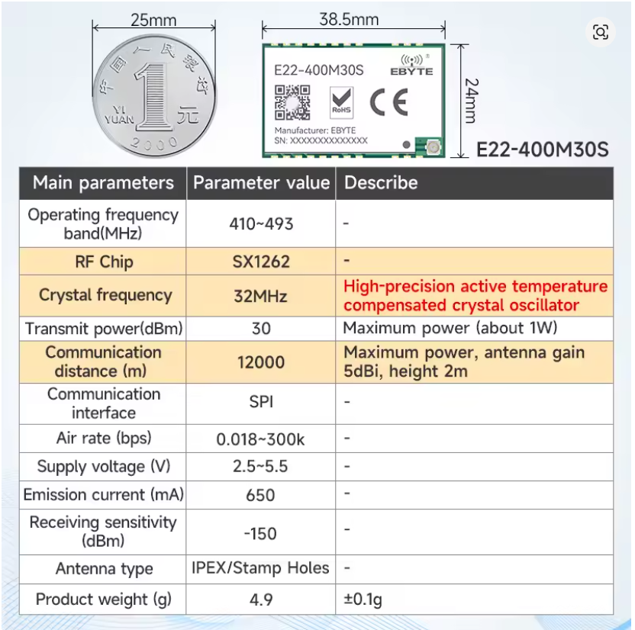
 |  |  | https://www.aliexpress.com/item/1005010297464200.html

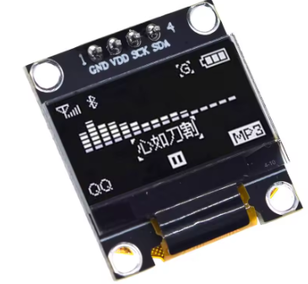

 |  |  | https://www.aliexpress.com/item/32896971385.html

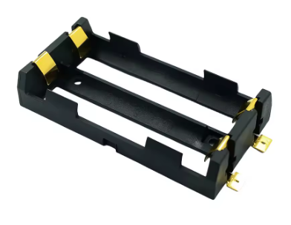
 |  |  | https://www.aliexpress.com/item/1005010763217277.html

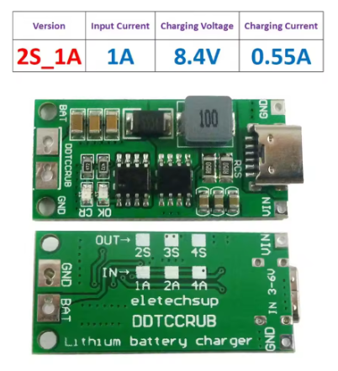

 |  |  | https://www.aliexpress.com/item/1005007752669376.html

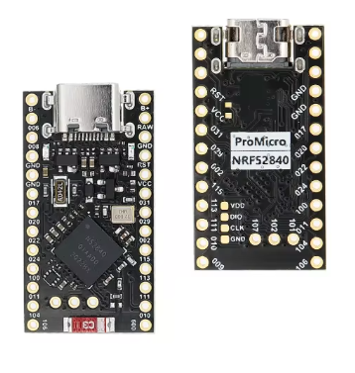
 |  |  | https://www.aliexpress.com/item/1005008530154790.html

