Data
Hour | Temperature | Humidity | Illuminance | Signal Strength
0 | 27.011435934 | 56.916342171 | 70.952262556 | -77.43431859
1 | 27.007408494 | 56.924639614 | 69.525295092 | -78.439034746
2 | 26.888709582 | 57.211825245 | 19.775451144 | -76.891411047
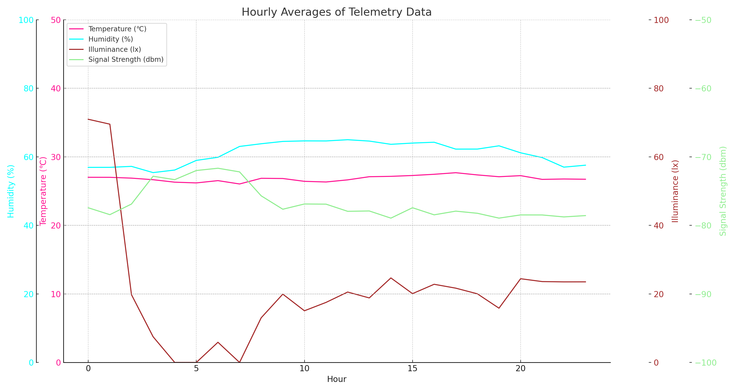
3 | 26.65787796 | 55.392531876 | 7.5069444444 | -72.833333333
4 | 26.300060716 | 56.141924712 | 0 | -73.333333333
5 | 26.191666667 | 58.954166667 | 0 | -72
6 | 26.525198413 | 59.861111111 | 5.8888888889 | -71.666666667
7 | 26.037333333 | 63.025333333 | 0 | -72.2
8 | 26.864618056 | 63.810243056 | 13.029513889 | -75.692881944
9 | 26.83449176 | 64.486390971 | 19.933369182 | -77.64772838
10 | 26.422115502 | 64.647471019 | 15.078604598 | -76.88243795
11 | 26.328106782 | 64.626626994 | 17.518506732 | -76.907432475
12 | 26.636682674 | 64.98619558 | 20.544378979 | -77.951666765
13 | 27.09620492 | 64.590471532 | 18.825244578 | -77.900996703
14 | 27.150047909 | 63.647363373 | 24.659334532 | -78.94653427
15 | 27.274184973 | 64.010348373 | 20.076105873 | -77.429950735
16 | 27.450145651 | 64.25296188 | 22.805490569 | -78.464498489
17 | 27.680072474 | 62.246949932 | 21.677616837 | -77.925616533
18 | 27.35780356 | 62.256747923 | 20.027142392 | -78.237073558
19 | 27.094444444 | 63.208333333 | 15.833333333 | -78.944444444
20 | 27.250850584 | 61.167439198 | 24.427517279 | -78.477686387
21 | 26.706637289 | 59.776157426 | 23.596223942 | -78.484398838
22 | 26.763809744 | 56.985319533 | 23.507936508 | -78.769148282
23 | 26.726871524 | 57.552153704 | 23.515993266 | -78.576576818

