Table of Contents
Region 13: Northern Ontario

Visitor Statistics
Visitor Spending Statistics
Hotel Statistics
Short-Term Rentals Statistics
Tourism Related Establishments
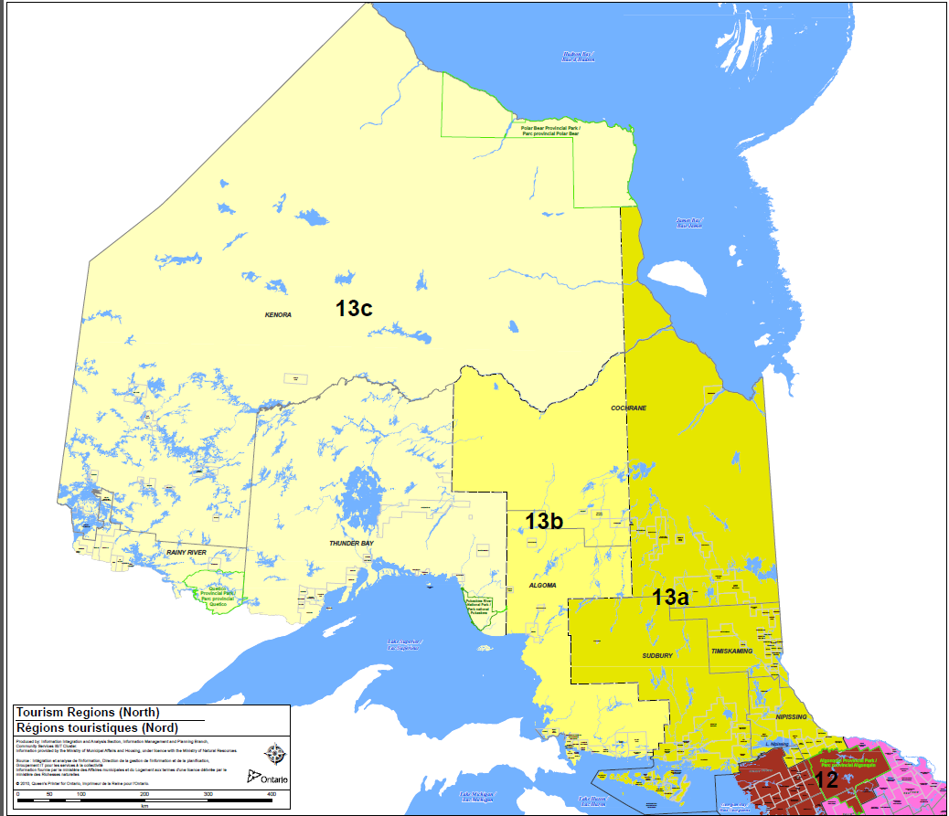

https://www.ontario.ca/document/tourism-regions
tourism.research@ontario.ca

Hotel Statistics
Hotel Statistics |  |  |  |  |  |  |  |  |  | Return to Table of Contents

 | 2008 | 2009 | 2010 | 2011 | 2012 | 2013 | 2014 | 2015 | 2016 | 2017 | 2018 | 2019 | 2020 | 2021 | 2022
Occupancy Rate | 64.7% | 62.1% | 61.8% | 59.1% | 60.4% | 57.4% | 57.4% | 61.0% | 59.5% | 60.7% | 63.2% | 63.4% | 45.0% | 52.5% | 64.4%
Average Daily Rate | $97.58 | $98.61 | $102.11 | $103.57 | $106.42 | $106.60 | $108.10 | $110.33 | $112.11 | $114.12 | $120.45 | $124.56 | $115.17 | $120.23 | $139.78
Revenue per Available Room | $63.10 | $61.27 | $63.12 | $61.21 | $64.28 | $61.20 | $62.04 | $67.32 | $66.74 | $69.29 | $76.18 | $78.97 | $51.86 | $63.11 | $90.02

 | Source: CBRE Hotels with reproduction and use of information subject to CBRE Disclaimer / Terms of Use as detailed at
 | https://www.cbre.ca/en/real-estate-services/business-lines/valuation-and-advisory-services/hotels-valuation-and-advisory-services/disclaimer
Disclaimer:
All information contained in this document as well as in CBRE Limited (“CBRE”) publications, or otherwise provided by CBRE is designed as a reference and a management tool for the internal use of companies and agencies involved in the travel and tourism industry. Reproduction and quotation in documents and matters relating to provision of third-party consulting advice, business planning, solicitation of public funds, debt and equity financing, litigation, property tax or other legal and financial matters is NOT PERMITTED without the written permission of CBRE. Quotation and reproduction of this material is permitted otherwise ONLY if credited to CBRE and referencing our disclaimer as follows: Source: CBRE Limited with reproduction and use of information subject to CBRE Limited Disclaimer / Terms of Use as detailed at https://www.cbre.ca/en/real-estate-services/business-lines/valuation-and-advisory-services/hotels-valuation-and-advisory-services/disclaimer

Users of this information are advised that CBRE Limited does not represent the information contained herein to be definitive or all-inclusive. CBRE Limited believes the information to be reliable, but is not responsible for errors or omissions.

Short-Term Rentals
Short-Term Rental Statistics |  |  |  |  | Return to Table of Contents

 | 2019 | 2020 | 2021 | 2022
Occupancy Rate | 52.7% | 49.1% | 60.0% | 55.4%
Average Daily Rate | $95.61 | $108.13 | $129.64 | $135.80
Revenue per Available Room | $50.41 | $53.11 | $77.79 | $75.20
REGION 13 Total - Northern Ontario Short-term Rental Occupancy, ADR and RevPAR Results 2019-2022

Source: seetransparent.com

Note:
Average Daily Rate and revenues exclude any taxes or fees.
All dollar values are reported in US dollars.
Short-term rental data collection is a growing data space. Transparent Intelligence is continuously refining its methodology. Consequently, data updates within the same parameters may arise due to methodology updates.

