dashboard
Telco Customers Dashboard

Avg Tenure
32.4
Churn rate
26.5%
Num Of Customers
7043
Churned Customers Revenue
139k

Churn Distribution
 | Total
No | 73.46%
Yes | 26.54%
Contracts Distribution
 | Total
One year | 20.9%
Two year | 24.1%
Month-to-month | 55.0%
Churn by Contract Type
 | Total
Two year | 2.8%
One year | 11.3%
Month-to-month | 42.7%

Churn by Tenure (grouped)
 | Total
70-79 | 3.5%
60-69 | 9.1%
50-59 | 14.3%
40-49 | 18.2%
30-39 | 22.1%
20-29 | 23.1%
10-19 | 32.5%
0-9 | 49.8%
Churn by Payment Method
 | Total
Credit card (automatic) | 15.2%
Bank transfer (automatic) | 16.7%
Mailed check | 19.1%
Electronic check | 45.3%

Churn by Tech Support
 | Total
No internet service | 7.40%
Yes | 15.17%
No | 41.64%
Churn by Average Monthly Charges
 | Total
No | 61.3
Yes | 74.4
Churn by Internet Service
 | Total
No | 7.4%
DSL | 19.0%
Fiber optic | 41.9%

recommendations
Recommendations

1. Longer contracts
Why: 55% of customers are month-to-month, and they account for most churn.
Action: Offer a first-year discount or a free add-on for moving to a one-year contract. Start with month-to-month customers who have been with the company for more than a year, since they're already settled.
Measure: share of month-to-month customers who switch, and their churn rate afterward.
2. Early-tenure program
Why: nearly half of customers in their first 10 months leave.
Action: Schedule a check-in call or message at about month 1, 3, and 6 to catch problems early.
Measure: churn rate for new customers compared with the previous cohort.

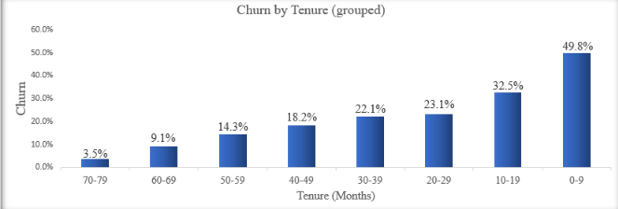

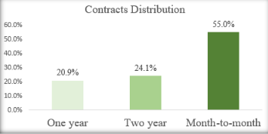
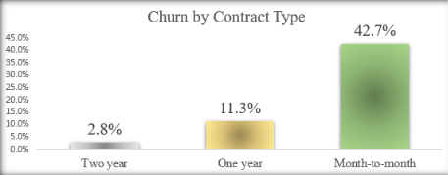

3. Automatic payment
Why: electronic check customers churn at roughly three times the rate of automatic payers.
Action: Run a campaign offering a small credit for setting up automatic payment.
Measure: share who switch, and whether their churn drops.
4. Tech support pilot for fiber customers
Why: fiber customers pay more and churn more, and customers without tech support churn at 41.6% overall.
Action: Give a free tech support trial to a sample of at-risk fiber customers and keep a comparison group without it.
Measure: churn in both groups after 3-6 months.

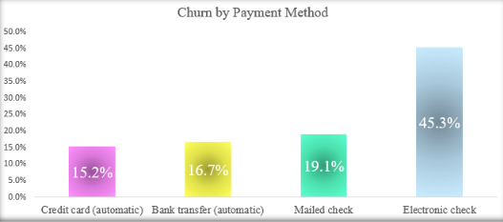
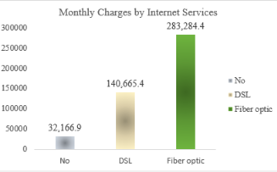
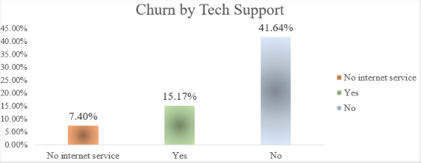

internet
(has tech support)
(no tech support)

analysis
Churn Distribution
Row Labels | Count of Churn
No | 73.46%
Yes | 26.54%
Grand Total | 100.00%

most customers are staying

Contracts Distribution
Row Labels | Count of Contract
One year | 20.9%
Two year | 24.1%
Month-to-month | 55.0%
Grand Total | 100.0%

most contracts are Month-to-Month

Row Labels | Average of ChurnFlag
Two year | 2.8%
One year | 11.3%
Churn by Contract Type
Month-to-month | 42.7%
Grand Total | 26.5%

Month-to-month contracts (the majority of contracts) have the biggest churn

Row Labels | Average of ChurnFlag
70-79 | 3.5%
60-69 | 9.1%
50-59 | 14.3%
40-49 | 18.2%
30-39 | 22.1%
Churn by Tenure (grouped)
20-29 | 23.1%
10-19 | 32.5%
0-9 | 49.8%
Grand Total | 26.5%

0-9 months group has the highest churn

Churn by Payment Method
Row Labels | Average of ChurnFlag
Credit card (automatic) | 15.2%
Bank transfer (automatic) | 16.7%
Mailed check | 19.1%
Electronic check | 45.3%
the Electronic check method has the highest churn
Grand Total | 26.5%

Churn by Tech Support
Row Labels | Average of ChurnFlag
No internet service | 7.40%
Yes | 15.17%
No | 41.64%
Grand Total | 26.54%
(Tech support's status: no) has the highest churn

Churn by Average Monthly Charges
Row Labels | Average of MonthlyCharges
No | 61.3
Yes | 74.4
Grand Total | 64.8

the bigger average monthly charges have a higer churn

Row Labels | Average of ChurnFlag
No | 7.4%
DSL | 19.0%
Fiber optic | 41.9%
Grand Total | 26.5%

Churn by Internet Service

Fiber optics service has the highest churn among the Internet Services
Row Labels | Average of MonthlyCharges
No | $21.1
DSL | $58.1
Fiber optic | $91.5
Grand Total | $64.8

Average Monthly Charges by Internet Services

Fiber optics service has the highest average monthly charge among the Internet Services

