site page
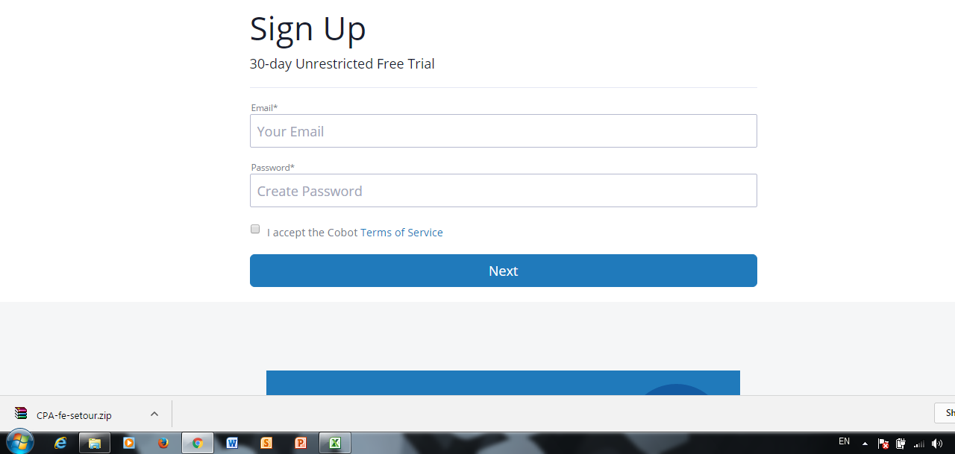
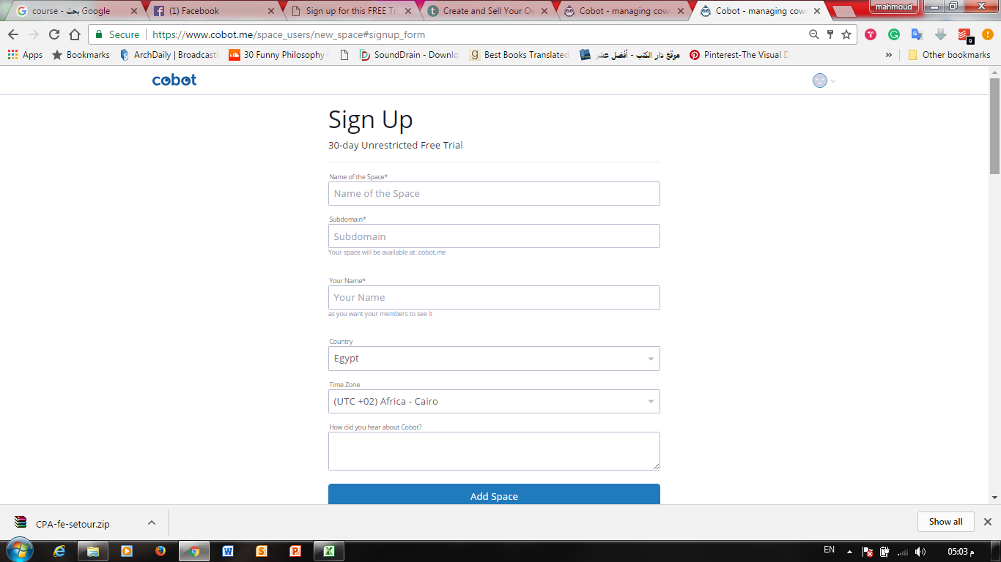
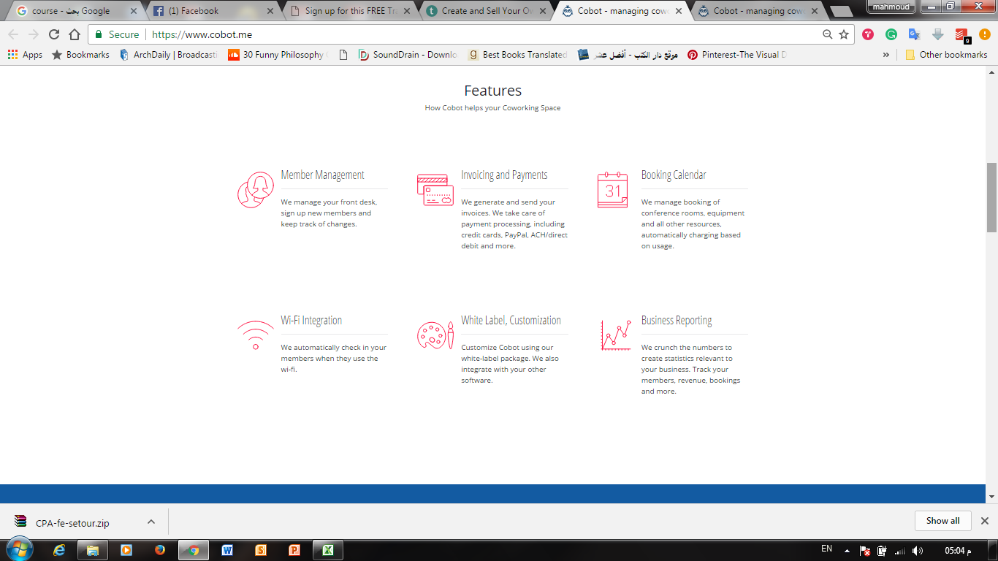
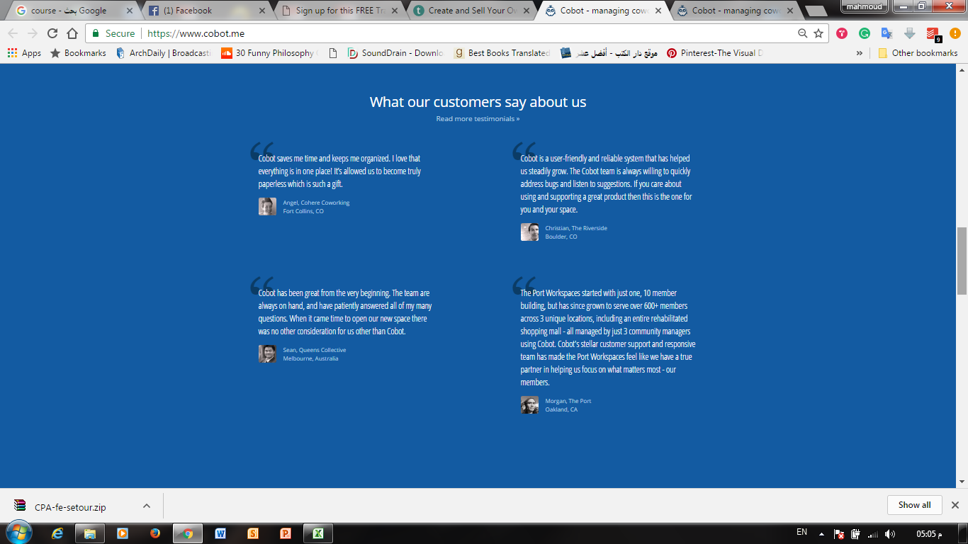
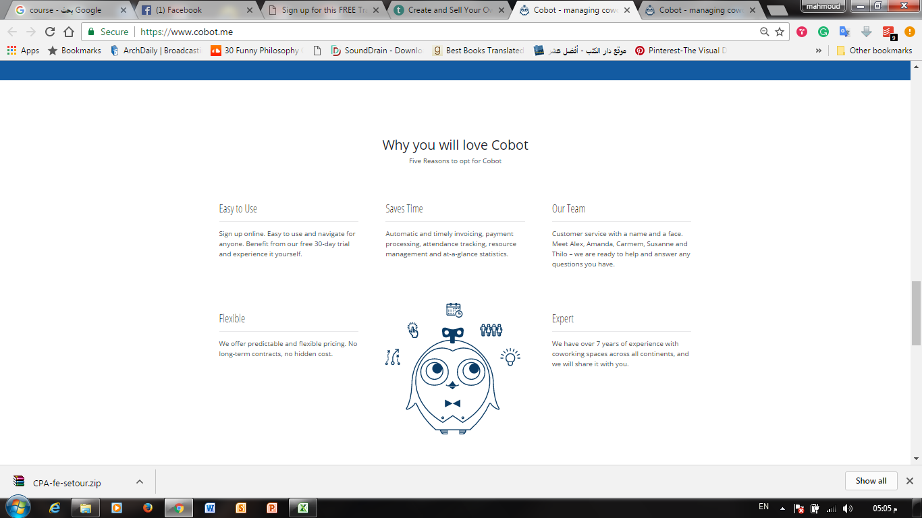
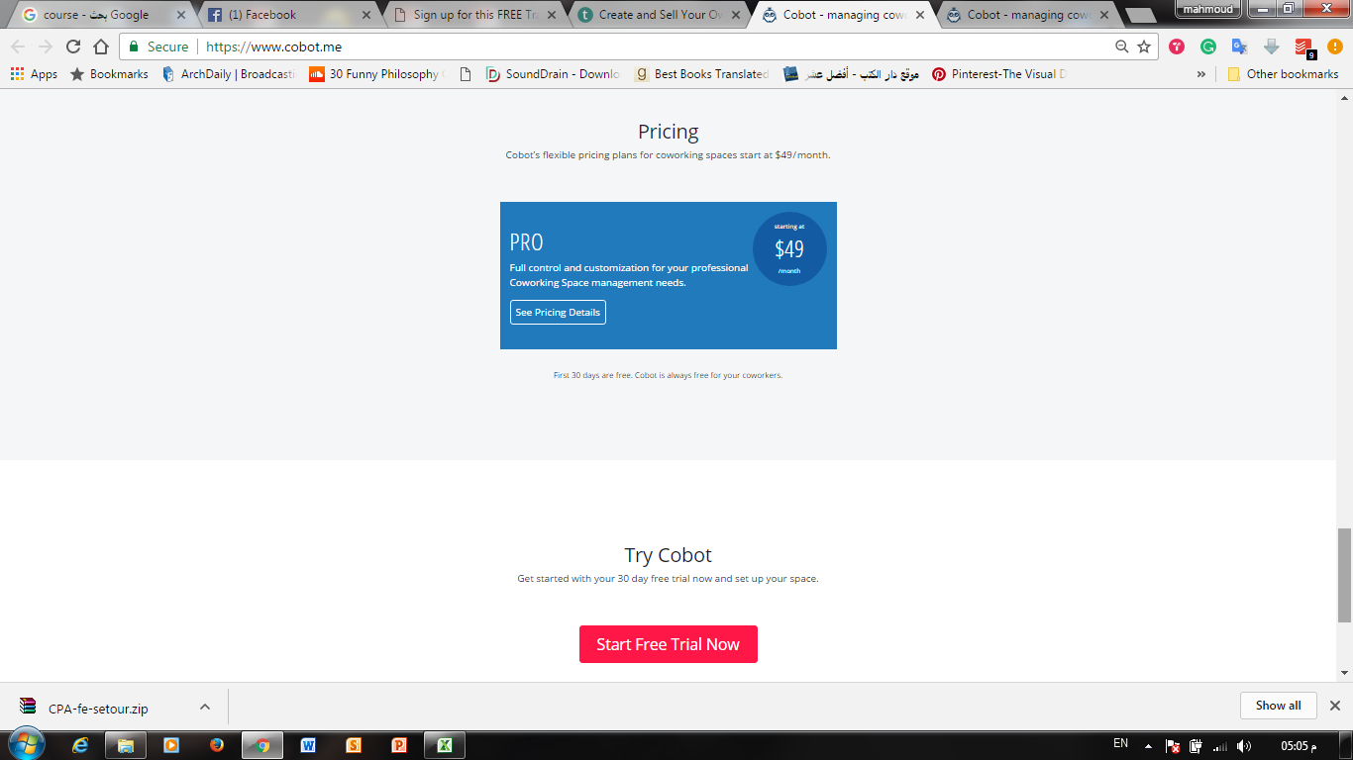
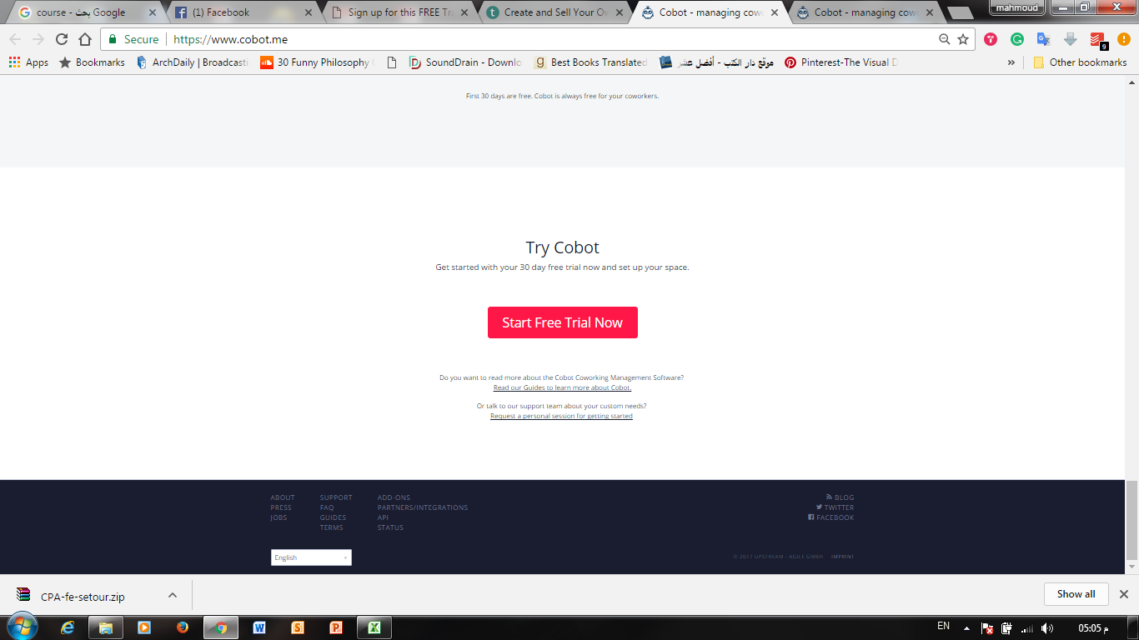
Log in
Password
Email
keep me loged in
forget your password

sign up

Rezzmi Help you connect with Learning Community

Start Now

About Us | Rezzmi for Business | Affiliates | Support | English | Terms | Privacy Policy| Intellectual Property| Copyright © 2017 Rizzmi y, Inc

ri mi
z
z

sign up page
what do you want to learn?
Email
Password
First name
Email
Day
By clicking sign up, you agree to our Terms and confirm that you have read and agree our Data Policy
Birthday
Phone Number
New Password
Last name
Male
Female
Month
Year
Sign UP....
Sign UP
or
Log in
X
Features
About
Contact us

Rezzmi Helps you connect with Learning Community

Your customers and experiences are unique and valuable.Easily manage , analayz and understand your data ,be smart and join now to increase your revenus.

ri mi
z
z

sign up page (2)
what do you want to learn?
Email
Password
First name
Email
Day
By clicking sign up, you agree to our Terms and confirm that you have read and agree our Data Policy
Birthday
Phone Number
New Password
Last name
Male
Female
Month
Year
Sign UP....
Sign UP
or
Iam ?
organization
Next
Ex :trainers, training center , coworking spaces
Instructor
Ex :trainers, training center , coworking spaces
Log in

Features
About
Contact us

Rezzmi Helps you connect with Learning Community

Your customers and experiences are unique and valuable.Easily manage , analayz and understand your data ,be smart and join now to increase your revenus.

ri mi
z
z

sign up page (3)
what do you want to learn?
Email
Password
First name
Email
Day
By clicking sign up, you agree to our Terms and confirm that you have read and agree our Data Policy
Birthday
Phone Number
New Password
Last name
Male
Female
Month
Year
Sign UP....
Sign UP
or
Iam ?
Student
Instructor/organization
Next
Ex :trainers, training center , coworking spaces
Name of Instructor/Organization *
Done
User Name / Subdomain*
Country *
State*
Emails to students will be sent from this address
Log in
X
Features
About
Contact us

f

www.rizzmi.com/

Rezzmi Helps you connect with Learning Community

Your customers and experiences are unique and valuable.Easily manage , analayz and understand your data ,be smart and join now to increase your revenus.

ri mi
z
z

User Home-my profile-Setting
mahmoud sakr

 | Test :This page of course details which your customers see



 |  | Name of instructor/organaization *

Mahmoud Sakr
Mahmoud Sakr

 |  |  |  | Edit

 |  | Subdomain *
Sakr30

 |  | www.rizmy.com/
Basic info

Business info
 |  | Country * | State *

 |  | Default language *

English

 |  | Time zone *

Cairo +0000

Update

About Us Rezzmi for Business Become an Instructor Affiliates Blog Topics Mobile Apps Support Careers Resources
English Copyright © 2017 Udemy, Inc. Terms Privacy Policy Intellectual Property

User Home-my profile-Settin (2
mahmoud sakr

 | Test :This page of course details which your customers see

 |  | Your logo/profile * |  | Home Page cover *

Mahmoud Sakr


upload photo
upload photo
 |  | Will be shown in the header (max. 500x48px)
Basic info |  |  |  | Will be shown at the top of your home page (max. 1080x200px, upload 2x for retina displays)
 |  | X Remove
 |  |  |  |  |  | X Remove
Business info

 |  | About *

ftext ftext ftext ftext

 |  | describe your business

 |  | Address * |  |  | Select your location *

ftext ftext ftext ftext
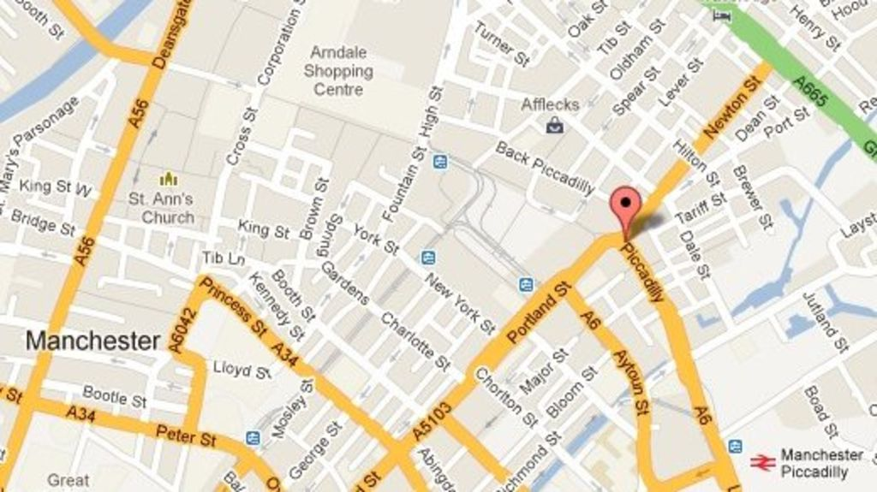

 |  | describ your business

 |  | Open time | Close time

00:00
Am
00:00
Am

 |  | weekly holidays

Fri , Sat
Sat

 |  | Phones

0123456789
+

 |  | Business Email (Default)

 |  | Website

Update

About Us Rezzmi for Business Become an Instructor Affiliates Blog Topics Mobile Apps Support Careers Resources
English Copyright © 2017 Udemy, Inc. Terms Privacy Policy Intellectual Property

