Sheet1
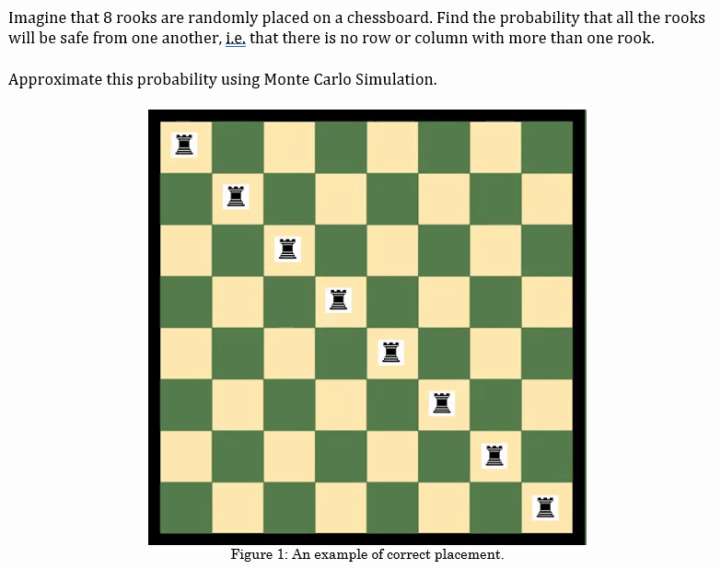
 |  |  |  |  |  |  |  | 0 | 0 | 25
 |  |  |  |  |  |  |  | 0 | 0 | 58
1 | 1 |  |  |  |  |  |  | 2 | 0 | 29
1 |  |  | 1 | 1 |  |  |  | 3 | 0 | 60
 |  |  |  |  |  |  |  | 0 | 0 | 28
 |  |  |  |  |  |  |  | 0 | 0 | 17
 |  |  |  |  |  |  |  | 0 | 0 | 63
 | 1 |  | 1 |  |  | 1 |  | 3 | 0 | 18
2 | 2 | 0 | 2 | 1 | 0 | 1 | 0 |  | 0
0 | 0 | 0 | 0 | 1 | 0 | 1 | 0 |  | 0

1 | 2 | 3 | 4 | 5 | 6 | 7 | 8
9 | 10 | 11 | 12 | 13 | 14 | 15 | 16
17 | 18 | 19 | 20 | 21 | 22 | 23 | 24
25 | 26 | 27 | 28 | 29 | 30 | 31 | 32
33 | 34 | 35 | 36 | 37 | 38 | 39 | 40
41 | 42 | 43 | 44 | 45 | 46 | 47 | 48
49 | 50 | 51 | 52 | 53 | 54 | 55 | 56
57 | 58 | 59 | 60 | 61 | 62 | 63 | 64

