Bug Report Template Examples
Bug ID | Bug Title | Steps To Reproduce | Expected Result | Actual Result | Severity | Priority | Environment | Reporter | Assigned To | Attachments | Status
BUG-L01 | Incomplete Translation — Hotel description and amenities remain in English after switching to Arabic | 1- Open https://phptravels.net 2- Switch language to Arabic from top navbar 3- Search for any hotel 4- Open hotel details page 5- Observe hotel description and amenities section | All page content including hotel description and amenities should be fully translated to Arabic | Hotel description and amenities (Free WiFi, Swimming Pool, Parking, etc.) remain displayed in English despite Arabic language being selected | High | Medium | Device: HP G10 OS: Windows 11 Browser: Chrome Env: Demo URL: https://phptravels.net | Ahmed Mahrous | Frontend-Team | 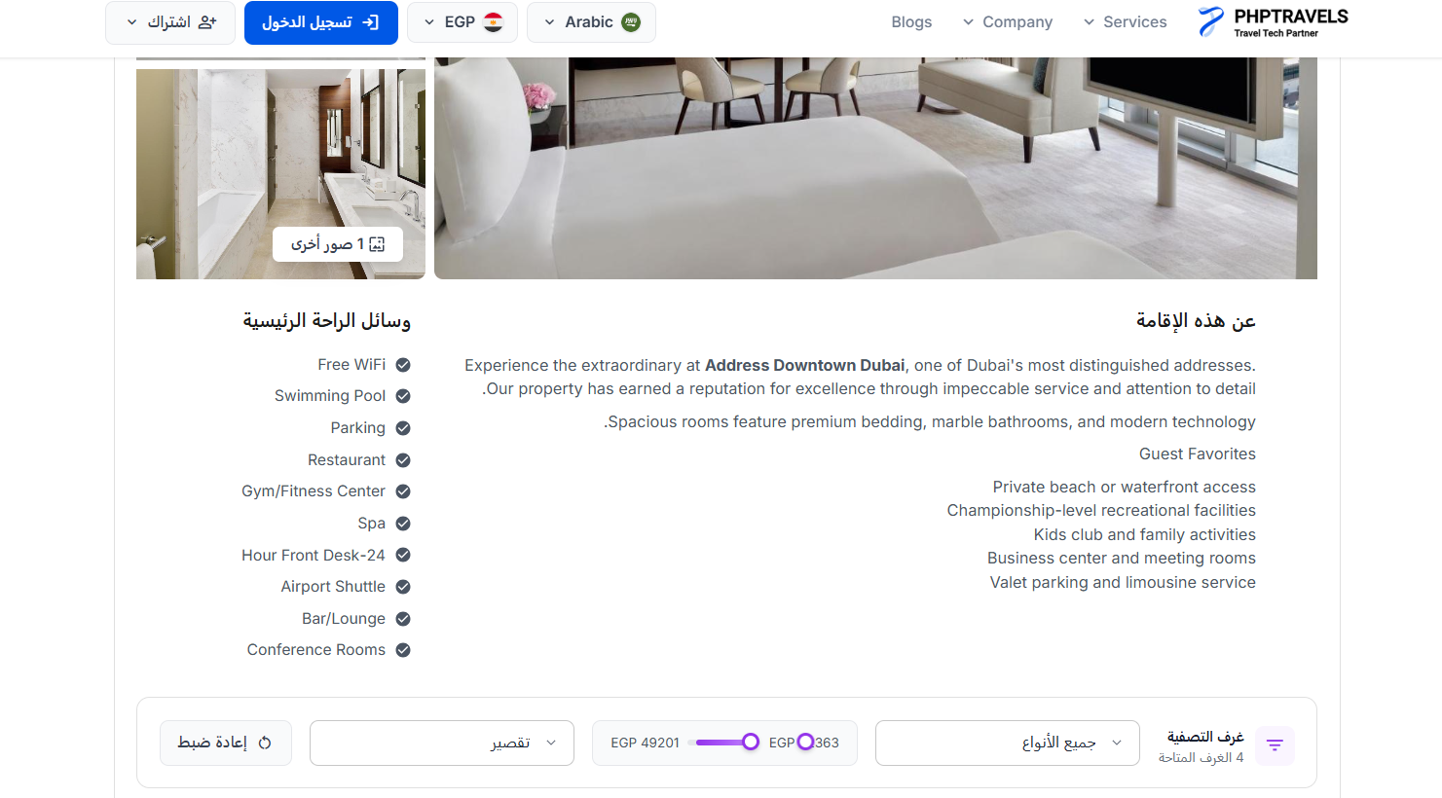 | Failed
BUG-L02 | Price Range Slider Broken in RTL/Arabic language — Numbers display incorrectly next to EGP symbol | 1- Open https://phptravels.net 2- Switch language to Arabic 3- Search for hotels in any city 4- On search results page observe the price range filter slider 5- Check the numbers displayed next to EGP symbol | Price range slider should display correctly in RTL mode with full numbers (e.g. EGP 3063 — EGP 49201) | Price range slider is broken — numbers appear incompleted | High | High | Device: HP G10 OS: Windows 11 Browser: Chrome Env: Demo URL: https://phptravels.net | Ahmed Mahrous | Frontend-Team |  | Failed
BUG-CU04 | Quantity button UI broken in RTL/Arabic mode | 1- Open https://phptravels.net 2- Switch language to Arabic 3- Search for hotels in any city 4- On search results page observe the Quantity button | Quantity button displays correctly | Quantity button UI is broken | LOW | LOW | Device: HP G10 OS: Windows 11 Browser: Chrome Env: Demo URL: https://phptravels.net | Ahmed Mahrous | Frontend-Team |  | Failed

