Bug Report Template Examples
Bug ID | Bug Title | Steps To Reproduce | Expected Result | Actual Result | Severity | Priority | Environment | Reporter | Assigned To | Attachments | Status
BUG-M5-01 | Header Services menu shows different items depending on which page you are on | 1- open https://phptravels.net (home page) 2- click the Services dropdown in the top navigation bar 3- write down all menu items shown 4- navigate to https://phptravels.net/page/contact-us 5- click Services dropdown again 6- compare both lists | the same services menu links should appear on every page — no difference between pages | home page Services shows only 2 items: Cars, Stays contact us page shows 6 items: Visa, Flights, Cars, Tours, Stays, Become a Supplier this means a user browsing from the home page has no idea that Flights or Visa booking even exist on the site — they are completely hidden | Major | High | Device: HP G10 OS: Windows 11 Browser: Chrome Env: Demo URL: https://phptravels.net | Ahmed Mahrous | Frontend-Team | 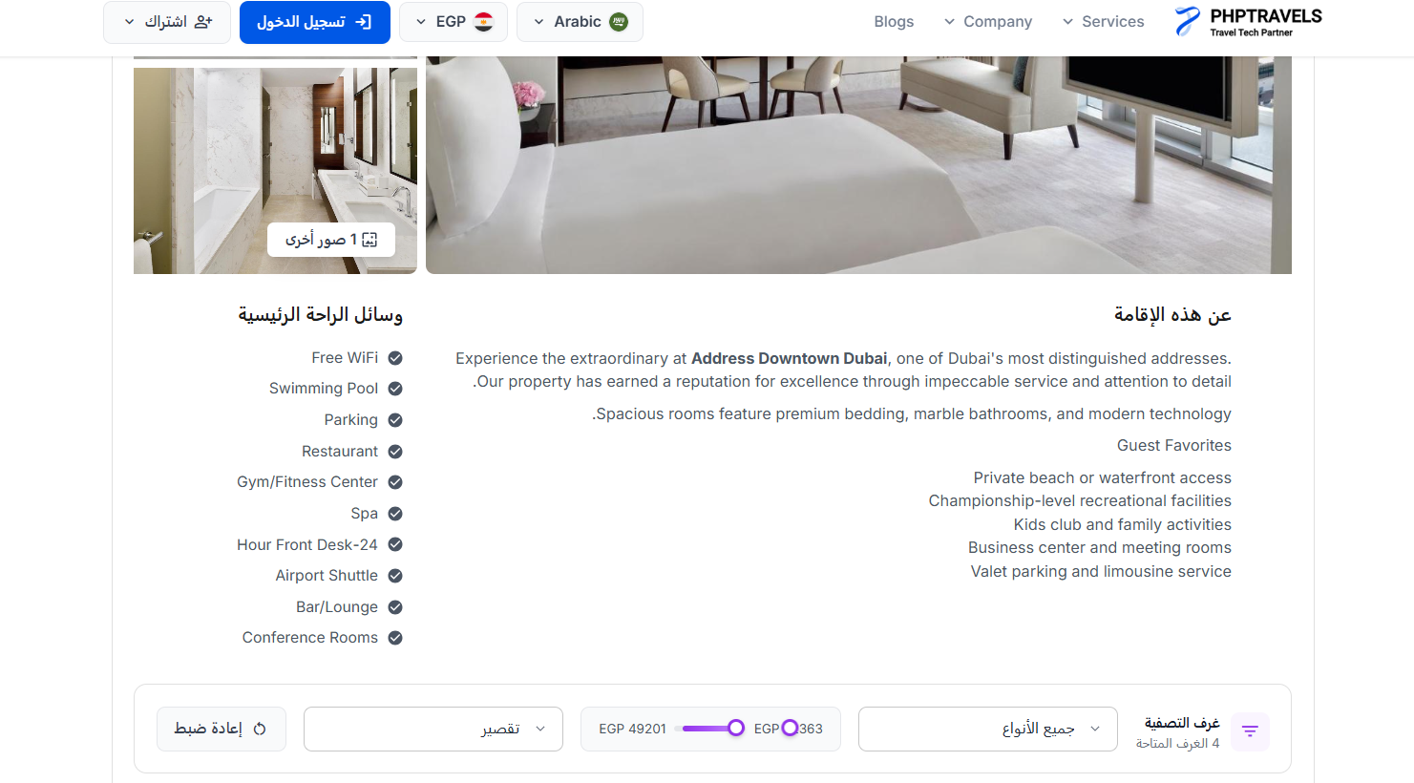 | Failed
BUG-M5-02 | Currency dropdown shows different default and different options on different pages | 1- open https://phptravels.net home page 2- click the currency dropdown in the header 3- note: default currency + all available options 4- go to https://phptravels.net/page/contact-us 5- click currency dropdown again 6- compare | same default currency and same list of available currencies should appear everywhere on the site | home page: default = USD, only 1 currency option available (USD only) contact us page: default = AUD, 6 currencies available (AUD, USD, GBP, SAR, EUR, NGN) each page seems to have its own separate locale config instead of a shared global setting — user switching currency on one page wont carry over to another | Minor | Medium | Device: HP G10 OS: Windows 11 Browser: Chrome Env: Demo URL: https://phptravels.net | Ahmed Mahrous | Backend-Team |  | Failed
BUG-M5-03 | Newsletter subscription form is missing from the homepage footer | 1- open https://phptravels.net in a browser 2- wait for the page to fully load (including JavaScript) 3- scroll all the way to the bottom footer section 4- look for any email input field or Subscribe button related to newsletter | a newsletter subscription form with an email input and subscribe button should be visible in the footer section of the homepage | no newsletter form found anywhere in the footer after full page load — the footer only shows navigation links and company info users have no way to subscribe to the newsletter from the homepage at all | Major | High | Device: HP G10 OS: Windows 11 Browser: Chrome Env: Demo URL: https://phptravels.net | Ahmed Mahrous | Frontend-Team |  | Failed
BUG-M5-04 | Newsletter form has no CAPTCHA — anyone or any bot can spam subscribe | 1- open https://phptravels.net 2- go to the newsletter form (if visible in footer) 3- check for any reCAPTCHA or bot verification challenge 4- try submitting the form directly without solving any challenge 5- observe if submission goes through | a CAPTCHA or bot-protection challenge must be required before any subscription is processed — this protects the mailing list from spam | no CAPTCHA or any kind of bot verification found on the newsletter form form submits successfully without any challenge being shown this means anyone can run an automated script to flood the subscriber list with fake or spam email addresses, which could also abuse the email sending server | Major | High | Device: HP G10 OS: Windows 11 Browser: Chrome Env: Demo URL: https://phptravels.net | Ahmed Mahrous | Backend-Team |  | Failed

