Executive Overview
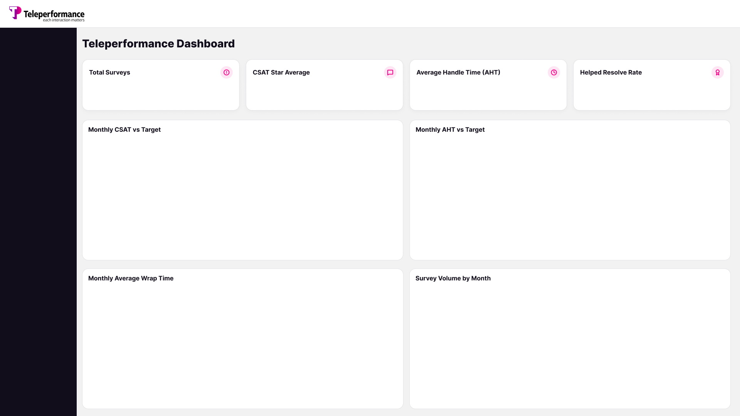

12,954
3.8
38.74
73.27%
CSAT Under the target by 0.4
AHT Higher than the target by 10.7

 | CSAT Average | CSAT Target
Jan | 3.7 | 4.2
Feb | 3.9 | 4.2
Mar | 4.0 | 4.2
 | AHT | AHT Target
Jan | 38.28 | 28
Feb | 40.11 | 28
Mar | 38.00 | 28

 | Total
Jan | 5413
Feb | 3833
Mar | 3708
 | Total
Jan | 2.4
Feb | 2.6
Mar | 2.5

Consult Outcome Analysis
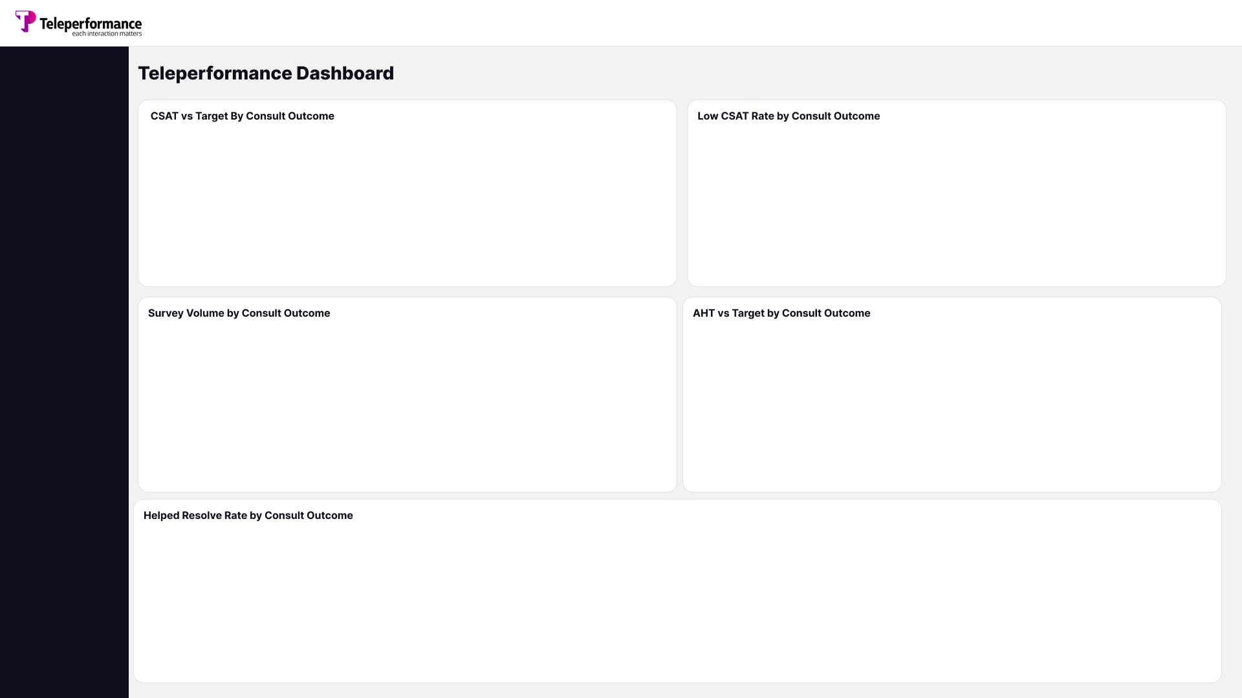

 | CSAT Average | CSAT Target
Issue Code 1 | 4.3 | 4.2
Issue Code 2 | 2.7 | 4.2
Issue Code 3 | 3.8 | 4.2
Issue Code 6 | 3.6 | 4.2
Issue Code 9 | 4.6 | 4.2
Issue Code 8 | 4.5 | 4.2
Issue Code 4 | 3.0 | 4.2
Issue Code 7 | 4.4 | 4.2
Issue Code 5 | 2.6 | 4.2
 | Total
Issue Code 5 | 51.37%
Issue Code 2 | 41.34%
Issue Code 4 | 34.53%
Issue Code 6 | 19.98%
Issue Code 3 | 12.81%
Issue Code 9 | 10.00%
Issue Code 8 | 9.38%
Issue Code 1 | 7.41%
Issue Code 7 | 4.56%

 | Total
Issue Code 1 | 5507
Issue Code 7 | 1866
Issue Code 2 | 1587
Issue Code 3 | 1241
Issue Code 6 | 1211
Issue Code 4 | 892
Issue Code 5 | 584
Issue Code 8 | 32
Issue Code 9 | 30
Issue Code 12 | 2
Issue Code 10 | 1
Issue Code 11 | 1
 | AHT | AHT Target
Issue Code 8 | 98.67 | 28
Issue Code 11 | 84.78 | 28
Issue Code 9 | 60.42 | 28
Issue Code 7 | 49.57 | 28
Issue Code 12 | 45.43 | 28
Issue Code 1 | 42.17 | 28
Issue Code 6 | 41.15 | 28
Issue Code 4 | 40.95 | 28
Issue Code 3 | 26.43 | 28
Issue Code 5 | 25.92 | 28
Issue Code 2 | 23.78 | 28
Issue Code 10 | 5.00 | 28

 | Total
Issue Code 2 | 32.20%
Issue Code 5 | 38.70%
Issue Code 4 | 46.19%
Issue Code 6 | 68.04%
Issue Code 3 | 77.36%
Issue Code 8 | 84.38%
Issue Code 1 | 87.22%
Issue Code 7 | 90.89%
Issue Code 9 | 93.33%
Issue Code 10 | 100.00%
Issue Code 11 | 100.00%
Issue Code 12 | 100.00%

