Design
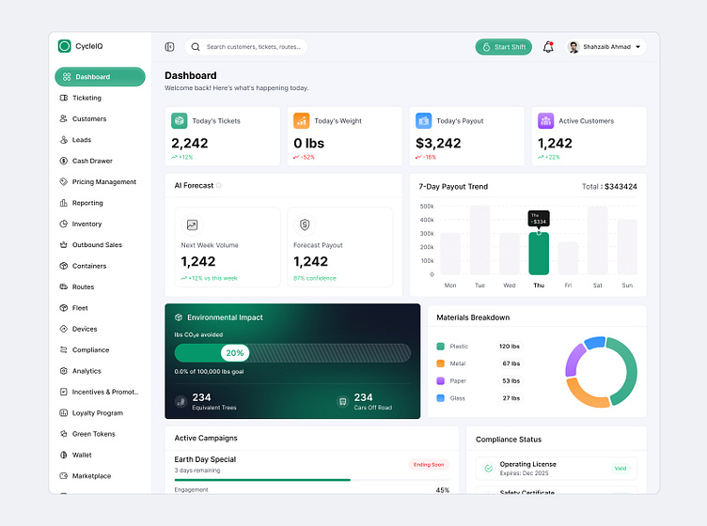

Executive Overview_1

Seoudi Supermarket - Executive Overview Dashboard

Total Customers
Total Revenue
$275,064
Avg. Orders
6.95
Avg. Rating
5.40
Loyalty %
49%

1000

Executive Overview

December Registers Lowest Monthly Sales
 | Sum of Purchase_Amount | Count of Customer_ID
Jan | $19,089 | 75
Feb | $20,294 | 68
Mar | $27,410 | 93
Apr | $28,617 | 100
May | $18,659 | 76
Jun | $25,253 | 89
Jul | $25,261 | 94
Aug | $27,473 | 98
Sep | $24,055 | 84
Oct | $19,492 | 79
Nov | $21,603 | 80
Dec | $17,857 | 64
Discounts Drive 48% of Purchases
 | Sum of Purchase_Amount
Mixed | $95,164
Online | $91,604
In-Store | $88,295
Mixed Channel Generates Highest Revenue
 | Count of Customer_ID
YES | 521
NO | 479
Customer Segment

 | Count of Customer_ID
18-26 | 256
27-35 | 274
36-44 | 287
45-50 | 183
Age Group 36–44 Represents Largest Customer Base
 | Sum of Purchase_Amount
Jewelry & Accessories | $15,139
Sports & Outdoors | $14,611
Electronics | $13,842
Software & Apps | $13,601
Toys & Games | $13,536
Jewelry & Sports Top Product Revenue

Executive Overview_1 (2)
Seoudi Supermarket - Executive Overview Dashboard

Total Customers
Total Revenue
$275,064
Avg. Orders
6.95
Avg. Rating
5.40
Loyalty %
49%

1000

Executive Overview

The 36–44 age bracket represents the largest customer segment
 | Count of Customer_ID
18-26 | 256
27-35 | 274
36-44 | 287
45-50 | 183
High Income customers generate the highest total
 | Count of Customer_ID
High | 515
Middle | 485

Customer Segment

 | Total
Bachelor's | 341
High School | 331
Master's | 328
Bachelor's degree holders represent the largest customer base
 | Female | Male
Jewelry & Accessories | 29 | 17
Electronics | 28 | 20
Toys & Games | 24 | 21
Sports & Outdoors | 23 | 23
Home Appliances | 15 | 28
Female customers drive higher sales volume across most product categories

