Sheet1
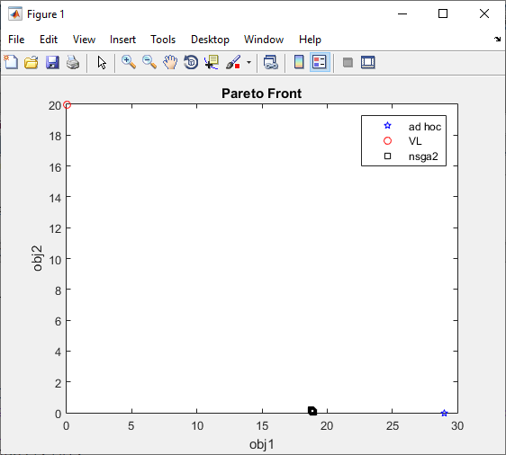
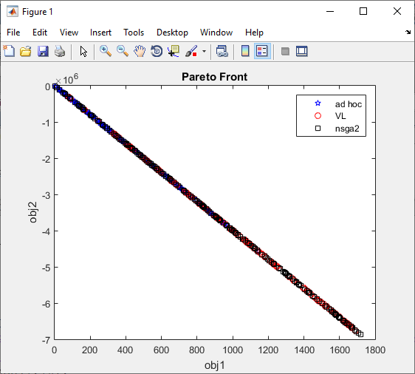
VMOPSO First Version
 | population Size: 200 |  | iterations: 200 | maximum length: 20 | enhancement_timeout: 5 | mimimum class members: 5
 | Set Coverage |  |  |  |  |  |  |  | NDS

Scenario | objFun | nObj | C(vl,mopso) | C(mopso,vl) | C(vl,nsga2) | C(nsga2,vl) |  | Scenario | objFun | nObj | VL | AdHOC Mopso | ADHOC nsga2
1 | Griewanks_Rastrigin | 2 | 0.02 | 0.005 | 0 | 0.005 |  | 1 | Griewanks_Rastrigin | 2 | 199 | 200 | 200
2 | Griewanks_sphere | 2 | 0.005 | 0 | 0.015 | 0 |  | 2 | Griewanks_sphere | 2 | 200 | 199 | 200
3 | Rosen_Ackley | 2 | 0 | 0 | 0 | 0 |  | 3 | Rosen_Ackley | 2 | 4 | 200 | 200
4 | osen_Ackley_DRastrigin | 3 | 0 | 0.57 | 0.13 | 0.1 |  | 4 | osen_Ackley_DRastrigin | 3 | 86 | 67 | 200
5 | Rosen_Griewanks | 2 | 0.13 | 0.6 | 0.07 | 0.77 |  | 5 | Rosen_Griewanks | 2 | 84 | 38 | 200
6 | Rosen_Griewanks_Rastrigin | 3 | 0 | 0 | 0 | 0 |  | 6 | Rosen_Griewanks_Rastrigin | 3 | 200 | 194 | 200
7 | Rosen_sphere | 2 | 0.6 | 0.19 | 0.09 | 0.47 |  | 7 | Rosen_sphere | 2 | 81 | 39 | 200
8 | sphere_Ackley_DRastrigin | 3 | 0 | 0 | 0 | 0 |  | 8 | sphere_Ackley_DRastrigin | 3 | 199 | 200 | 200
9 | sphere_Ackley_Rastrigin | 3 | 0.01 | 0 | 0.005 | 0 |  | 9 | sphere_Ackley_Rastrigin | 3 | 198 | 200 | 200
10 | Weierstrass_Griewanks | 2 | 0.38 | 0.2 | 1 | 0 |  | 10 | Weierstrass_Griewanks | 2 | 35 | 26 | 200
Score |  |  | 5 | 2 | 4 | 3 |  | Score |  |  | 2 | 4 | 10

 | RGD |  |  |  |  |  |  | HV

Scenario | objFun | nObj | VL | AdHOC Mopso | ADHOC nsga2 |  | Scenario | objFun | nObj | VL | AdHOC Mopso | ADHOC nsga2
1 | Griewanks_Rastrigin | 2 | 1 | 0 | 0 |  | 1 | Griewanks_Rastrigin | 2 | 0 | 0 | 1
2 | Griewanks_sphere | 2 | 1 | 0 | 0 |  | 2 | Griewanks_sphere | 2 | 0 | 0 | 1
3 | Rosen_Ackley | 2 | 0 | 0 | 1 |  | 3 | Rosen_Ackley | 2 | 0 | 0 | 1
4 | osen_Ackley_DRastrigin | 3 | 0 | 1 | 0 |  | 4 | osen_Ackley_DRastrigin | 3 | 0 | 0 | 1
5 | Rosen_Griewanks | 2 | 0 | 1 | 0 |  | 5 | Rosen_Griewanks | 2 | 0 | 0 | 1
6 | Rosen_Griewanks_Rastrigin | 3 | 1 | 0 | 0 |  | 6 | Rosen_Griewanks_Rastrigin | 3 | 0 | 0 | 1
7 | Rosen_sphere | 2 | 0 | 1 | 0 |  | 7 | Rosen_sphere | 2 | 0 | 0 | 1
8 | sphere_Ackley_DRastrigin | 3 | 1 | 0 | 0 |  | 8 | sphere_Ackley_DRastrigin | 3 | 1 | 0 | 0
9 | sphere_Ackley_Rastrigin | 3 | 1 | 0 | 0 |  | 9 | sphere_Ackley_Rastrigin | 3 | 1 | 0 | 0
10 | Weierstrass_Griewanks | 2 | 0 | 0 | 1 |  | 10 | Weierstrass_Griewanks | 2 | 0 | 0 | 1
Score |  |  | 5 | 3 | 2 |  | Score |  |  | 2 | 0 | 8

 | Time (Second)
Scenario | objFun | nObj | VL | AdHOC Mopso | ADHOC nsga2
1 | Griewanks_Rastrigin | 2 | 45 | 1754 | 873
2 | Griewanks_sphere | 2 | 41 | 3120 | 830
3 | Rosen_Ackley | 2 | 48 | 1076 | 2289
4 | osen_Ackley_DRastrigin | 3 | 52 | 1488 | 992
5 | Rosen_Griewanks | 2 | 49 | 629 | 1185
6 | Rosen_Griewanks_Rastrigin | 3 | 59 | 690 | 98
7 | Rosen_sphere | 2 | 62 | 104 | 99
8 | sphere_Ackley_DRastrigin | 3 | 50 | 522 | 95
9 | sphere_Ackley_Rastrigin | 3 | 49 | 501 | 97
10 | Weierstrass_Griewanks | 2 | 108 | 107 | 129

 | Histogram of Classes For VLMOPSO |  |  |  |  | ParetoFront-Senario-7
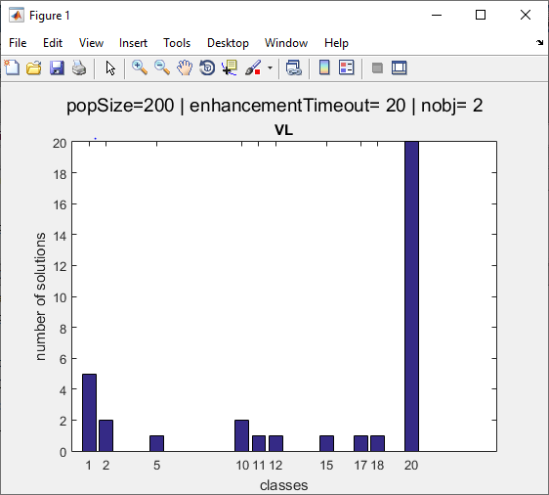
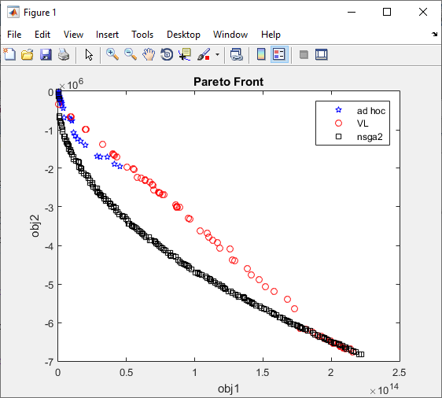

 | ParetoFront-Senario-3 |  |  |  |  | ParetoFront-Senario-2

