Bug Reports
Defect_ID | Defect Title/Issue | Pre-condition | Test Data | (Test-Steps)procedures | Expected Result | Actual Result | Attachment | Priority | Probability | Severity | Bug Type | Categorization | Test case ID | Defect Status | Req ID | Created by

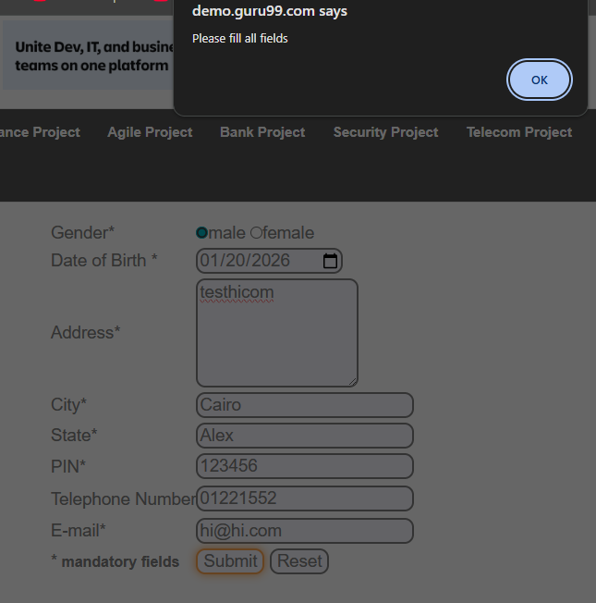
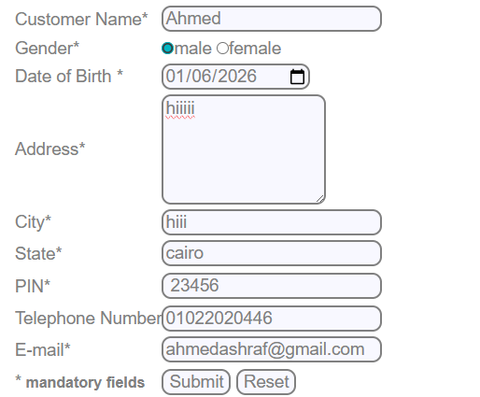
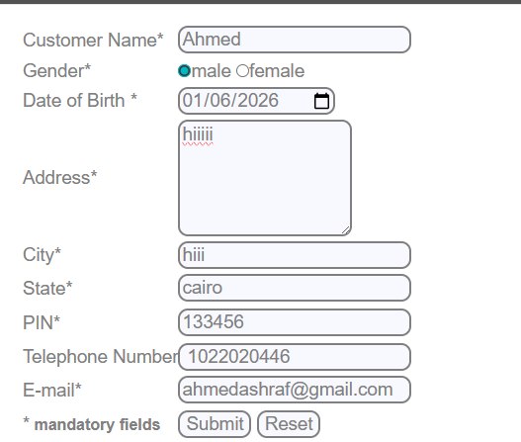

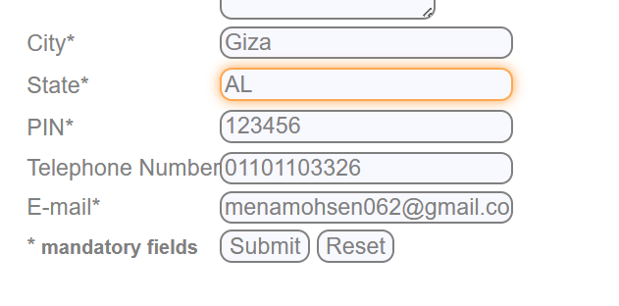

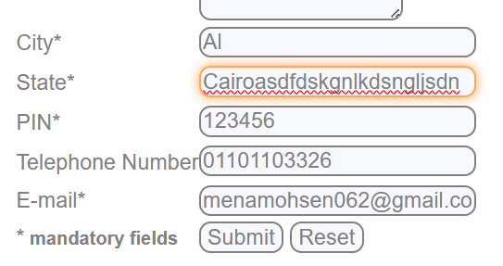
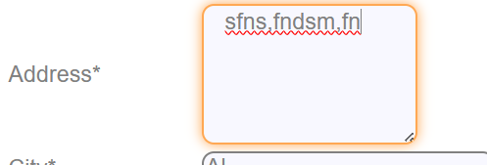

 |  |  |  |  |  |  | 

 |  |  |  |  |  |  | 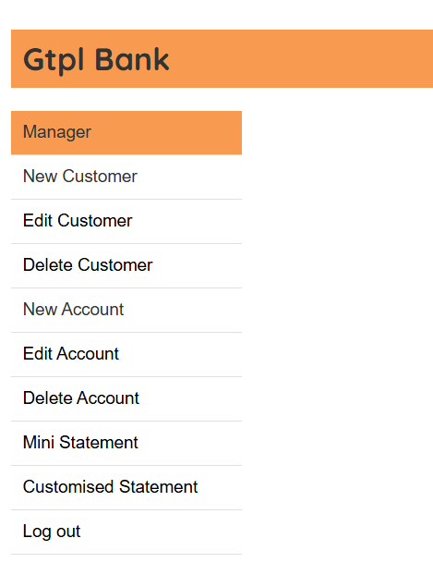

 |  |  |  |  |  |  | 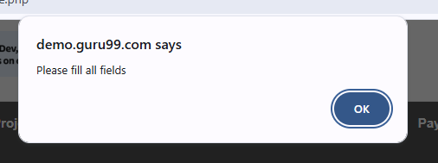
 |  |  |  |  |  |  | 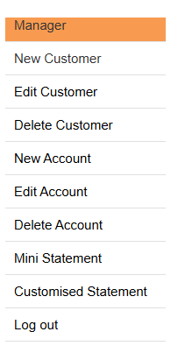

 |  |  |  |  |  | 