ESG
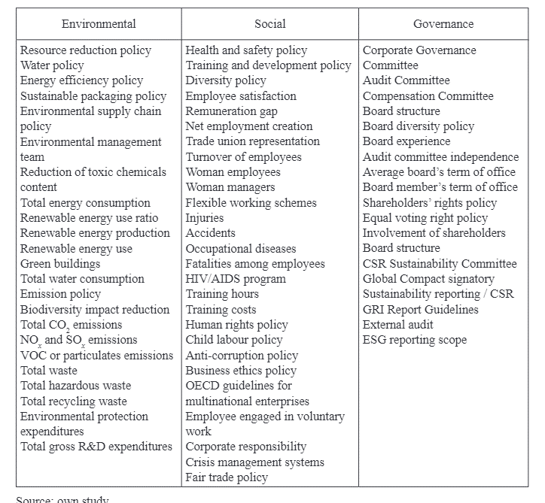
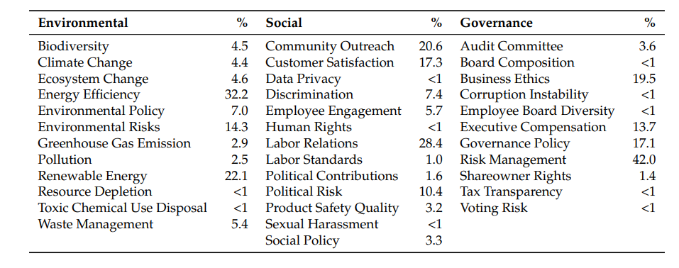
Pillar | Keywords
Environmental | Biodiversity, Carbon, Cleantech, Clean, Climate, Coal, Conservation, Ecosystem, Emission, Energy, Fuel, Green, Land, Natural, Pollution, Raw + Materials, Renewable, Resources, Sustainability, Sustainable, Toxic, Waste, Water
Social | Accident, Adult + Entertainment, Alcohol, Anti-personnel, Behavior, Charity, Child + Labor, Community, Controversial, Controversy, Discrimination, Gambling, Health, Human capital, Human rights, Inclusion, Injury, Labor, Munitions, Opposition, Pay, Philanthropic, Quality, Responsible
Governance | Advocacy, Bribery, Compensation, Competitive, Corruption, Data + Breach, Divestment, Fraud, Global + Compact, GRI, Global + Reporting + Initiative, Independent, Justice, Stability, Stewardship, Transparency

