Container 12
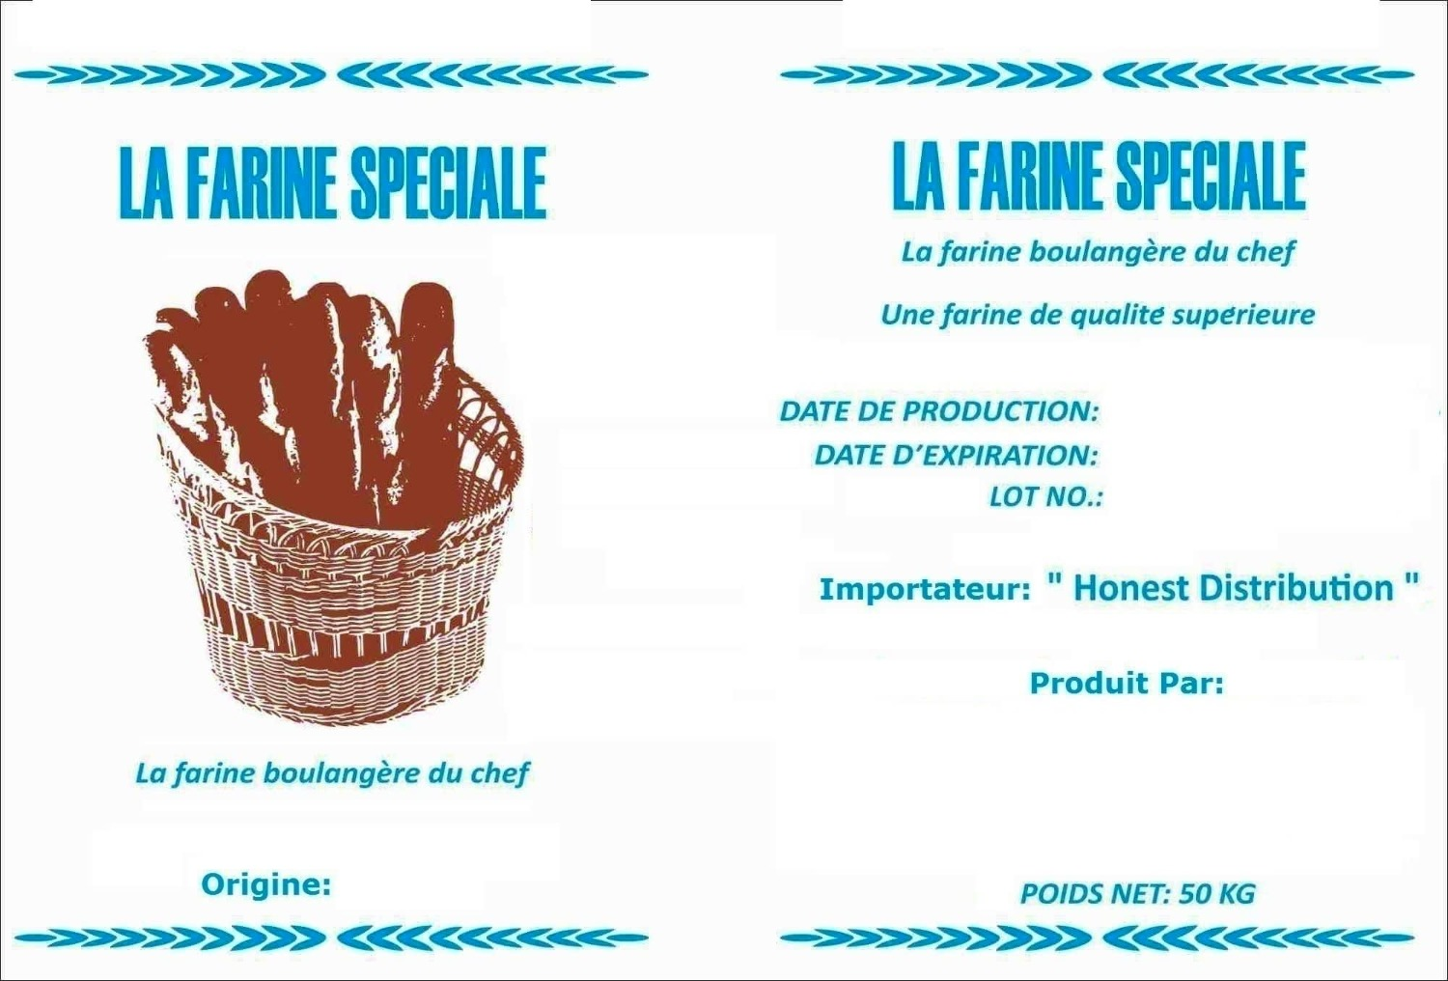

ContainerNo | NetWeight | Column2 | Column1 | ContainerNumberImagePath | WrappingContainerImagePath | FirstLoadingImagePath | HalfLoadingImagePath | EndLoadingImagePath | ClosedContainerImagePath
12 | 2

 |  | ContainerNumberImagePath |  | WrappingContainerImagePath


 |  | EmptyContainerImagePath |  | LoadedBagImagePath

Container 1

ContainerNo | NetWeight | LoadedBagImagePath | EmptyContainerImagePath | ContainerNumberImagePath | WrappingContainerImagePath | FirstLoadingImagePath | HalfLoadingImagePath | EndLoadingImagePath | ClosedContainerImagePath
1 | 23

