Sayfa1
Paper | Algorithms | Accuracy | False Negative (False Alarm) Rate | True Positive Rate

[1] | SVM J48 Naive Bayes Decision table | 0,98 0,99 0,83 0,98 | 0,02 0,01 0,16 0,01

[2]* | SSC-OCSVM (Sub-Space Clustering-One Class Support Vector Machine) SSC-EA(Sub-Space Clustering-Evidence Accumulation) DBSCAN(Density-Based Spatial Clustering of Applications with Noise) K-means |  | 0,08195 0,08575 0,06715 0,08175 | 0,846 0,741 0,763 0,771

[3] | Decision tree RandomForest Multinomial Logistic Regression Multinomial Naive Bayes | 0,8612 0,85 0,7556 0,7125

[4] | FER(Frequent Episode Rules) | 0.9407

[5] | KM(K-Means) KNN(k-Nearest Neighbor) FCM(Fuzzy C-Means) NB(Naive Bayes) SVM RBF(Radial Basis Function) Ensemble(Mix of above six) | 0.836 0.9754 0.836 0.9672 0.9426 0.9754 0.9672

[6] | k-Means improved k-Means k-Medoids EM clustering Distance-based outlier detection | 0,5781 0,6540 0,7671 0,7806 0,8015 | 0,2295 0,2152 0,2183 0,2074 0,2114

[7] | Fuzzy C-Means | 0.7425 | 0.021

[8] | SVM KNN(k-Nearest Neighbor) NB(Naive Bayes) NN(Neural Networks) DNN(Deep Neural Networks) Auto Encoder | 1.00 0.9980 0.9860 0.9990 0.9990 0.9860

[9] | k-Nearest Neighbor | 0.9946

[10] | Bagging Bayes Network Classifier Filtered Classifier k-Nearest Neighbor J48 LogItBoost RandomForest | 0,99567 0,9546 0,99288 0,99268 0,99553 0,95587 0,99625

[11] | SVM-LPBoost | 0,99 / 0,85 (U2R attacks)

[12] | Modified K-means SVM J.48 Naïve Bayes Decision Table PCA-LDA-SVM(Principle Component Analysis-Linear Discriminant Analysis-Support Vector Machine) Logistic Regression Decision Tree ANN(Artificial Neural Network) LDA(Linear Discriminant Analysis) CART(Classification and Regression Tree) Random Forest | 0,9575 0,989 0,9912 0,927 0,9945 0,9216 0,983 0,9981 0,98 0,981 0,9965 0,9965 |  |  | For paper [15], because of we cannot determine exact values, I put an image of metric.
 |  |  |  |  | 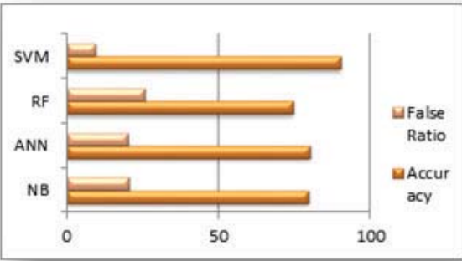
[13] | RandomForest J48 | 0,9967 0,9924 - 0,9928

[14] | Logistic regression SGD(Stochastic Gradient Descent) SVM RandomForest Sequential Model(Keras) | 0,88 0,97 0,975 0,995 0,96

[1] Machine learning algorithms in context of intrusion detection
[2] A Hybrid Unsupervised Clustering-Based Anomaly Detection Method *(I calculated the average of train and test sets of all attack types)
[3] Novel Machine Learning Technique for Intrusion Detection in Recent Network-based Attacks
[4] RESEARCH AND IMPLEMENTATION ON SNORT-BASED HYBRID INTRUSION DETECTION SYSTEM
[5] Evaluation of Machine Learning Techniques for Network Intrusion Detection
[6] Unsupervised clustering approach for network anomaly detection
[7] Application of Network Intrusion Detection Based on Fuzzy C-Means Clustering Algorithm
[8] Machine and Deep Learning Based Comparative Analysis Using Hybrid Approaches for Intrusion Detection System
[9] Statistical analysis of CIDDS-001 dataset for Network IntrusionDetection Systems using Distance-based Machine Learning
[10] Performance evaluation of machine learning algorithms for detecting abnormal data traffic in computer networks
[11] An integrated Intrusion Detection Model using consistency based feature selection and LPBoost
[12] Performance Analysis of Machine Learning Algorithms in Intrusion Detection System: A Review
[13] Random Forest Modeling for Network Intrusion Detection System
[14] Applying Machine Learning to Anomaly-Based Intrusion Detection Systems
[15] MLIDS: A Machine Learning Approach for Intrusion Detection for Real Time Network Dataset

