NUKE
 | 2026-02-27 | Location | Reactor 2 | Location | Reactor 3 | Location | Reactor 4 | Location | 2026-02-20 | MWe | Reactor 2 | MWe | Reactor 3 | MWe | Reactor 4 | MWe
 | Calvert Cliffs 1 | Lusby, MD | Browns Ferry 3 | Athens, AL | Byron 1 | Byron, IL | Grand Gulf 1 | Port Gibson, MS | Calvert Cliffs 1 | 877 | Hatch 1 | 876 | LaSalle 1 | 1137 | Grand Gulf 1 | 1401
NRC | Hope Creek 1 | Hancocks Bridge, NJ | Brunswick 1 | Southport, NC | LaSalle 1 | Marseilles, IL |  |  |  |  | Turkey Point 3 | 837 | Palisades | 805
 | Susquehanna 1 | Salem Township, Luzerne County, PA | Hatch 1 | Baxley, GA | Monticello | Monticello, MN
 |  |  | Summer | Jenkinsville, SC | Palisades | Covert, MI
 |  |  | Turkey Point 3 | Homestead, FL
 |  |  | Vogtle 1 | Waynesboro, GA

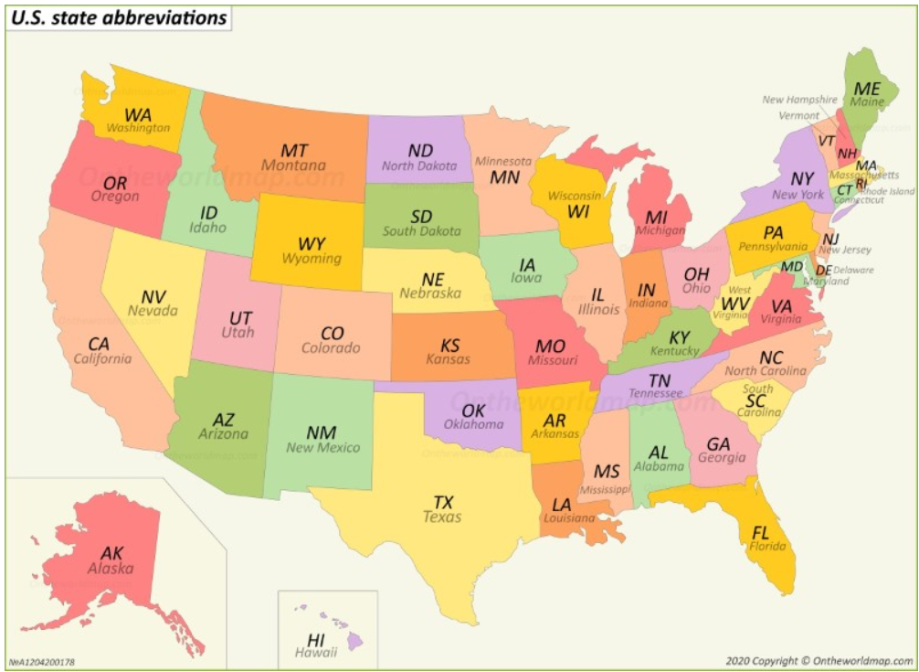
 |  |  |  |  |  |  |  |  | Today's Nuke Report
 |  |  |  |  |  |  |  |  | 2026-02-27 | Power | Reactor 2 | Power | Reactor 3 | Power | Reactor 4 | Power
 |  |  |  |  |  |  |  |  | Calvert Cliffs 1 | 0 | Browns Ferry 3 | 0 | Byron 1 | 87 | Grand Gulf 1 | 0
 |  |  |  |  |  |  |  |  | Hope Creek 1 | 0 | Brunswick 1 | 0 | LaSalle 1 | 0
 |  |  |  |  |  |  |  |  | Susquehanna 1 | 88 | Hatch 1 | 0 | Monticello | 0
Done |  |  |  |  |  |  |  |  |  |  | Summer | 86 | Palisades | 0
 |  |  |  |  |  |  |  |  |  |  | Turkey Point 3 | 0
 |  |  |  |  |  |  |  |  |  |  | Vogtle 1 | 0

2026-02-27

