Indicative Flow 1
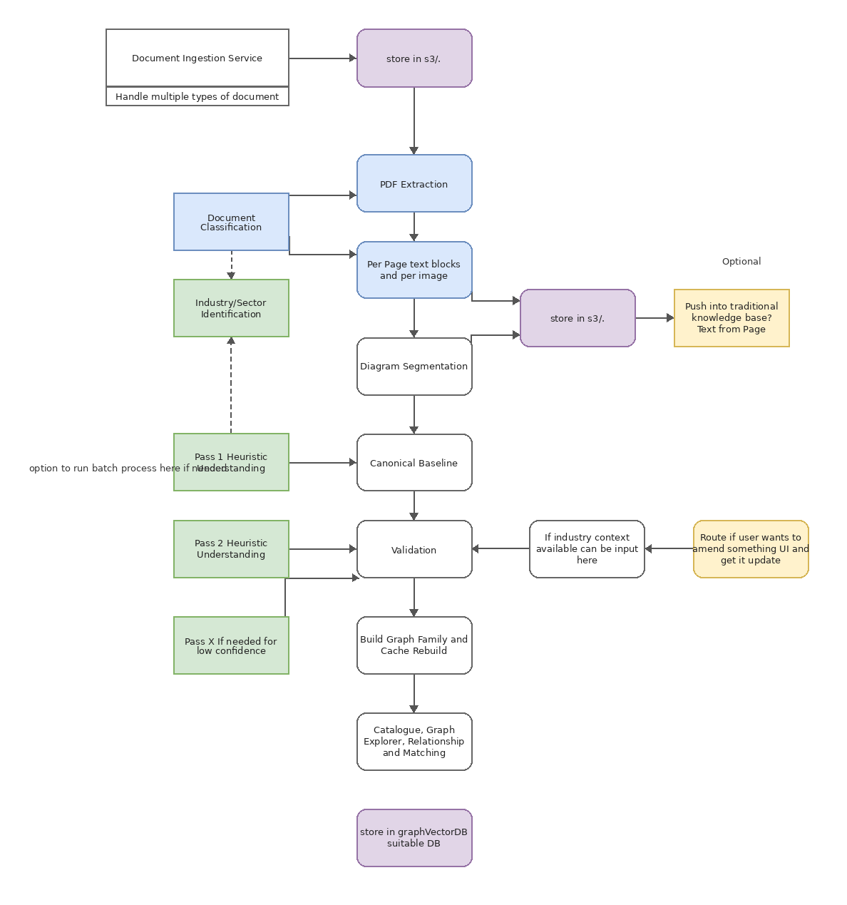
Indicative Diagram 1 — Original Document Graph Pipeline
Original flow showing ingestion, extraction, validation, graph build, and graph/vector DB storage.

Indicative only — based on the original uploaded draw.io diagram. It is not intended to be final implementation architecture.

Indicative Flow 2
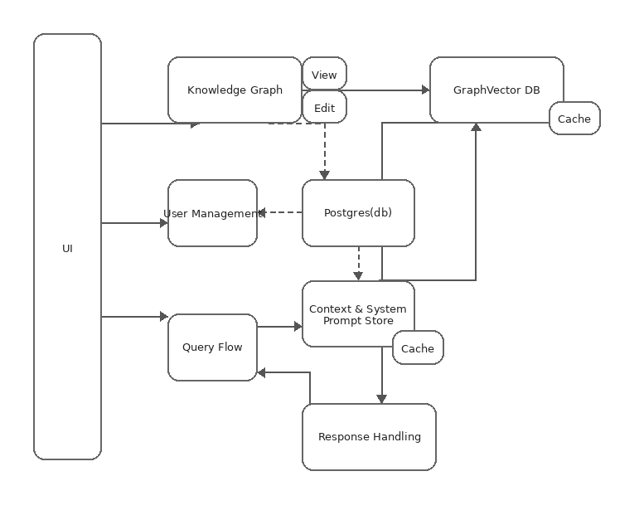
Indicative Diagram 2 — Original Query and UI Flow
Original flow showing UI, knowledge graph, graph/vector DB, query flow, context/prompt store, response handling, cache, and user management.

Indicative only — based on the original uploaded draw.io diagram. It is not intended to be final implementation architecture.

