LIST OF INDEXES
Index | Clearance screen | General info screen | Class screen | Benefit & Limit screen | Exclusion Screen | Policyholder screen |  | Changelog:
Agent | x |  |  |  |  |  |  | v1
Broker | x |  |  |  |  |  |  | v2
NAICS | x |  |  |  |  | x |  | v3
Payment frequency | x |  |  |  |  |  |  | v4 | updated mermaidchart to remove reference to product setup, fixed broker references in agent table and added new rows
Policyholder | x |  |  |  |  | x |  | v5 | added policyholder number to policyholder index
Product | x |  |  |  |  |  |  | v6 | contact type index, document type index, new rows in Agent tab, added Region to Sales Reps tab, added Risk Location Code to Policyholder tab, added States and LOA and License Eff Date to Agent tab
Program | x |  |  |  |  |  |  | v7 | new tab "endorsement types" added (not used yet), new rows added to Div/PO
Association |  | x |  |  |  |  |  | v8 | add content on "endorsement types" tab, add new rows on "Agent" tab, update NAICS column on "Policyholder" tab
Branch |  | x
Sales reps |  | x |  |  |  |  |  | v10 | included broker comm. rate
Class category |  |  | x
Class description |  |  | x
DivPO |  |  |  |  |  | x
PRODUCT SETUP | Clearance screen | General info screen | Class screen | Benefit & Limit screen | Exclusion Screen | Policyholder screen
Plans | x
Exposure details | x
Underwriting questions | x
Benefits |  |  |  | x
Exclusions |  |  |  |  | x

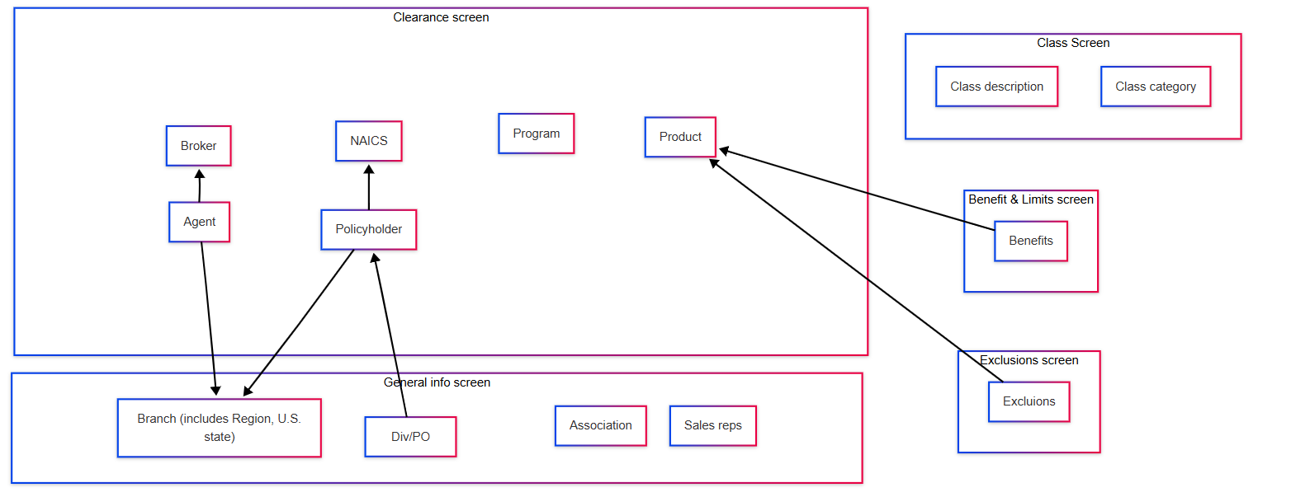
 |  |  |  |  |  |  | https://www.mermaidchart.com/app/projects/19e48091-9add-408d-af37-b9392ed1c233/diagrams/c076cef9-a345-4021-badc-eb6c3dc2eba8/version/v0.1/edit

