Sheet1
Subject | Test Name | Description | Step Name | Description (Design Steps) | Expected | Type | Status | Notes
 | TC_001_Verify API status code is 200 when the endpoint is accessed |  | Step 1 | Start the ComputeAPI app | Should be able to run successfully | Manual/Automation | Pass
 |  |  | Step 2 | Send a request through a web browser or Postman to the Compute App endpoint | Should be able to hit the endpoint and get 200 as a response code | Manual/Automation | Fail | 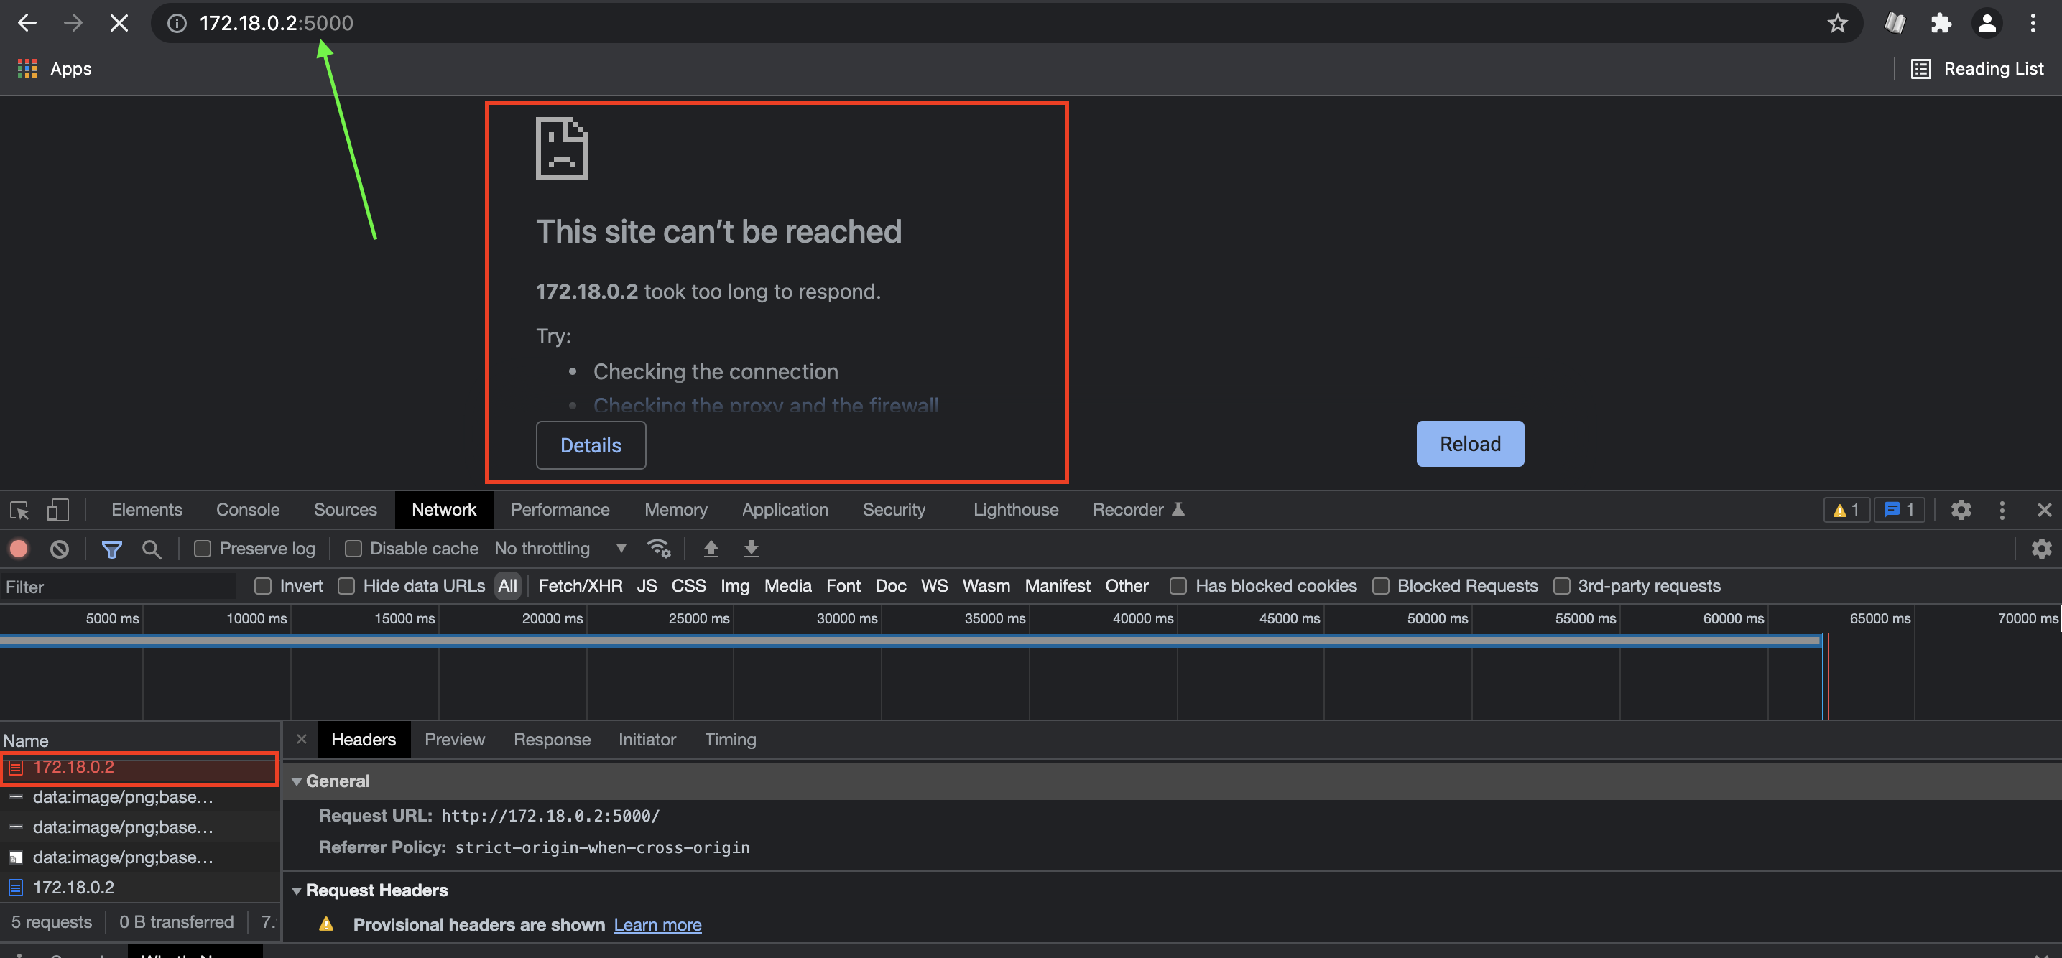 I was able to run the app but reaching the endpoint was timing out. Added if __name__== "__main__": app.run() into the app class and ran it, was able to reach the endpoint with compute resource. | 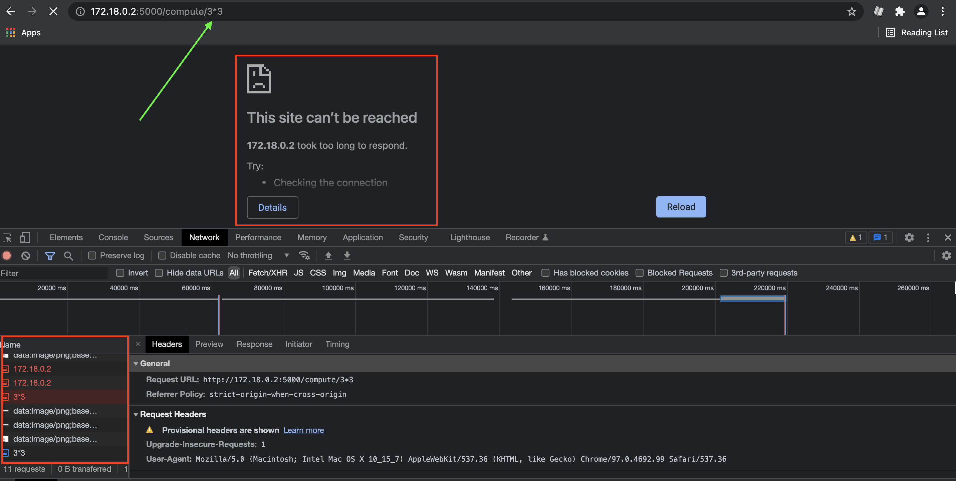
 | TC_002_Verify the compute resource when invalid input is provided |  | Step 1 | Start the Compute app | Should be able to run successfully | Manual | Pass
 |  |  | Step 2 | Send a request through a web browser or Postman to Compute Resource endpoint with Invalid Input | When invalid input is sent to the endpoint the response should be 400 and result should be invalid input | Manual | Pass
 | TC_003_Verify the compute resource when valid input is provided |  | Step 1 | Start the Compute app | Should be able to run successfully | Manual | Pass
 |  |  | Step 2 | Send a request through a web browser or Postman to Compute Resource endpoint with valid input and + operator | Should be able to send, get 200 status code and the sum of provided numbers | Manual | Pass
 |  |  | Step 3 | Send a request through a web browser or Postman to Compute Resource endpoint with valid input and - operator | Should be able to send, get 200 status code and the subtraction of provided numbers | Manual | Pass
 |  |  | Step 4 | Send a request through a web browser or Postman to Compute Resource endpoint with valid input and * operator | Should be able to send, get 200 status code and the multiplication of provided numbers | Manual | pass
 |  |  | Step 5 | Send a request through a web browser or Postman to Compute Resource endpoint with valid input and ~ operator | Should be able to send, get 200 status code and the division of provided numbers | Manual | Pass
 |  |  | Step 6 | Validate steps 2 through 5 with 6 different sets of numbers | Should work as expected | Manual | Pass | Working with valid input
 |  |  | Step 7 | Verify sending Division by zero to the compute resource endpoint | Should return invalid input and status code 400 | Manual | Fail | Returning Internal Sever Error
 |  |  | Step 8 | Validate the compute result is rounded to the nearest integer | Results should be rounded to the nearest integer | Manual | Fail | The results are rounded down not rounded to the nearest integer (ex. 18/5 = 3.6 = 4 but the result is 3)

