Bug Report
TODOLISTME WEBSITE
Verison of the Application: |  |  | Environmental Details: Windows 11 |  |  | Identified By: Ahsana T K
Reported to: Developer |  |  |  |  |  | Date: 6/10/2024
Bug Id | Test Id | Expected result | Bug Description | Steps to Reproduce | Evidence or Screenshot | Severity | Priority | Status
TDLM_BI_001 | TDLM_CA_008 | An account should be created by entering a valid email and password. | An account is not created by entering a valid email and password and also its shows error message. | 1. Locate the Email and password field. 2.Type the valid Email Id and password. |  | Critical | High | New
TDLM_BI_002 | TDLM_CA_010 | An account should be created by entering a valid email and password again. | The account is not created by entering the details again and displays a message that " It looks like this email address already has an account. Click forgotten password to find out what it is." | 1. Locate the Email and password field. 2.Type the valid Email Id and password. | 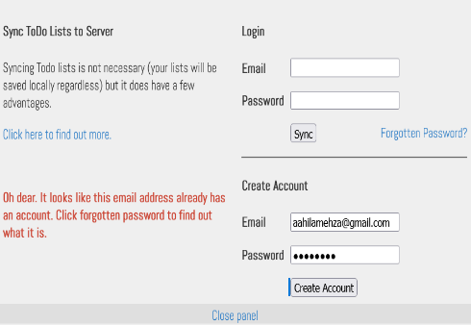 | Major | High | New
TDLM_BI_003 | TDLM_CA_028 | It should not be able to copy paste the password in the password field of create account page. | It is able to copy paste the password in the password field of create account page. | 1. Locate the password field. 2. Try to copy paste the password. |  | Minor | Low | New
TDLM_BI_004 | TDLM_CA_029 | It should not be able to copy paste the password in the retype password field of password restting page. | It is able to copy paste the password in the retype password field of password resetting page. | 1. Locate the password reset page. 2. Enter the password and try to copy paste in retype password field. |  | Minor | Low | New
TDLM_BI_005 | TDLM_LG_005 | The password field should not allow to copy paste the password in the login page. | The password field is allowing to copy paste the password in the login page. | 1. Locate the password field. 2. Copy paste the password. | 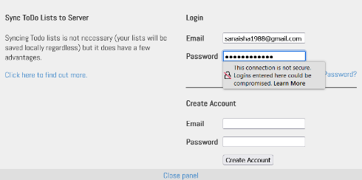 | Major | Medium | New
TDLM_BI_006 | TDLM_LG_010 | There must be an eye icon near the password field to see the actual password typed. | There is no eye icon near the password field to see the actual password typed. | 1. Locate the password field and check the eye icon. |  | Enhancement | Medium | New
TDLM_BI_007 | TDLM_LG_024 | The new password and the old password should be different. | The system is accepting the old password as the new password. | 1. Locate the password field. 2. Enter the old password as the new password. |  | Major | High | New
TDLM_BI_008 | TDLM_LG_029 | By hovering over the close panel button it should displyays a hand icon. | By hovering over the close panel button it is not displaying a hand icon. | 1. Locate the close panel button. 2. Hover over it. |  | Minor | Low | New
TDLM_BI_009 | TDLM_LG_035 | A clear confirmation message should appear after a sync completes. | There is no confirmation message displays on the screen. | 1. Locate the sync button. 2. Click the button. |  | Minor | medium | New
TDLM_BI_010 | TDLM_TM_022 | When a new list and category is created it should be save the lists and categories with different names. | When a new list and category is created it is not saving the lists and categories names with different names. | 1. Locate the add button of category and lists. 2. Create multiple categories and lists without changing the names. | 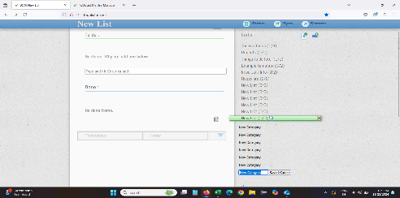 | Major | High | New
TDLM_BI_011 | TDLM_TM_023 | It should be able to select only one category or list at a time to edit the name. | It can be select multiple categories and lists at a time to edit the name. | 1. Locate the created categories and list. 2. Double click each category and lists. | 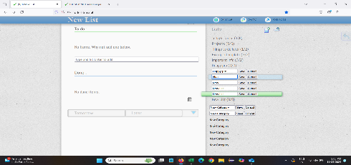 | Major | Medium | New
TDLM_BI_012 | TDLM_TM_048 | It should not be able to keep the completed tasks under the done section to the tomorrow section. | It is able to assign the completed tasks of the done section to the tomorrow section. | 1. Locate the done section. 2. Drag one of the tasks to the tomorrow section. |  | Minor | Low | New
TDLM_BI_013 | TDLM_TM_049 | It should not be able to keep the completed tasks under the done section to the later section. | It is able to assign the completed tasks of the done section to the later section. | 1. Locate the done section. 2. Drag one of the tasks to the later section. |  | Minor | Low | New
TDLM_BI_014 | TDLM_TM_070 | The heading of content under the index should be numbered according to order. | The heading of content under the index is not numbered according to order. | 1. Open the about page. 2. Check the contents the index. 3. Check whether the headings are numbered. |  | Minor | Low | New
TDLM_BI_015 | TDLM_TM_075 | There should be no typos and grammer erros in the about page. | There are grammer mistakes and typos in the page. | 1. Locate the page. 2. Check spellings and grammers in the page. |  | Trivial | Low | New
TDLM_BI_016 | TDLM_TM_076 | There should be no punctuation errors in the about page. | There is punctuation errors in the about page. | 1. Locate the page. 2. Check the punctuations in the page. |  | Trivial | Low | New
TDLM_BI_017 | TDLM_TM_080 | There should be no typos and grammer errors in the philosophy page. | There are some errors and typos in the philosophy page. | 1. Locate the philosophy page. 2. Check whether there is any typos or errors. |  | Trivial | Low | New
TDLM_BI_018 | TDLM_TM_085 | The blog page should display contents without any errors. | The page is not displaying any contents and access is forbidden. | 1. Locate the blog link of the main page. 2. Click the link. 3. Verify the page. |  | Major | High | New
TDLM_BI_019 | TDLM_TM_087 | It should display all the updates and improvements in all the years. | It is displaying only the updations and improvements of year 2013 | 1. Locate the update link. 2. Click the link. 3. Verify the page. |  | Minor | Medium | New
TDLM_BI_020 | TDLM_TM_101 | The website should be secure. | The website is not secure. | 1. Locate the page. 2. Check the page. |  | Critical | High | New
TDLM_BI_021 | TDLM_PV_002 | There should be no checkboxes in the to do section of the print view page. | There are check boxes in the to do tasks section of print view page. | 1. Locate the print icon. 2. Click on it. 3. Check the to do section. |  | Minor | Low | New
TDLM_BI_022 | TDLM_PV_004 | There should be no checkboxes at the done section of the print view page. | There is checkboxes at the done section of the print view page. | 1. Click the print view icon. 2. Locate the done section. | 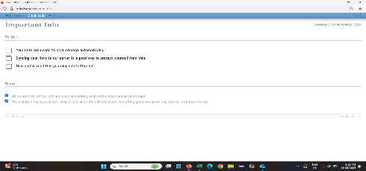 | Minor | Low | New

Defect Distribution
TODOLISTME WEBSITE
Module Name | Defect Distribution
Create Account | 4
Login | 5
Task Management | 11
Print View | 2
Remote View | 0

