Video & Instruction


 | qLearnify is an educational platform dedicated to the professional development of engineers and architects.

 |  | Website: | https://qlearnify.com/
 |  | Facebook: | https://www.facebook.com/qlearnify
 |  | Youtube (Bangla): | https://www.youtube.com/@qlearnify-bn
 |  | Youtube (English): | https://www.youtube.com/@qlearnify-en
 |  | WhatsApp: | https://wa.me/8801511250108
 |  | LinkedIn: | https://www.linkedin.com/company/qlearnify/

 | Note: This Excel sheet has been created for educational purposes; please validate it according to your own standards before using it for professional work.

Video Tutorial

Bangla: | https://youtube.com/playlist?list=PLxle8F-wJI7P43K0GljphED4I5TRXu6Zx&si=el-Lrxm5mB1Vmgcf

English: | https://youtube.com/playlist?list=PLTscI_CLWNfB_1x6_7zylwLZWo7mKypCq&si=QzFh_rJa61GU0YNW

MWFRS (Any Ht.)
 | Input Data

Wind
Length
 | Location= | Dhaka | Sec-2.4.4 & Table-6.2.8
 | Occupancy Category= | II | Sec-1.2.3 & Table-6.1.1
 | Exposure Type= | A | Sec-2.4.6
 | Ridge Height, hr = | 110 | ft. (hr >= he)
 | Eave Height, he = | 110 | ft. (he <= hr)
Width
 | Building Width = | 89 | ft. (Normal to Building Ridge-X)
Plan
 | Building Length= | 76 | ft. (Parallel to Building Ridge-Y)
 | Wind Direction= | Parallel | (Normal or Parallel to building ridge)
 | Roof Types= | Gable
hr
θ º
 | Enclosure Classification= | EB
h<=60'
he
 | Damping Ratio, β = | 0.05 | (Suggested Range = 0.010-0.070)
 | Structure Type= | TYPE-1
L
 | Structure Frame type= | CMRF | (Sect. 2.4.7 & Figure 6.2.4)
Elevation
 | Topo. Factor, Kzt = | 1

 | Parameters and Coefficients Calculation:

 | Roof Angle, θ = | 0.00 | deg
 | Mean Roof Ht., h = | 110 | ft. (h = he, for angle <=10 deg.)

 | Check Criteria for a Low-Rise Building:
 | 1. Is h <= 60' ? | No, Violation!
 | 2. Is h <= Lesser of L or B? | No, Violation!

 | Structure Conditions:

 | T= | 1.10 | = Ct*h^m , sec. (Approximate fundamental period)
 | f= | 0.91 | = 1/T , Hz. (Natural Frequency)

 | Is Building Flexible? | Yes | f < 1 Hz.

 | Velocity Pressure Exposure Coefficients, Kh and Kz:

 | Kh= | 0.99 | Sec-2.4.6.6 & Table-6.2.11

 | Directionality Factor, Kd:

 | Kd= | 0.85 | Sec-2.4.6.6 & Table-6.2.11

 | Gust Factor, G or Gf:

 | G= | N.A. | Sec-2.4.8.1
 | Gf= | 0.859 | Sec-2.4.8.2
 |  | 0.85942026474
 | Importantce Factor, I:

 | I= | 1.00 | Sec-2.4.5 & Table-6.2.9

 | Wall or Roof Presssure Coefficients, Cp:

 | WindWard= | 0.8 | Figure-6.2.6
 | LeeWard= | -0.500
 | Side= | -0.7

 | Z (ft) | Z (m) | Kz | qz | Wind ward, P (KN/m^2) |  | Lee Ward, P (All) (KN/m^2) |  | Side Walls, P (All) (KN/m^2)
 |  |  |  | KN/m^2 | + GCpi | -GCpi | + GCpi | -GCpi | + GCpi | -GCpi
1 | 10 | 3.05 | 0.575 | 1.2924 | 0.477 | 1.29975 | -1.39268 | -0.57037845681 | -1.78529 | -0.96298952125
2 | 20 | 6.10 | 0.624 | 1.4034 | 0.554 | 1.37607
3 | 30 | 9.15 | 0.701 | 1.5758 | 0.672 | 1.49458
4 | 40 | 12.20 | 0.761 | 1.7108 | 0.765 | 1.58740
5 | 50 | 15.24 | 0.811 | 1.8234 | 0.843 | 1.66483
6 | 60 | 18.29 | 0.854 | 1.9209 | 0.910 | 1.73187
7 | 70 | 21.34 | 0.893 | 2.0074 | 0.969 | 1.79134
8 | 80 | 24.39 | 0.927 | 2.0855 | 1.023 | 1.84501
9 | 90 | 27.44 | 0.959 | 2.1569 | 1.072 | 1.89409
10 | 100 | 30.49 | 0.988 | 2.2228 | 1.117 | 1.93940
11
12 | 555 | 169.21 | 1.613 | 3.6271 | 2.083 | 2.90489
13
14
15
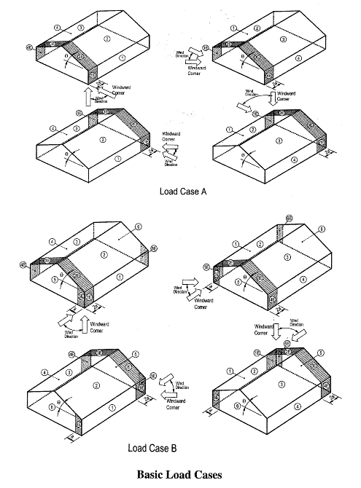
16
17
18
19
20

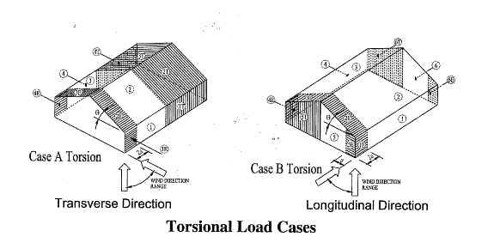

 | ok | ok | ok | ok | ok | ok | ok | ok | ok | ok

e1 & e2 ratio Cal.
Data From Etabs |  |  |  |  | Output Data For Etabs |  |  |  | Rigid |  |  | N TO R | P TO R
1 | XCM | YCM | XCR | YCR | eR1 | eR2 | e1 | e2 | ex/Bx | ey/By |  | Bx= 27.1 | Bx= 23.2
2 | m | m | m | m |  |  |  |  |  |  | Parallel | By= 23.2 | By=27.1
3 | 5.461 | 9.7615 | 5.3787 | 10.2195 | 0.0823 | 0.458 | 0.14734695932 | 0.17691882072 | 0.0035518947368 | 0.016879101124
4 | 5.478 | 5.5817 | 5.4829 | 8.9978 | 0.0049 | 3.4161 | 0.14618228358 | 0.64851838986 | 0.00021147368421 | 0.1258967191
Data Input
5 | 5.431 | 5.5344 | 5.4748 | 9.2175 | 0.0438 | 3.6831 | 0.14651084127 | 0.69336341289 | 0.0018903157895 | 0.1357367191
6 | 5.431 | 5.5344 | 5.4712 | 9.4348 | 0.0402 | 3.9004 | 0.14645848223 | 0.72990300098 | 0.0017349473684 | 0.14374507865
7 | 5.431 | 5.5344 | 5.4843 | 9.514 | 0.0533 | 3.9796 | 0.14667035528 | 0.74322878627 | 0.0023003157895 | 0.14666391011
8 | 5.431 | 5.5344 | 5.5075 | 9.1773 | 0.0765 | 3.6429 | 0.14718897673 | 0.68660756295 | 0.0033015789474 | 0.13425519101 |  |  | 0.91 | Final Value (Flx)
9 | 5.3218 | 5.8101 | 5.4259 | 6.9971 | 0.1041 | 1.187 | 0.14804043631 | 0.28105277057 | 0.0044927368421 | 0.043745617978 |  | Final Value |  | e1= | 0.148
Soft. Input
10 | 5.3107 | 8.1979 | 5.4189 | 9.1649 | 0.1082 | 0.967 | 0.14818824489 | 0.24710152657 | 0.0046696842105 | 0.035637752809 |  | e1= | 0.148 | e2= | 0.743
11 |  |  |  |  |  |  |  |  |  |  |  | e2= | 0.743 | Final Value (Rgd)
12 |  |  |  |  |  |  |  |  |  |  |  |  |  | e1= | 0.005
13 |  |  |  |  |  |  |  |  |  |  |  |  |  | e2= | 0.147
14
15
16
17
18
19
20
21
22
23
24
25
26
27
28
29
30
31
32
33
34
35
36
37
38
39
40
41
42
43
44
45
46
47
48
49
50
51
52
53
54
55
56
57
58
59
60
61
62
63
64
65
66
67
68
69
70
71
72
73
74
75

Software Input
This is the Poperty of School of civil Engineering
This Channel are Manageing By Engr Hedaetullah And N.J. Disha (B.Sc. In Civil Engineering)
Support us And stay connected
This file is only for edicational Perpose. Pls don't misuse it.

Data Input
Required Data For Etbas Input
For BNBC 2020, ASCE 7-05, ASCE 7-10
Basic Wind Speed (mph) | 147
e1 & e2 Cal.
Importance Factor (I) | 1.00
Directionality Factor (Kd) | 0.85
Exposure type | A
Topographical Factor (Kzt) | 1.00
Gust Factor | 0.86
e1 | 0.148
e2 | 0.743
Windward- (Cp) | 0.80
LeeWard- (Cp) | 0.500

