Video & Instruction


 | qLearnify is an educational platform dedicated to the professional development of engineers and architects.

 |  | Website: | https://qlearnify.com/
 |  | Facebook: | https://www.facebook.com/qlearnify
 |  | Youtube (Bangla): | https://www.youtube.com/@qlearnify-bn
 |  | Youtube (English): | https://www.youtube.com/@qlearnify-en
 |  | WhatsApp: | https://wa.me/8801511250108
 |  | LinkedIn: | https://www.linkedin.com/company/qlearnify/

 | Note: This Excel sheet has been created for educational purposes; please validate it according to your own standards before using it for professional work.

Video Tutorial

Bangla: | https://youtube.com/playlist?list=PLxle8F-wJI7P43K0GljphED4I5TRXu6Zx&si=el-Lrxm5mB1Vmgcf

English: | https://youtube.com/playlist?list=PLTscI_CLWNfB_1x6_7zylwLZWo7mKypCq&si=QzFh_rJa61GU0YNW

P-Delta Check of a Building
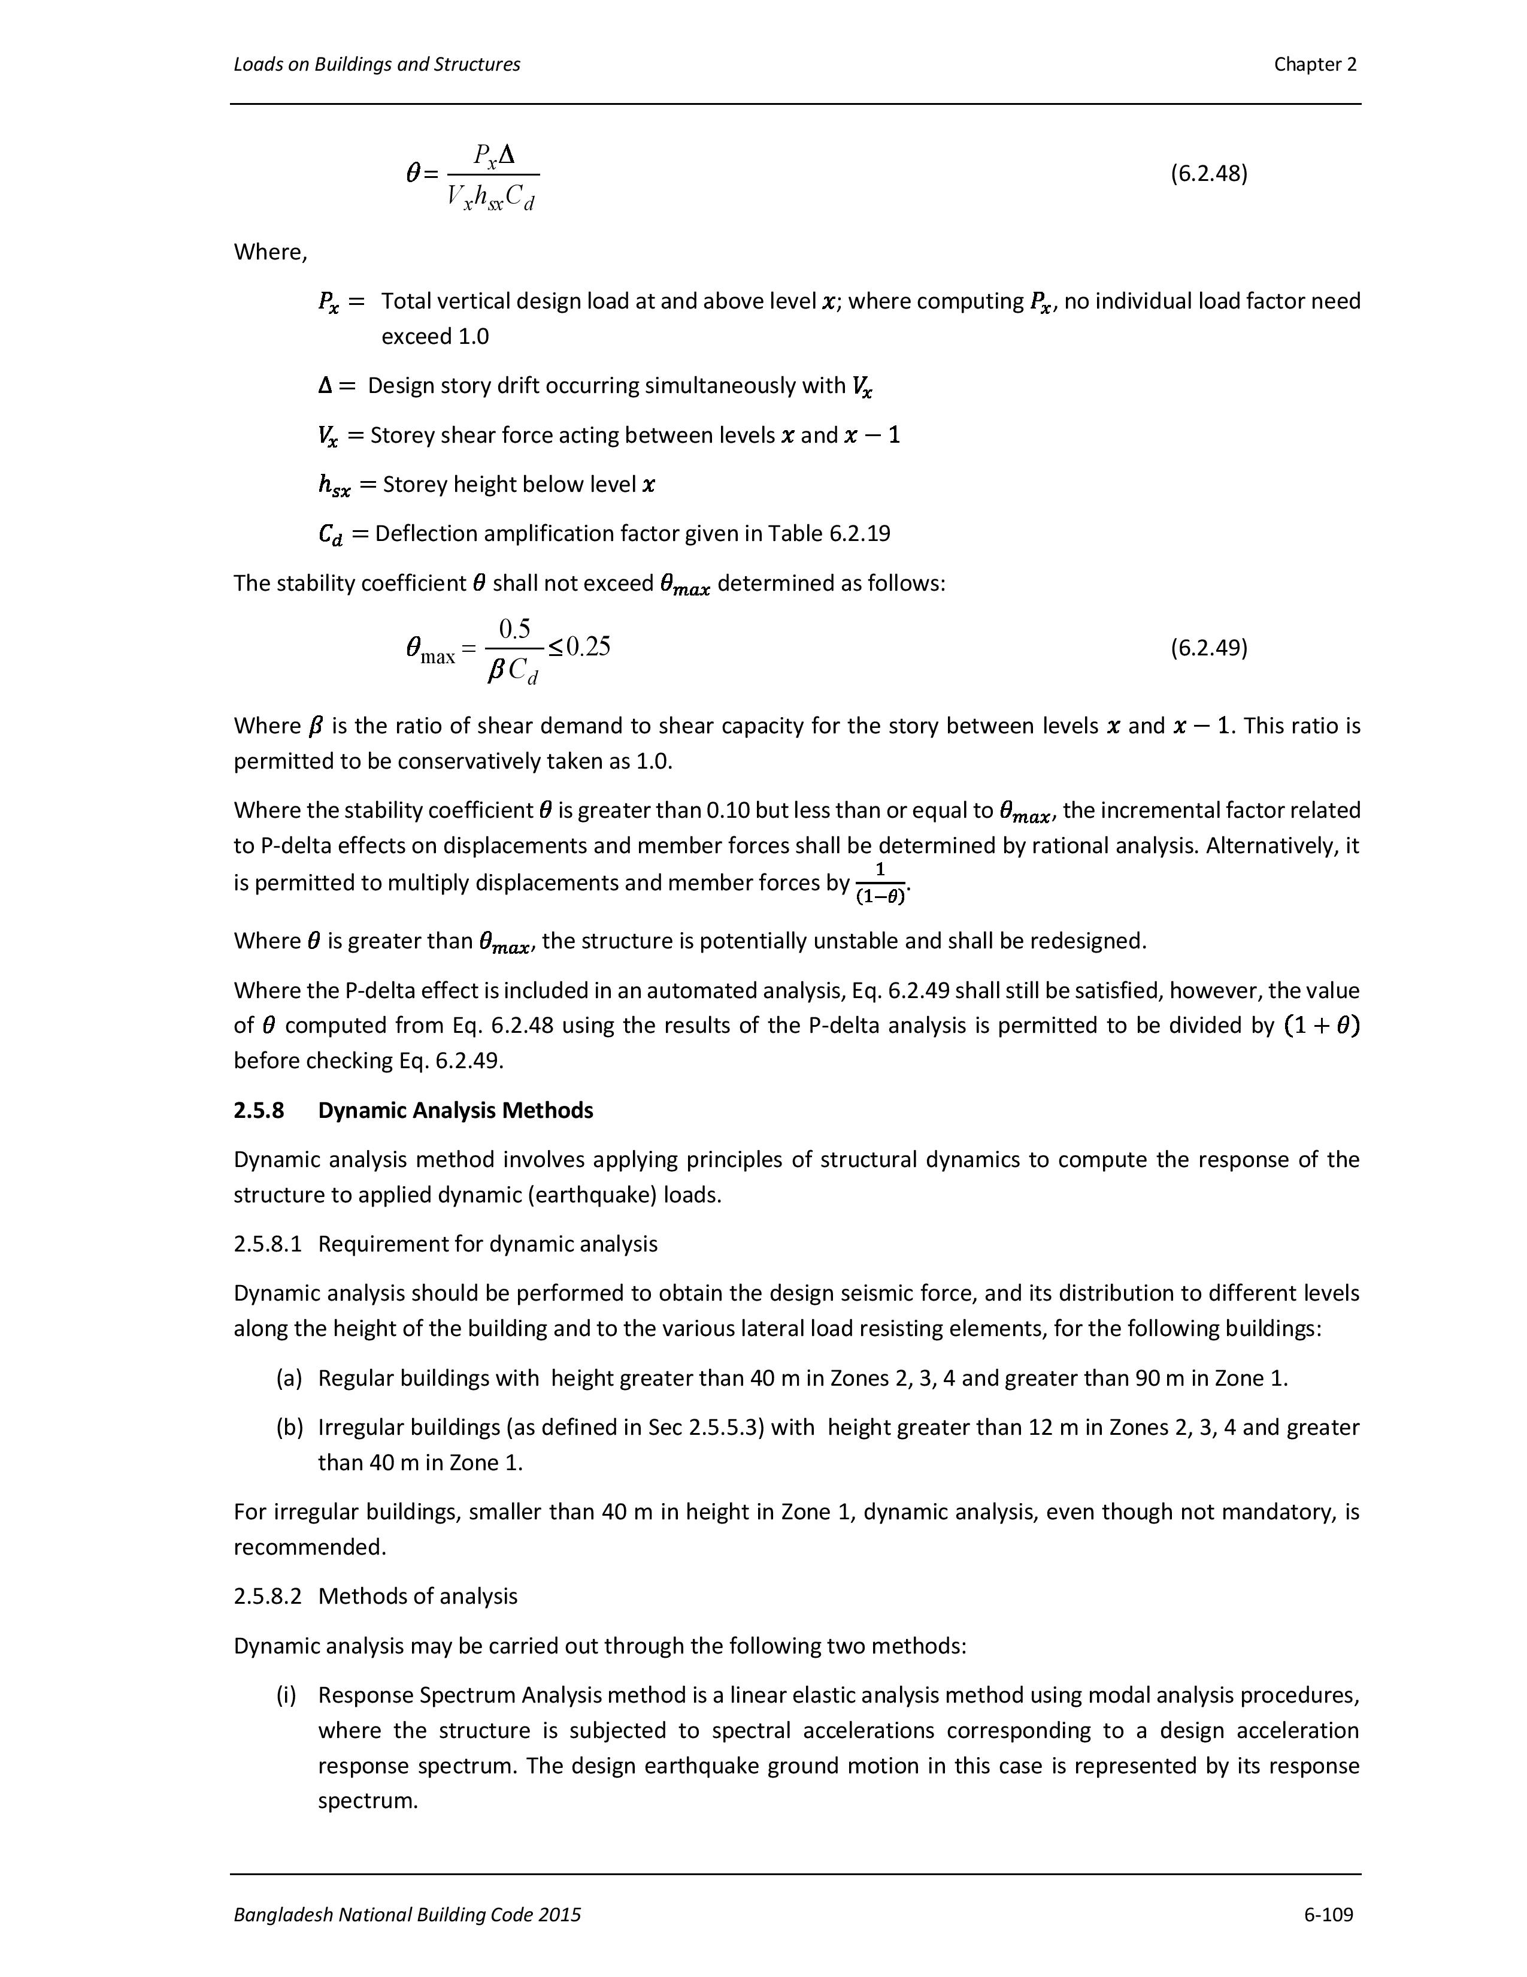
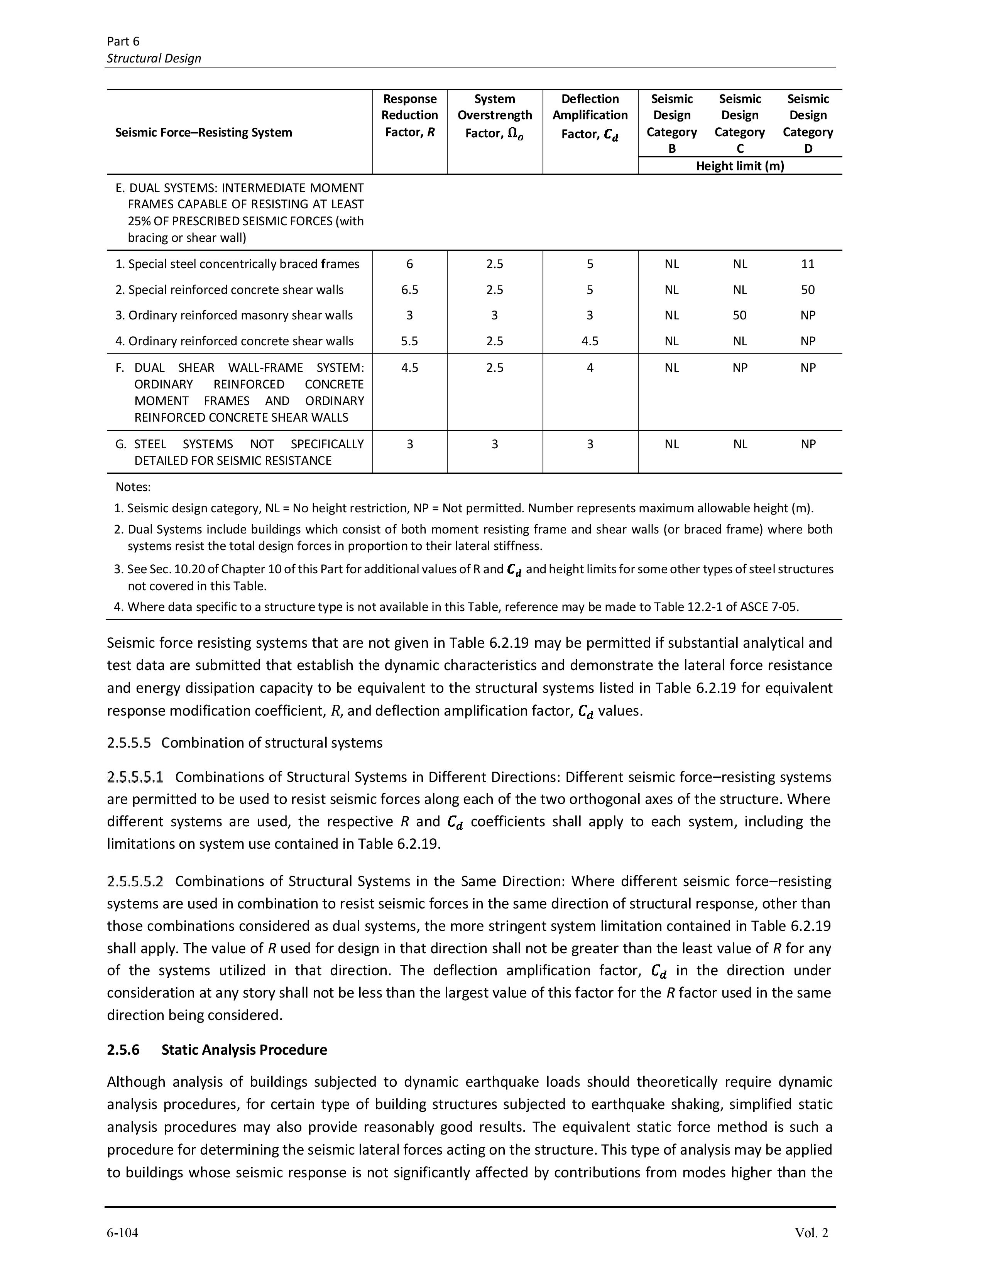
This is the Poperty of qlearnify
This Channel are Manageing By SM Hedaetullah And N.J. Disha (B.Sc. In Civil Engineering)
Support us And stay connected
This file is only for edicational Perpose. Pls don't misuse it.
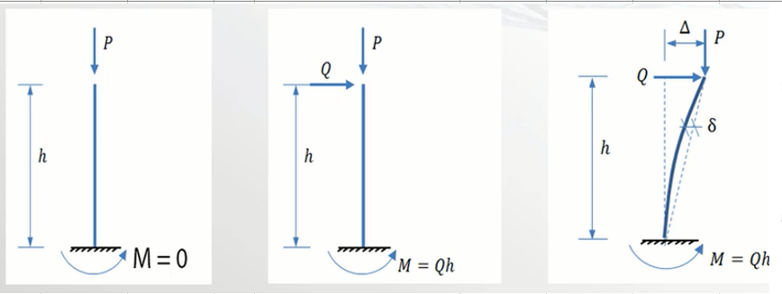
 | Importance Factor (I)= |  |  | 1 | Select Importance factor according to BNBC-2020
Deflection Amplification Factor (Cd) = |  |  |  | 5.5 | Select Cd factor according to BNBC-20 (See List)

 |  | Sotry Force (DL+LL) | Story Shear Vx or Vy (for E/W) | Diapharam Mass of center Disp (E/W) | Ampliffied Story Drift
Level | Height (H) | P | V | Ux or Uy | ∆x or ∆y | Ѳx or Ѳy | Calculated Ѳx or Ѳy | Max | Check
 | (Inch/mm) | KIP/KN | KIP/KN | (Inch/mm) | (Inch/mm) |  |  | Ѳ
1st | 120 | 5006.292 | -212.289 | 0.526508 | 2.895794 | 0.10347 | 0.10346951516 | 0.10000000000 | Redesign
2nd | 120 | 4381.513 | -205.859 | 1.053806 | 2.900139 | 0.09353
3rd | 120 | 3762.178 | -194.198 | 1.585262 | 2.923008 | 0.08580
4th | 120 | 3142.842 | -176.76 | 2.08194 | 2.731729 | 0.07359
5TH | 120 | 2523.507 | -153.148 | 2.518941 | 2.403505 | 0.06001
6TH | 120 | 1904.172 | -123.035 | 2.877319 | 1.971079 | 0.04622 |  |  |  | Etabs v22: | Table>Structre Output>Other Output Item
7TH | 120 | 1284.836 | -86.138 | 3.144366 | 1.468759 | 0.03319
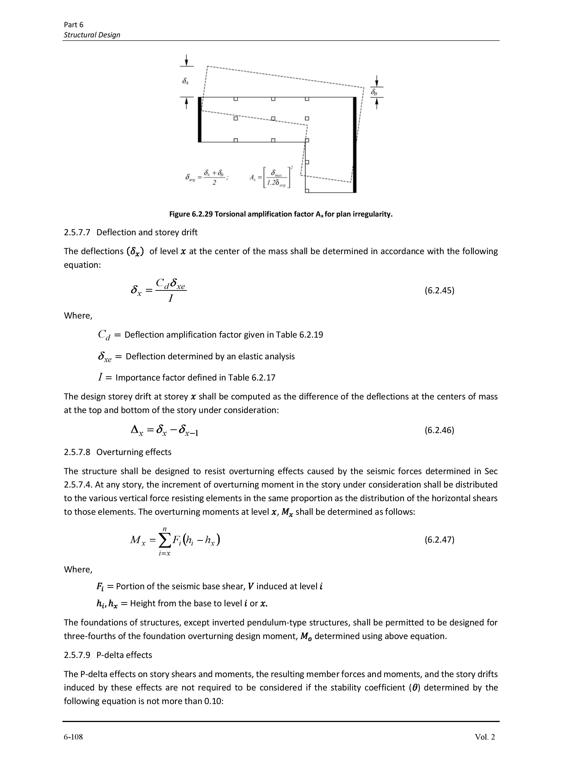
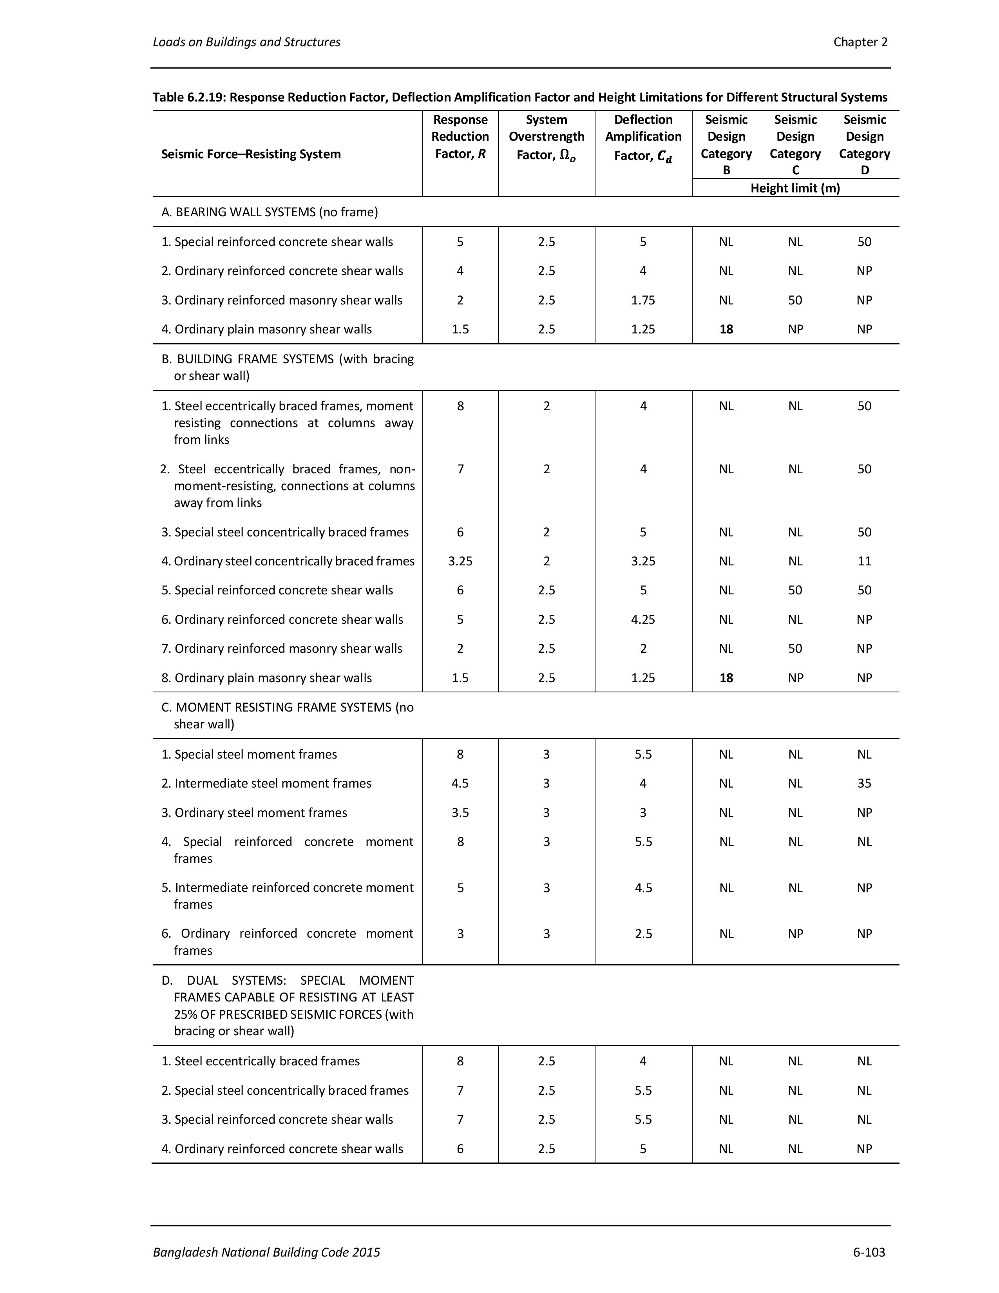
GB | 120 | 5292.917 | -213.141 | 3.357972 | 1.174833 | 0.04420
LIFT & STAIR TOP | 120 | 72.679 | -4.4 | 3.32408 | -0.186406 | 0.00467
TOP | 120 | 665.501 | -42.209 | 3.38 | 0.307560 | 0.00735

 |  |  |  |  |  |  | 0.10346951516 | 0.1

