Base-Shear Check(Seismic Value)
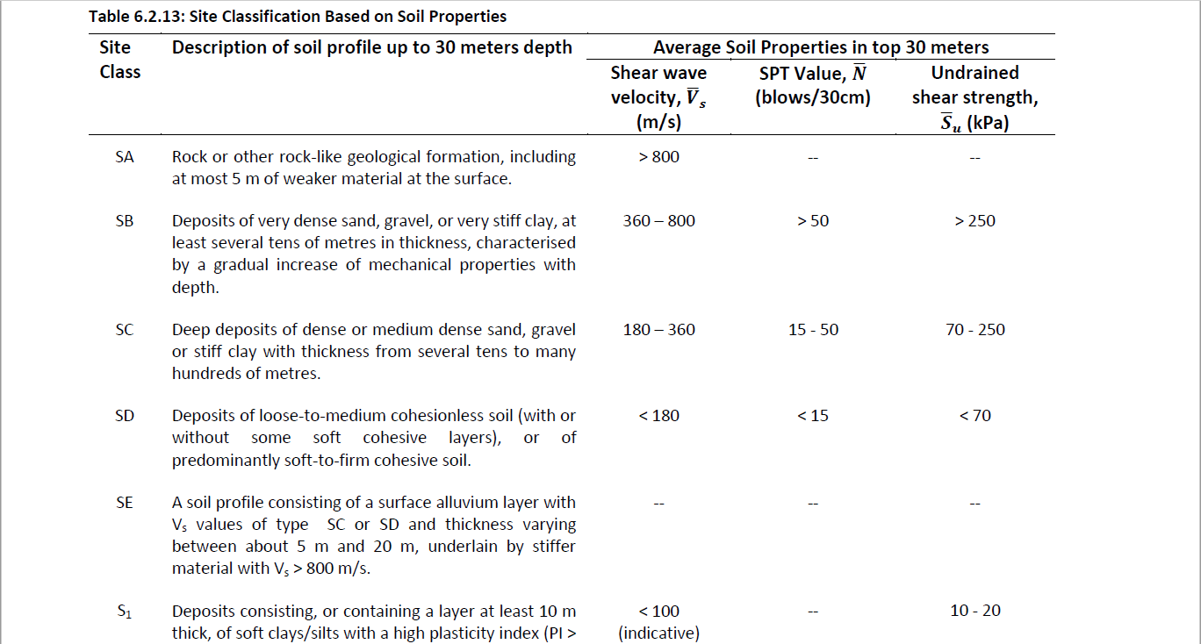
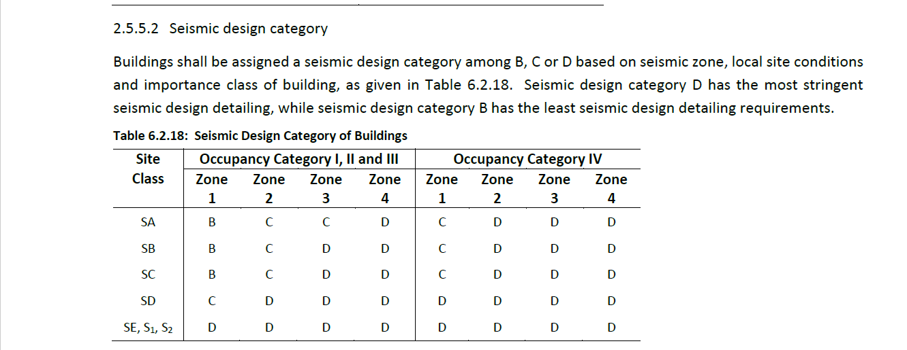
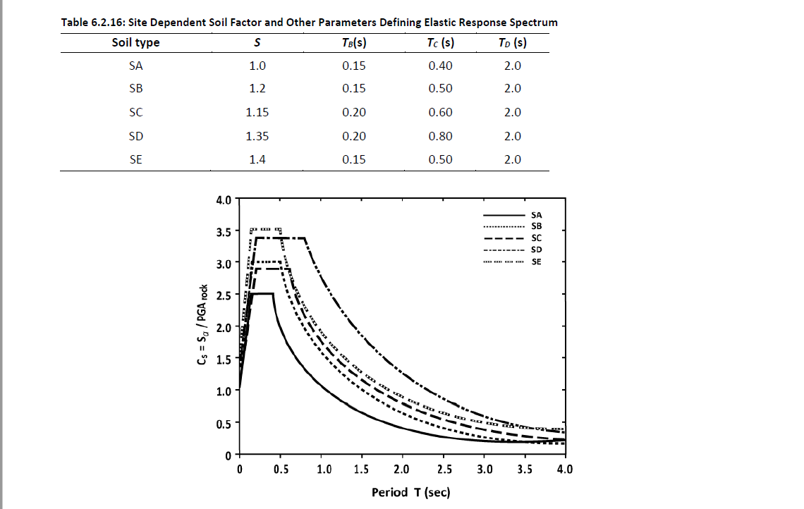
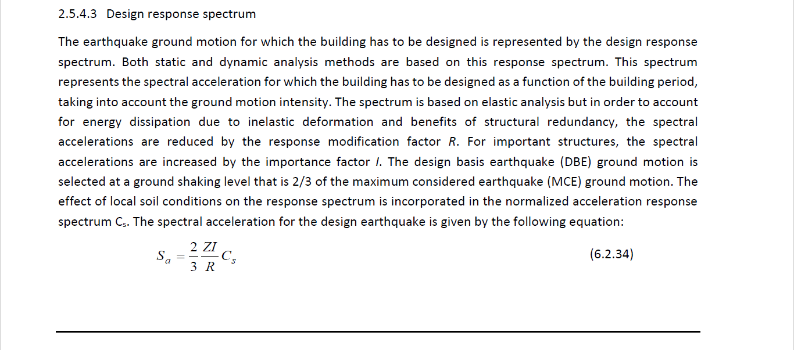
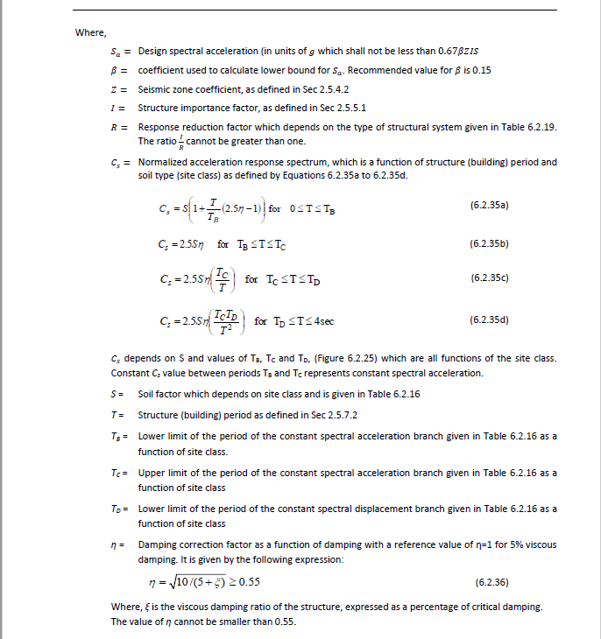
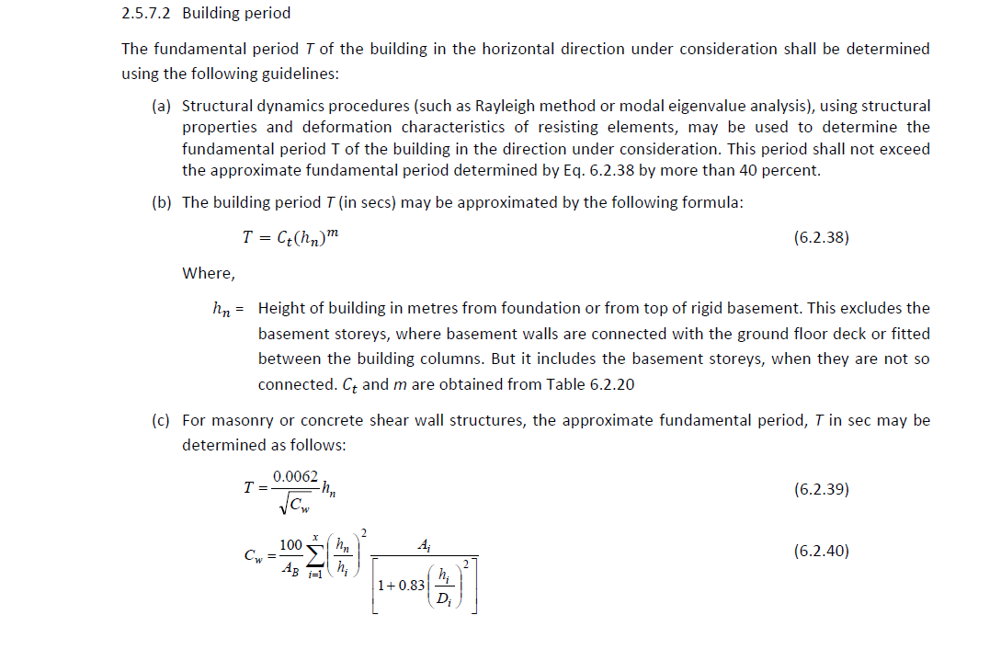
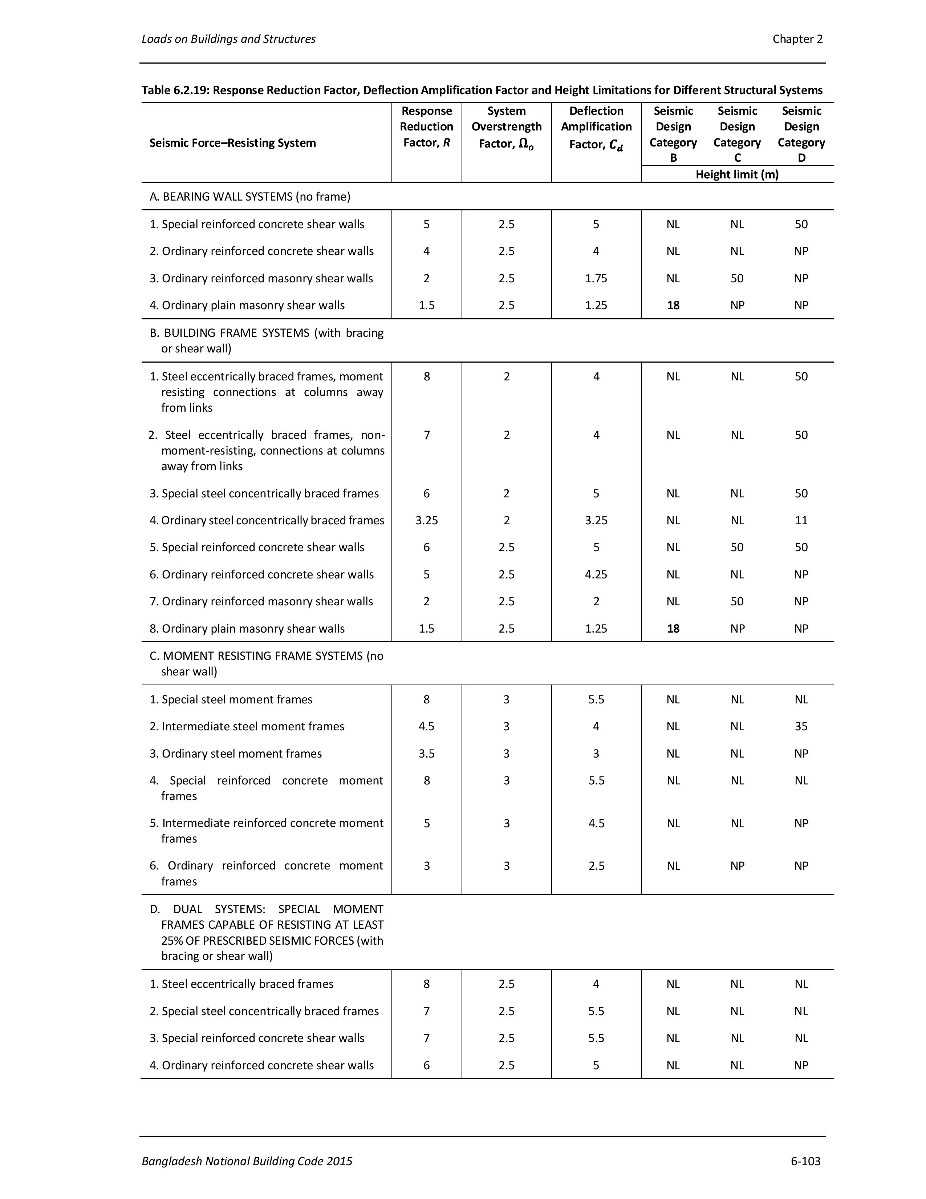
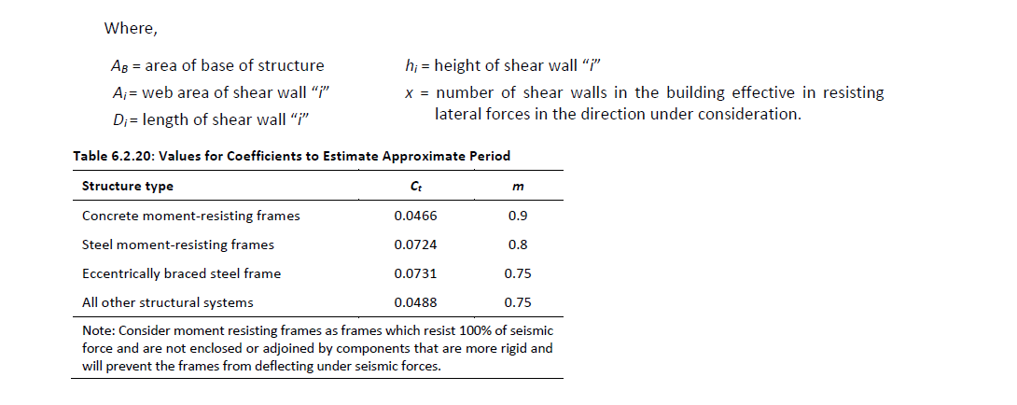
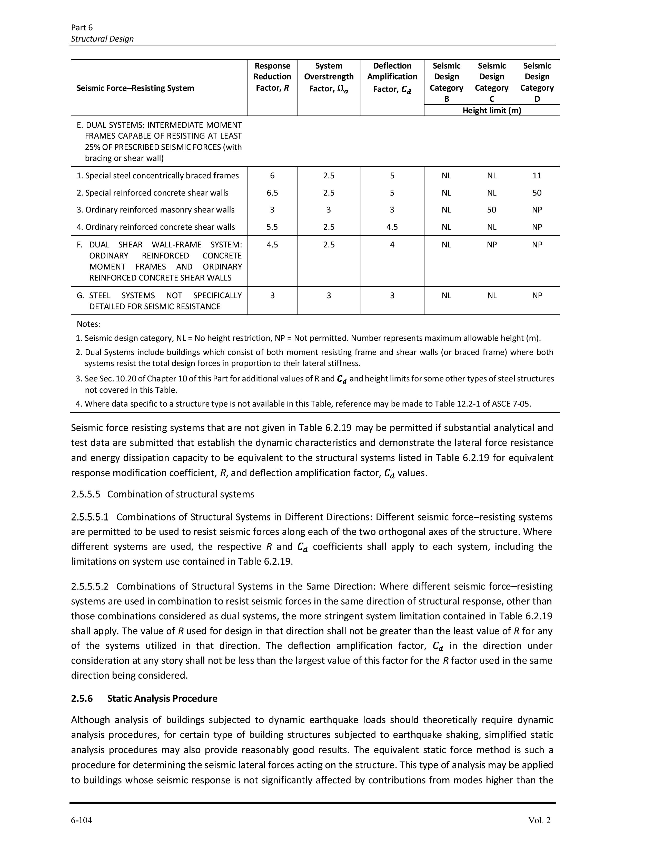
This is the Poperty of qlearnify
This Channel are Manageing By SM Hedaetullah And N.J. Disha
Support us And stay connected
This file is only for edicational Perpose. Pls don't misuse it.
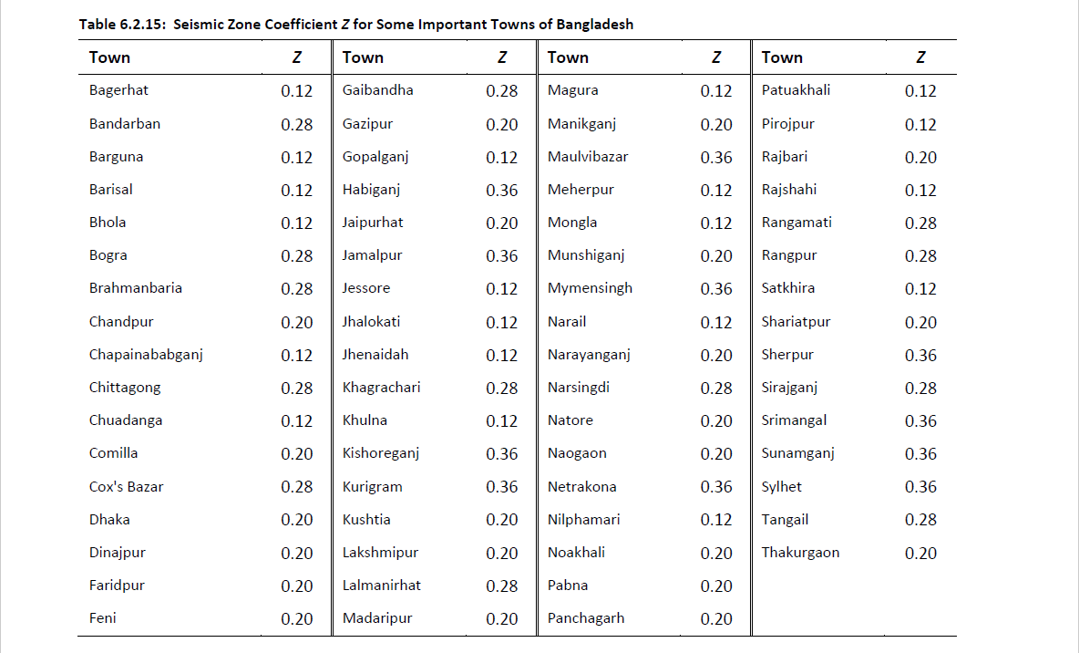
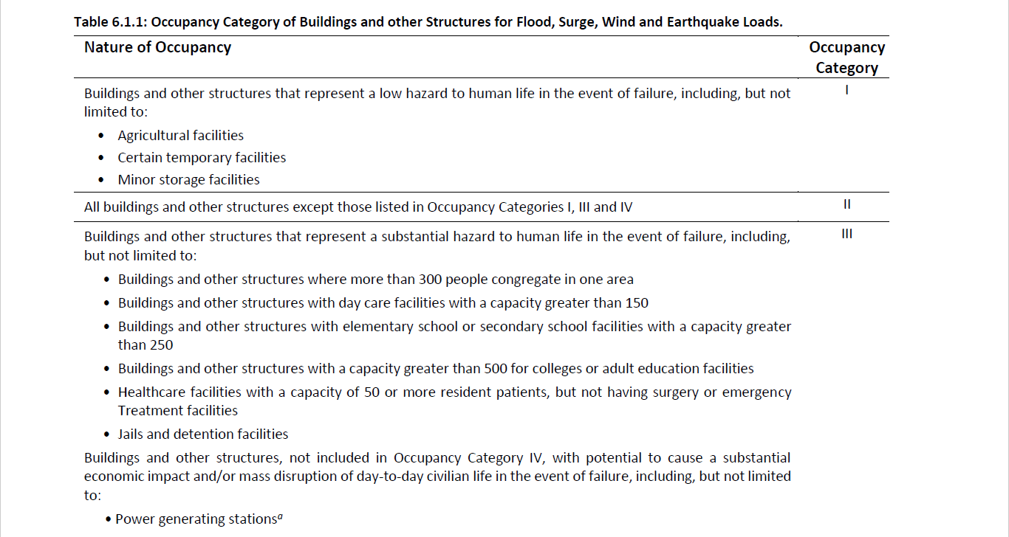

 | Check From Etabs
 | Dead Load (DL)= |  | 2872.1
 | Super DL(SDL)= |  | 2922.216
 | Live Load (LL)= |  | 654.5
Service Live Load=
 | Total Down Load= |  | 6448.739
 | Earthquake (EQ)= |  | 219.5
 | Base Shear= |  | 3.40%

 | Manual check (All data provided in Etabs)

 | Zone Coefficient (Z) = |  | 0.15 | From table 6.2.15
 | Importance Factor (I)= |  | 1 | From table 6.2.17
 | Ct= |  | 0.034 | From table 6.2.20
 |  | m= | 0.9
 | Totral Hight (hx) in m= |  | 38 | From Equation 6.2.38
 |  | T= | 0.89801616421 | Use T to Table 6.2.16 for Cs
 |  | Cs= | 1.75 | From table 6.2.16 (Graph)
 |  | Rw | 5 | From Table 6.2.19
 | Base Shear= |  | 3.52%

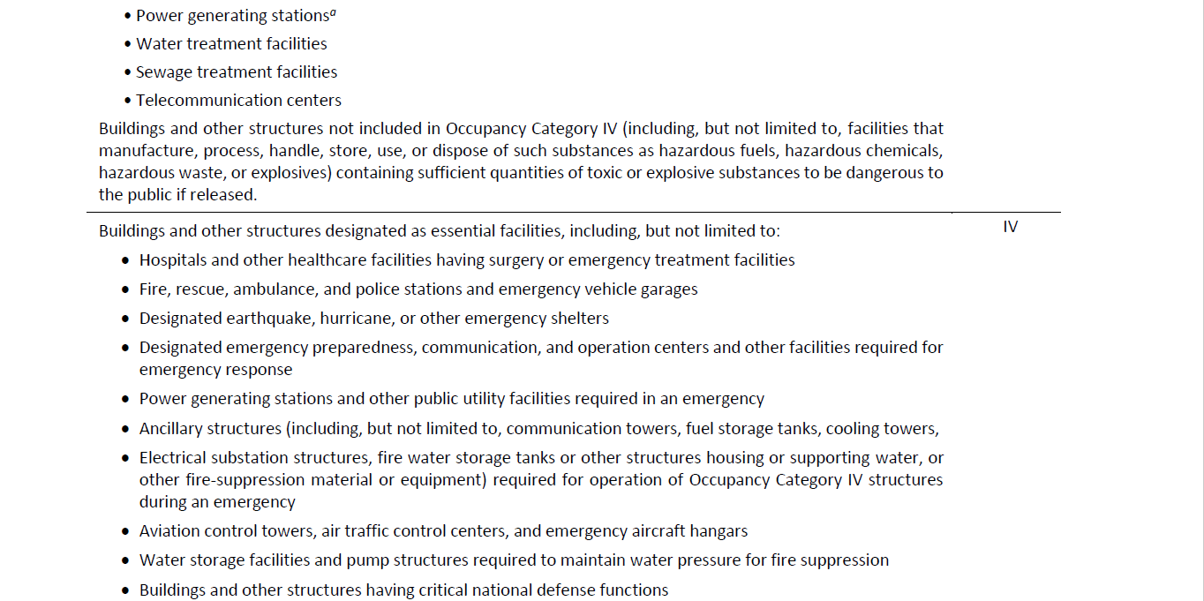
 |  |  | -3.34%

Video & Instruction


 | qLearnify is an educational platform dedicated to the professional development of engineers and architects.

 |  | Website: | https://qlearnify.com/
 |  | Facebook: | https://www.facebook.com/qlearnify
 |  | Youtube (Bangla): | https://www.youtube.com/@qlearnify-bn
 |  | Youtube (English): | https://www.youtube.com/@qlearnify-en
 |  | WhatsApp: | https://wa.me/8801511250108
 |  | LinkedIn: | https://www.linkedin.com/company/qlearnify/

 | Note: This Excel sheet has been created for educational purposes; please validate it according to your own standards before using it for professional work.

Video Tutorial

Bangla: | https://youtube.com/playlist?list=PLxle8F-wJI7P43K0GljphED4I5TRXu6Zx&si=el-Lrxm5mB1Vmgcf

English: | https://youtube.com/playlist?list=PLTscI_CLWNfB_1x6_7zylwLZWo7mKypCq&si=QzFh_rJa61GU0YNW

