Video & Instruction


 | qLearnify is an educational platform dedicated to the professional development of engineers and architects.

 |  | Website: | https://qlearnify.com/
 |  | Facebook: | https://www.facebook.com/qlearnify
 |  | Youtube (Bangla): | https://www.youtube.com/@qlearnify-bn
 |  | Youtube (English): | https://www.youtube.com/@qlearnify-en
 |  | WhatsApp: | https://wa.me/8801511250108
 |  | LinkedIn: | https://www.linkedin.com/company/qlearnify/

 | Note: This Excel sheet has been created for educational purposes; please validate it according to your own standards before using it for professional work.

Video Tutorial

Bangla: | https://youtube.com/playlist?list=PLxle8F-wJI7P43K0GljphED4I5TRXu6Zx&si=el-Lrxm5mB1Vmgcf

English: | https://youtube.com/playlist?list=PLTscI_CLWNfB_1x6_7zylwLZWo7mKypCq&si=QzFh_rJa61GU0YNW

Soft story X & Y Direction
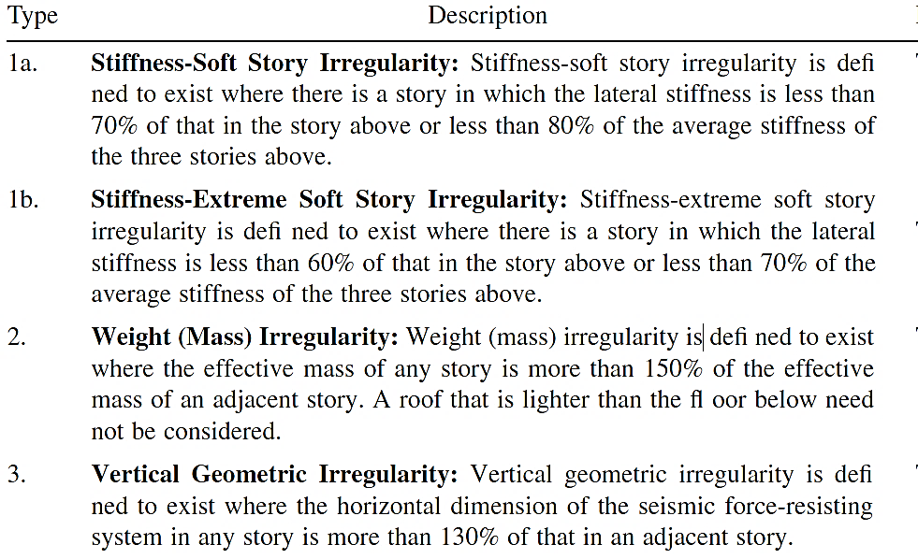
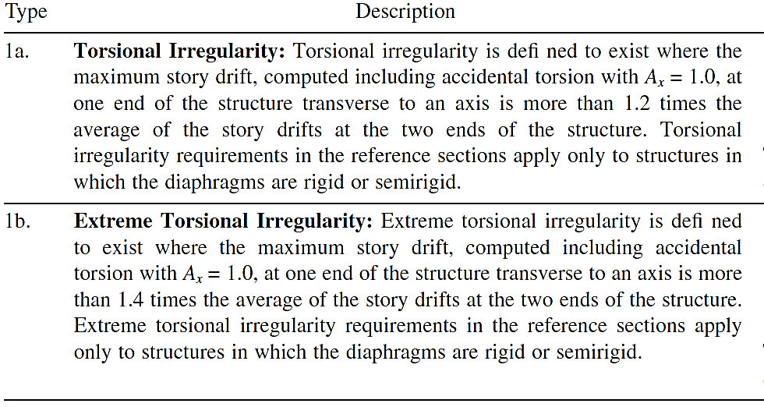
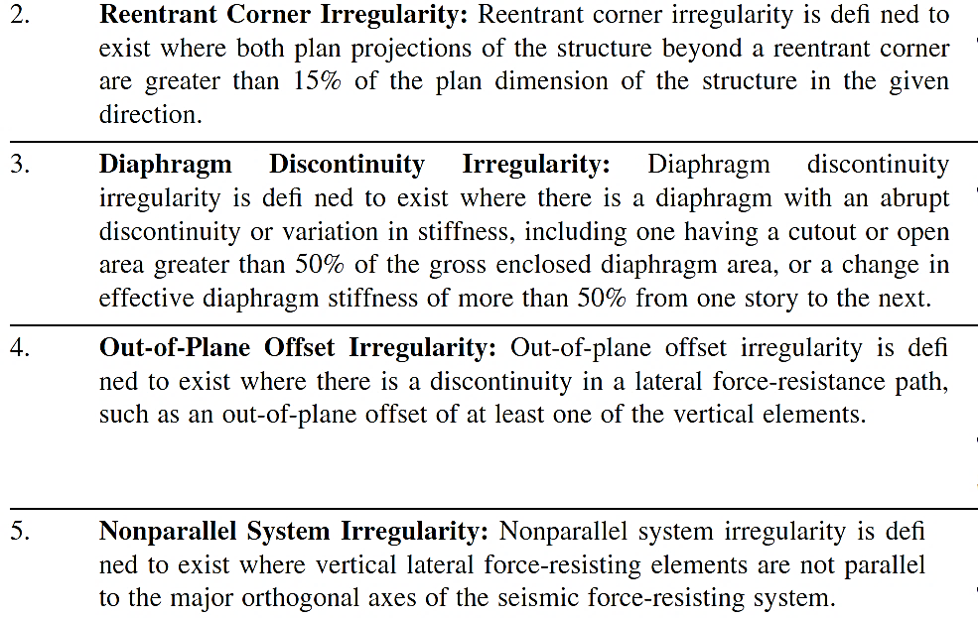
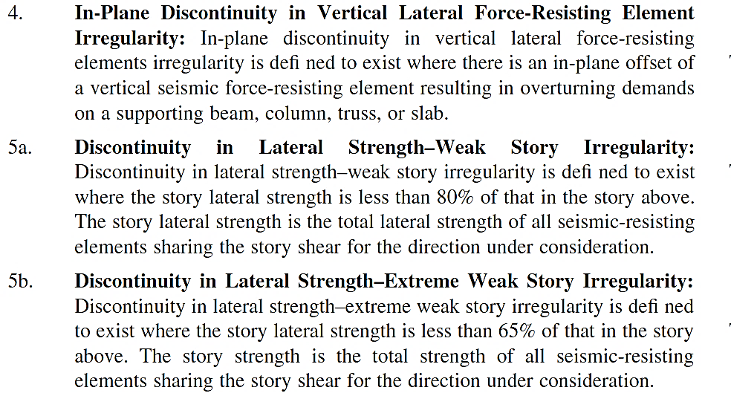
This is the Poperty of qlearnify
This Channel are Manageing By SM Hedaetullah And N.J. Disha
Support us And stay connected
This file is only for edicational Perpose. Pls don't misuse it.

Stiffness Irregularity Check in X-Direction |  |  |  |  |  |  |  |  |  |  |  | Stiffness Irregularity Check in Y-Direction

 |  | Soft-Story Irregularity Check |  |  |  |  | Extreme Soft-Story Irregularity Check |  |  |  |  |  |  | Soft-Story Irregularity Check |  |  |  |  | Extreme Soft-Story Irregularity Check
Story |  | Ki | check | Kmi = avg(Ki-1,i-2,i-3) | Ki | check | Ki | check | Kmi = avg(Ki-1,i-2,i-3) | Ki | check | Story |  | Ki | check | Kmi = avg(Ki-1,i-2,i-3) | Ki | check | Ki | check | Kmi = avg(Ki-1,i-2,i-3) | Ki | check
 | Stiffness X-Direction | Ki+1 |  |  | Kmi |  | Ki+1 |  |  | Kmi |  |  | Stiffness Y-Direction | Ki+1 |  |  | Kmi |  | Ki+1 |  |  | Kmi
 |  | 0.7 |  |  | 0.8 |  | 0.6 |  |  | 0.7 |  |  |  | 0.7 |  |  | 0.8 |  | 0.6 |  |  | 0.7
Story911.MR | 26.14 | - | - |  |  |  | - |  |  |  |  | Story911.MR | 25.91 | - | - |  |  |  | -
Story910.TR | 119.87 | 4.59 | Regular |  |  |  | - |  |  |  |  | Story910.TR | 118.21 | 4.56 | Regular |  |  |  | -
Story9.Roof | 487.49 | 4.07 | Regular |  |  |  | - |  |  |  |  | Story9.Roof | 485.97 | 4.11 | Regular |  |  |  | -
Story8 | 942.64 | 1.93 | Regular | 211.16 | 4.46 | Regular | 1.93 | Regular | 211.16 | 4.46 | Regular | Story8 | 933.56 | 1.92 | Regular | 210.03 | 4.44 | Regular | 1.92 | Regular | 210.03 | 4.44 | Regular
Story7 | 1279.82 | 1.36 | Regular | 516.66 | 2.48 | Regular | 1.36 | Regular | 516.66 | 2.48 | Regular | Story7 | 1264.93 | 1.35 | Regular | 512.58 | 2.47 | Regular | 1.35 | Regular | 512.58 | 2.47 | Regular
Story6 | 1542.57 | 1.21 | Regular | 903.32 | 1.71 | Regular | 1.21 | Regular | 903.32 | 1.71 | Regular | Story6 | 1529.06 | 1.21 | Regular | 894.82 | 1.71 | Regular | 1.21 | Regular | 894.82 | 1.71 | Regular
Story5 | 1775.84 | 1.15 | Regular | 1255.01 | 1.42 | Regular | 1.15 | Regular | 1255.01 | 1.42 | Regular | Story5 | 1771.78 | 1.16 | Regular | 1242.51 | 1.43 | Regular | 1.16 | Regular | 1242.51 | 1.43 | Regular
Story4 | 2026.16 | 1.14 | Regular | 1532.74 | 1.32 | Regular | 1.14 | Regular | 1532.74 | 1.32 | Regular | Story4 | 2038.13 | 1.15 | Regular | 1521.92 | 1.34 | Regular | 1.15 | Regular | 1521.92 | 1.34 | Regular
Story3 | 2358.21 | 1.16 | Regular | 1781.52 | 1.32 | Regular | 1.16 | Regular | 1781.52 | 1.32 | Regular | Story3 | 2404.24 | 1.18 | Regular | 1779.66 | 1.35 | Regular | 1.18 | Regular | 1779.66 | 1.35 | Regular
Story2 | 2919.69 | 1.24 | Regular | 2053.40 | 1.42 | Regular | 1.24 | Regular | 2053.40 | 1.42 | Regular | Story2 | 3041.20 | 1.26 | Regular | 2071.38 | 1.47 | Regular | 1.26 | Regular | 2071.38 | 1.47 | Regular
Story1 | 4206.89 | 1.44 | Regular | 2434.69 | 1.73 | Regular | 1.44 | Regular | 2434.69 | 1.73 | Regular | Story1 | 4471.85 | 1.47 | Regular | 2494.52 | 1.79 | Regular | 1.47 | Regular | 2494.52 | 1.79 | Regular
GF | 8881.98 | 2.11 | Regular | 3161.60 | 2.81 | Regular | 2.11 | Regular | 3161.60 | 2.81 | Regular | GF | 9115.07 | 2.04 | Regular | 3305.76 | 2.76 | Regular | 2.04 | Regular | 3305.76 | 2.76 | Regular

ASCE 7-05/BNBC 2020, Vertical Structural Irregularities |  |  |  |  |  |  |  | ASCE 7-05/BNBC 2020, Horizontal Structural Irregularities

