Torsional Irregularity (2)
This is the Poperty of qLearnify
This are Manageing By Engr. Hedaetullah And N.J. Disha (B.Sc. In Civil Engineering)
Support us And stay connected
This file is only for edicational Perpose. Pls don't misuse it.

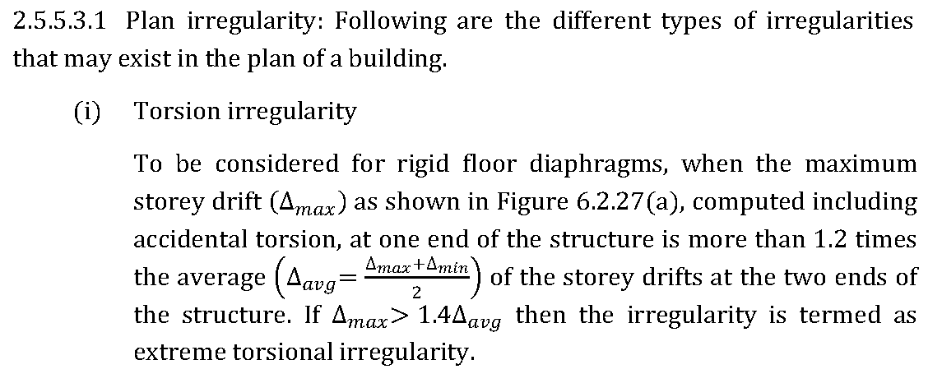
Story | Load Case/Combo | Max Drift | Avg Drift | Ratio | Check | Display >>Show Table>>Analysis>>Result>>Displacement>>Diaphragm Max/Avg Drift >> story (Roof to 1F) & Load ( EQ X1 to Y3) copy up to Ratio
Story911.MR | Ehx | 0.000859 | 0.000854 | 1.006 | Regular
Story911.MR | Ehx | 0.000879 | 0.000869 | 1.012 | Regular
Story911.MR | Ehx | 0.00084 | 0.000839 | 1.001 | Regular
Story911.MR | Ehy | 0.000904 | 0.000901 | 1.004 | Regular
Story911.MR | Ehy | 0.00092 | 0.00091 | 1.011 | Regular
Story911.MR | Ehy | 0.000909 | 0.000892 | 1.019 | Regular
Story910.TR | Ehx | 0.000873 | 0.000861 | 1.014 | Regular
Story910.TR | Ehx | 0.000907 | 0.000882 | 1.029 | Regular
Story910.TR | Ehx | 0.000842 | 0.00084 | 1.001 | Regular
Story910.TR | Ehy | 0.000907 | 0.000903 | 1.005 | Regular
Story910.TR | Ehy | 0.000925 | 0.000912 | 1.014 | Regular
Story910.TR | Ehy | 0.000916 | 0.000894 | 1.024 | Regular
Story9.Roof | Ehx | 0.000915 | 0.000856 | 1.069 | Regular
Story9.Roof | Ehx | 0.000995 | 0.00087 | 1.144 | Regular
Story9.Roof | Ehx | 0.000848 | 0.000842 | 1.007 | Regular
Story9.Roof | Ehy | 0.000917 | 0.000911 | 1.007 | Regular
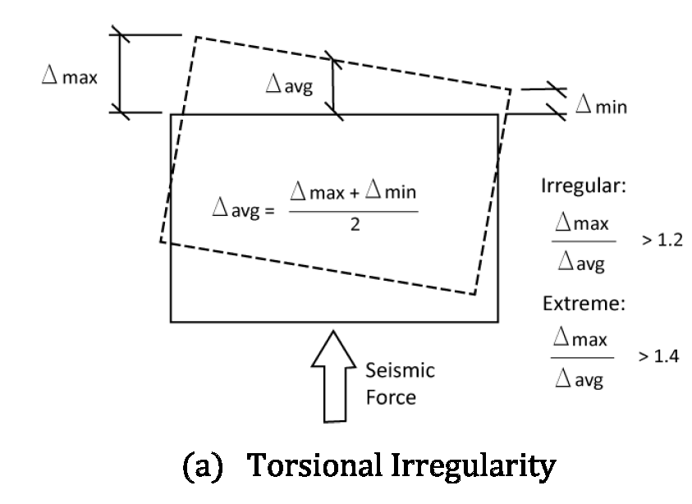
Story9.Roof | Ehy | 0.001007 | 0.000914 | 1.101 | Regular
Story9.Roof | Ehy | 0.000987 | 0.000907 | 1.088 | Regular
Story8 | Ehx | 0.000977 | 0.000929 | 1.052 | Regular
Story8 | Ehx | 0.001078 | 0.000946 | 1.14 | Regular
Story8 | Ehx | 0.000948 | 0.000912 | 1.039 | Regular
Story8 | Ehy | 0.001017 | 0.00101 | 1.007 | Regular
Story8 | Ehy | 0.001132 | 0.001015 | 1.116 | Regular
Story8 | Ehy | 0.001109 | 0.001005 | 1.103 | Regular
Story7 | Ehx | 0.001038 | 0.001005 | 1.033 | Regular
Story7 | Ehx | 0.001164 | 0.001025 | 1.136 | Regular
Story7 | Ehx | 0.001059 | 0.000986 | 1.074 | Regular
Story7 | Ehy | 0.001126 | 0.001122 | 1.003 | Regular
Story7 | Ehy | 0.001271 | 0.001128 | 1.127 | Regular
Story7 | Ehy | 0.001253 | 0.001117 | 1.122 | Regular
Story6 | Ehx | 0.001085 | 0.001068 | 1.016 | Regular
Story6 | Ehx | 0.001234 | 0.00109 | 1.132 | Regular
Story6 | Ehx | 0.001157 | 0.001047 | 1.105 | Regular
Story6 | Ehy | 0.001225 | 0.001224 | 1.001 | Regular
Story6 | Ehy | 0.001397 | 0.001231 | 1.135 | Regular
Story6 | Ehy | 0.001385 | 0.001218 | 1.138 | Regular
Story5 | Ehx | 0.001104 | 0.001103 | 1.001 | Regular
Story5 | Ehx | 0.001271 | 0.001126 | 1.129 | Regular
Story5 | Ehx | 0.001222 | 0.001079 | 1.132 | Regular
Story5 | Ehy | 0.001298 | 0.001293 | 1.004 | Regular
Story5 | Ehy | 0.001485 | 0.001301 | 1.142 | Regular
Story5 | Ehy | 0.00148 | 0.001286 | 1.151 | Regular
Story4 | Ehx | 0.001106 | 0.001094 | 1.012 | Regular
Story4 | Ehx | 0.001259 | 0.001118 | 1.127 | Regular
Story4 | Ehx | 0.001237 | 0.001069 | 1.156 | Regular
Story4 | Ehy | 0.001319 | 0.00131 | 1.007 | Regular
Story4 | Ehy | 0.001512 | 0.001318 | 1.148 | Regular
Story4 | Ehy | 0.001515 | 0.001302 | 1.163 | Regular
Story3 | Ehx | 0.001052 | 0.001028 | 1.024 | Regular
Story3 | Ehx | 0.001184 | 0.001052 | 1.126 | Regular
Story3 | Ehx | 0.001186 | 0.001004 | 1.181 | Regular
Story3 | Ehy | 0.001268 | 0.001255 | 1.01 | Regular
Story3 | Ehy | 0.001457 | 0.001263 | 1.154 | Regular
Story3 | Ehy | 0.001467 | 0.001248 | 1.176 | Regular
Story2 | Ehx | 0.000921 | 0.000891 | 1.034 | Regular
Story2 | Ehx | 0.00103 | 0.000912 | 1.129 | Regular
Story2 | Ehx | 0.001047 | 0.000869 | 1.205 | Irregular
Story2 | Ehy | 0.001121 | 0.001105 | 1.014 | Regular
Story2 | Ehy | 0.001292 | 0.001112 | 1.161 | Regular
Story2 | Ehy | 0.001309 | 0.001098 | 1.192 | Regular
Story1 | Ehx | 0.000692 | 0.000668 | 1.036 | Regular
Story1 | Ehx | 0.000783 | 0.000686 | 1.141 | Regular
Story1 | Ehx | 0.000795 | 0.00065 | 1.223 | Irregular
Story1 | Ehy | 0.000849 | 0.000836 | 1.016 | Regular
Story1 | Ehy | 0.000988 | 0.000842 | 1.173 | Regular
Story1 | Ehy | 0.001003 | 0.00083 | 1.208 | Irregular
GF | Ehx | 0.000304 | 0.000299 | 1.017 | Regular
GF | Ehx | 0.00036 | 0.000304 | 1.184 | Regular
GF | Ehx | 0.00034 | 0.000294 | 1.156 | Regular
GF | Ehy | 0.000379 | 0.000374 | 1.013 | Regular
GF | Ehy | 0.000456 | 0.000378 | 1.208 | Irregular
GF | Ehy | 0.000438 | 0.00037 | 1.186 | Regular
 |  |  |  |  | Regular
 |  |  |  |  | Regular
 |  |  |  |  | Regular
 |  |  |  |  | Regular
 |  |  |  |  | Regular
 |  |  |  |  | Regular
 |  |  |  |  | Regular
 |  |  |  |  | Regular
 |  |  |  |  | Regular
 |  |  |  |  | Regular
 |  |  |  |  | Regular
 |  |  |  |  | Regular
 |  |  |  |  | Regular
 |  |  |  |  | Regular
 |  |  |  |  | Regular
 |  |  |  |  | Regular
 |  |  |  |  | Regular
 |  |  |  |  | Regular

Video & Instruction


 | qLearnify is an educational platform dedicated to the professional development of engineers and architects.

 |  | Website: | https://qlearnify.com/
 |  | Facebook: | https://www.facebook.com/qlearnify
 |  | Youtube (Bangla): | https://www.youtube.com/@qlearnify-bn
 |  | Youtube (English): | https://www.youtube.com/@qlearnify-en
 |  | WhatsApp: | https://wa.me/8801511250108
 |  | LinkedIn: | https://www.linkedin.com/company/qlearnify/

 | Note: This Excel sheet has been created for educational purposes; please validate it according to your own standards before using it for professional work.

Video Tutorial

Bangla: | https://youtube.com/playlist?list=PLxle8F-wJI7P43K0GljphED4I5TRXu6Zx&si=el-Lrxm5mB1Vmgcf

English: | https://youtube.com/playlist?list=PLTscI_CLWNfB_1x6_7zylwLZWo7mKypCq&si=QzFh_rJa61GU0YNW

