Video & Instruction


 | qLearnify is an educational platform dedicated to the professional development of engineers and architects.

 |  | Website: | https://qlearnify.com/
 |  | Facebook: | https://www.facebook.com/qlearnify
 |  | Youtube (Bangla): | https://www.youtube.com/@qlearnify-bn
 |  | Youtube (English): | https://www.youtube.com/@qlearnify-en
 |  | WhatsApp: | https://wa.me/8801511250108
 |  | LinkedIn: | https://www.linkedin.com/company/qlearnify/

 | Note: This Excel sheet has been created for educational purposes; please validate it according to your own standards before using it for professional work.

Video Tutorial

Bangla: | https://youtube.com/playlist?list=PLxle8F-wJI7P43K0GljphED4I5TRXu6Zx&si=el-Lrxm5mB1Vmgcf

English: | https://youtube.com/playlist?list=PLTscI_CLWNfB_1x6_7zylwLZWo7mKypCq&si=QzFh_rJa61GU0YNW

Story Drift X
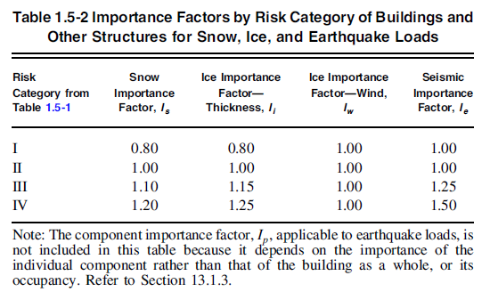
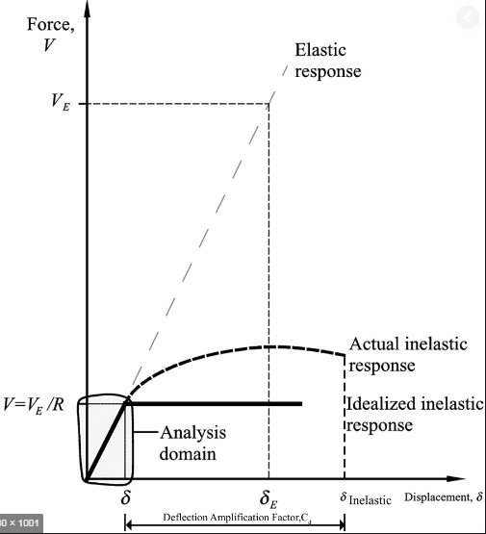
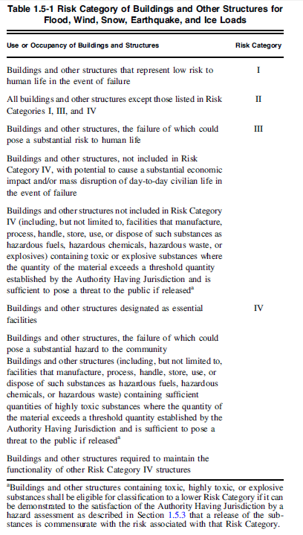
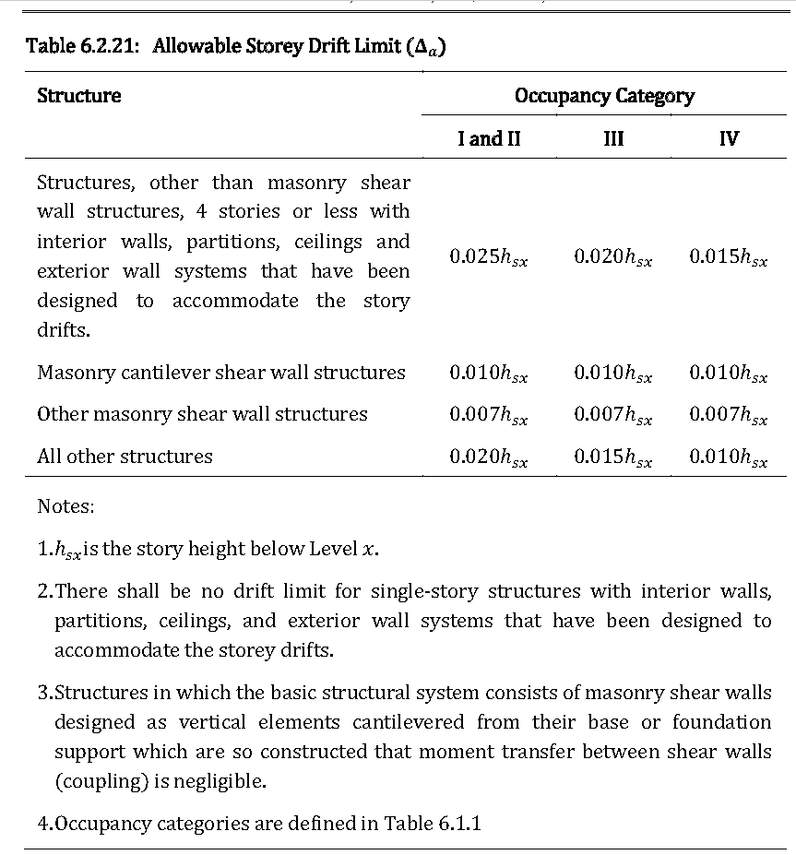
 |  |  | EX 1 Direction |  |  |  |  |  |  |  | EX 2 Direction
 |  |  | Cd | 5.5 | I | 1 | ∆a = | 0.02 |  |  | Cd | 5.5 | I | 1 | ∆a = | 0.02
 | Story | H(m) | Elastic Displacement(mm) | Amplified Displacement | Story Drift | Allowable | Check |  | Story | H | Elastic Displacement(mm) | Amplified Displacement | Story Drift | Allowable | Check
 |  |  | δ | ∆m | ∆i | ∆a |  |  |  |  | δ | ∆m | ∆i | ∆a
1 | Story9.TR | 3.048 | 56.115762 | 308.636691 | 25.207787 | 60.96 | Safe |  | Story9.TR | 3.048
2 | Story8.Roof | 3.048 | 51.532528 | 283.428904 | 29.4428915 | 60.96 | Safe |  | Story8.Roof | 3.048
3 | Story7 | 3.048 | 46.179275 | 253.9860125 | 33.4139245 | 60.96 | Safe |  | Story7 | 3.048
4 | Story6 | 3.048 | 40.104016 | 220.572088 | 37.010028 | 60.96 | Safe |  | Story6 | 3.048
5 | Story5 | 3.048 | 33.37492 | 183.56206 | 39.4427605 | 60.96 | Safe |  | Story5 | 3.048
6 | Story4 | 3.048 | 26.203509 | 144.1192995 | 40.19906 | 60.96 | Safe |  | Story4 | 3.048
7 | Story3 | 3.048 | 18.894589 | 103.9202395 | 38.804304 | 60.96 | Safe |  | Story3 | 3.048
8 | Story2 | 3.048 | 11.839261 | 65.1159355 | 34.498024 | 60.96 | Safe |  | Story2 | 3.048
9 | Story1 | 3.3528 | 5.566893 | 30.6179115 | -7.9728495 | 67.056 | Safe |  | Story1 | 3.3528
10 | GB | 1.524 | 7.016502 | 38.590761 | #VALUE! | 30.48 | #VALUE! |  | GB | 1.524
11
12
13
14
15
16
17
18
19
20
21
22
23
24
25
26
27
28
29
30

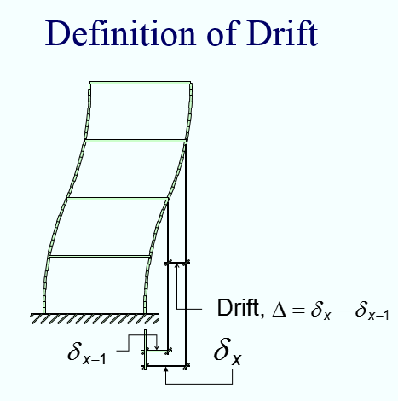

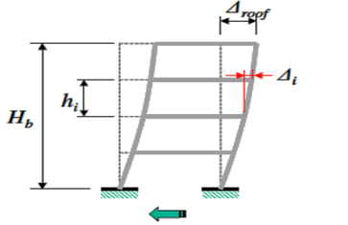

 |  |  | a) STORY DISPLACEMENT is the lateral displacement of floor or point from its origional position. b) STORY DRIFT is the lateral displacement of one level relative to the level below. c) STORY DRIFT RATIO is the story drift divided by the story height.

Story Drift Y
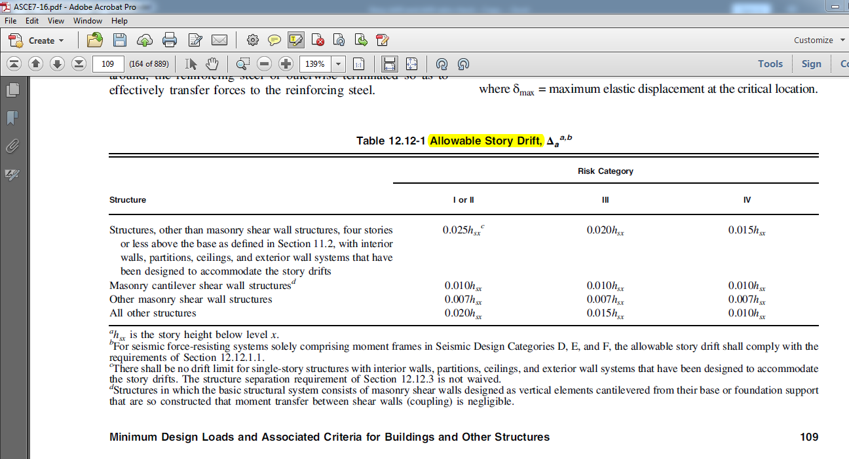
 |  | EY 1 Direction |  |  |  |  |  |  |  | EY 2 Direction
 |  | Cd | 5.5 | I | 1.25 | ∆a = | 0.015 |  |  | Cd | 5.5 | I | 1.25 | ∆a = | 0.015
Story | H(m) | Elastic Displacement(mm) | Amplified Displacement | Story Drift | Allowable | Check |  | Story | H | Elastic Displacement(mm) | Amplified Displacement | Story Drift | Allowable | Check
 |  | δ | ∆m | ∆i | ∆a |  |  |  |  | δ | ∆m | ∆i | ∆a
Story9.TR | 3.048 |  |  |  |  |  |  | Story9.TR | 3.048
Story8.Roof | 3.048 |  |  |  |  |  |  | Story8.Roof | 3.048
Story7 | 3.048 |  |  |  |  |  |  | Story7 | 3.048
Story6 | 3.048 |  |  |  |  |  |  | Story6 | 3.048
Story5 | 3.048 |  |  |  |  |  |  | Story5 | 3.048
Story4 | 3.048 |  |  |  |  |  |  | Story4 | 3.048
Story3 | 3.048 |  |  |  |  |  |  | Story3 | 3.048
Story2 | 3.048 |  |  |  |  |  |  | Story2 | 3.048
Story1 | 3.3528 |  |  |  |  |  |  | Story1 | 3.3528
GB | 1.524 |  |  |  |  |  |  | GB | 1.524
0 | 0 |  |  |  |  |  |  | 0 | 0
0 | 0 |  |  |  |  |  |  | 0 | 0
0 | 0 |  |  |  |  |  |  | 0 | 0
0 | 0 |  |  |  |  |  |  | 0 | 0
0 | 0 |  |  |  |  |  |  | 0 | 0
0 | 0 |  |  |  |  |  |  | 0 | 0
0 | 0 |  |  |  |  |  |  | 0 | 0
0 | 0 |  |  |  |  |  |  | 0 | 0
0 | 0 |  |  |  |  |  |  | 0 | 0
0 | 0 |  |  |  |  |  |  | 0 | 0
0 | 0 |  |  |  |  |  |  | 0 | 0
0 | 0 |  |  |  |  |  |  | 0 | 0
0 | 0 |  |  |  |  |  |  | 0 | 0
0 | 0 |  |  |  |  |  |  | 0 | 0
0 | 0 |  |  |  |  |  |  | 0 | 0
0 | 0 |  |  |  |  |  |  | 0 | 0
0 | 0 |  |  |  |  |  |  | 0 | 0
0 | 0 |  |  |  |  |  |  | 0 | 0
0 | 0 |  |  |  |  |  |  | 0 | 0
0 | 0 |  |  |  |  |  |  | 0 | 0

 |  | a) STORY DISPLACEMENT is the lateral displacement of floor or point from its origional position. b) STORY DRIFT is the lateral displacement of one level relative to the level below. c) STORY DRIFT RATIO is the story drift divided by the story height.

