Video & Instruction


 | qLearnify is an educational platform dedicated to the professional development of engineers and architects.

 |  | Website: | https://qlearnify.com/
 |  | Facebook: | https://www.facebook.com/qlearnify
 |  | Youtube (Bangla): | https://www.youtube.com/@qlearnify-bn
 |  | Youtube (English): | https://www.youtube.com/@qlearnify-en
 |  | WhatsApp: | https://wa.me/8801511250108
 |  | LinkedIn: | https://www.linkedin.com/company/qlearnify/

 | Note: This Excel sheet has been created for educational purposes; please validate it according to your own standards before using it for professional work.

Video Tutorial

Bangla: | https://youtube.com/playlist?list=PLxle8F-wJI7P43K0GljphED4I5TRXu6Zx&si=el-Lrxm5mB1Vmgcf

English: | https://youtube.com/playlist?list=PLTscI_CLWNfB_1x6_7zylwLZWo7mKypCq&si=QzFh_rJa61GU0YNW

OTM
This is the Poperty of qLearnify
This are Manageing By Engr. Hedaetullah And N.J. Disha (B.Sc. In Civil Engineering)
Support us And stay connected
This file is only for edicational Perpose. Pls don't misuse it.

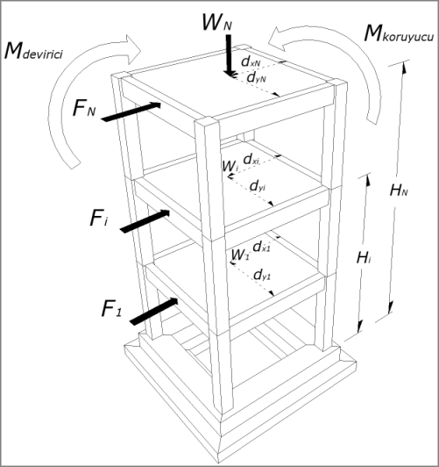
 | Load Case in X/Y-Direction
 | Level | Story Ht | Elevation | Story Force/Shear (Vx/Vy) | Overturning Moment
 | GF | 10 | 10 | -424.869 | 4248.69 |  |  |  | 11 | -21.014 | 350.639
 | Story1 | 10 | 20 | -420.537 | 8410.74 |  |  |  | 10 | -22.546 | 448.319
 | Story2 | 10 | 30 | -409.845 | 12295.35 |  |  |  | 9 | -25.673 | 424.629
 | Story3 | 10 | 40 | -391.465 | 15658.6 |  |  |  | 8 | -28.477 | 398.292
 | Story4 | 10 | 50 | -364.472 | 18223.6 |  |  |  | 7 | -29.479 | 405.134
 | Story5 | 10 | 60 | -328.103 | 19686.18 |  |  |  | 6 | -31.316 | 256.283
 | Story6 | 10 | 70 | -281.704 | 19719.28 |  |  |  | 5 | -32.28 | 557.631
 | Story7 | 10 | 80 | -224.693 | 17975.44 |  |  |  | 4 | -33.947 | 659.014
 | Story8 | 10 | 90 | -156.549 | 14089.41 |  |  |  | 3 | -34.981 | 615.539
 | Story9.Roof | 10 | 100 | -76.792 | 7679.2 |  |  |  | 2 | -31.058 | 586.009
 | Story910.TR | 10 | 110 | -18.761 | 2063.71 |  |  |  | 1 | -4.998 | 609.932
 | Story911.MR | 8 | 118 | -3.264 | 385.152 |  |  |  |  |  | 405.741
 |  |  |  |  |  |  |  |  |  |  | 429.65
 |  |  |  |  |  |  |  |  |  |  | 380.197
 |  |  |  |  |  |  |  |  |  |  | 484.91
 |  |  |  |  |  |  |  |  |  |  | 512.868
 |  |  |  |  |  |  |  |  |  |  | 362.303
 |  |  |  |  |  |  |  |  |  |  | 509.638
 |  |  |  |  |  |  |  |  |  |  | 650.281
 |  |  |  |  |  |  |  |  |  |  | 411.907
 |  |  |  |  |  |  |  |  |  |  | 344.232
 |  |  |  |  |  |  |  |  |  |  | 371.515

 |  |  |  |  |  |  |  |  |  |  | 479.551
 |  |  |  |  |  |  |  |  |  |  | 484.956
 |  |  |  |  |  |  |  |  |  |  | 298.94
 |  |  |  | -Base Shear= 3101 | Total OM= 140435 |  |  |  |  |  | 378.051
 |  |  |  |  |  |  |  |  |  |  | 433.281
 |  |  |  |  |  |  |  |  |  |  | 123.268
 |  |  |  |  |  |  |  |  |  |  | 114.893
 | Building Weight/Sum of all DL= |  |  |  | 14465.28 |  |  |  |  |  | 138.574
 | Distance of Mass Center Along X/Y-direction= |  |  |  | 40.56 |  |  |  |  |  | 124.34
 | Resisting Moment = |  |  |  | 586711.7568 |  |  |  |  |  | 122.086
 |  |  |  |  |  |  |  |  |  |  | 135.75
 | Safety Factor = |  |  |  | 4.18 | > | 1.5 | OK |  |  | 114.721
 |  |  |  |  |  |  |  |  |  |  | 102.334
 |  |  |  |  |  |  |  |  |  |  | 107.119
 |  |  |  |  |  |  |  |  |  |  | 106.528
 |  |  |  |  |  |  |  |  |  |  | 108.918
 |  |  |  |  |  |  |  |  |  |  | 115.043
 |  |  |  |  |  |  |  |  |  |  | 115.115
 |  |  |  |  |  |  |  |  |  |  | 117.351
 |  |  |  |  |  |  |  |  |  |  | 122.667
 |  |  |  |  |  |  |  |  |  |  | 120.964
 |  |  |  |  |  |  |  |  |  |  | 117.582
 |  |  |  |  |  |  |  |  |  |  | 117.259
 |  |  |  |  |  |  |  |  |  |  | 105.309
 |  |  |  |  |  |  |  |  |  |  | 107.422
 |  |  |  |  |  |  |  |  |  |  | 112.369
 |  |  |  |  |  |  |  |  |  |  | 127.031
 |  |  |  |  |  |  |  |  |  |  | 121.459
 |  |  |  |  |  |  |  |  |  |  | 120.162
 |  |  |  |  |  |  |  |  |  |  | 101.077
 |  |  |  |  |  |  |  |  |  |  | 97.155
 |  |  |  |  |  |  |  |  |  |  | 94.638
 |  |  |  |  |  |  |  |  |  |  | 102.791
 |  |  |  |  |  |  |  |  |  |  | 90.787
 |  |  |  |  |  |  |  |  |  |  | 88.802
 |  |  |  |  |  |  |  |  |  |  | 97.152
 |  |  |  |  |  |  |  |  |  |  | 97.436
 |  |  |  |  |  |  |  |  |  |  | 86.767
 |  |  |  |  |  |  |  |  |  |  | 91.233
 |  |  |  |  |  |  |  |  |  |  | 16015.544

