Video & Instruction


 | qLearnify is an educational platform dedicated to the professional development of engineers and architects.

 |  | Website: | https://qlearnify.com/
 |  | Facebook: | https://www.facebook.com/qlearnify
 |  | Youtube (Bangla): | https://www.youtube.com/@qlearnify-bn
 |  | Youtube (English): | https://www.youtube.com/@qlearnify-en
 |  | WhatsApp: | https://wa.me/8801511250108
 |  | LinkedIn: | https://www.linkedin.com/company/qlearnify/

 | Note: This Excel sheet has been created for educational purposes; please validate it according to your own standards before using it for professional work.

Video Tutorial

Bangla: | https://youtube.com/playlist?list=PLxle8F-wJI7P43K0GljphED4I5TRXu6Zx&si=el-Lrxm5mB1Vmgcf

English: | https://youtube.com/playlist?list=PLTscI_CLWNfB_1x6_7zylwLZWo7mKypCq&si=QzFh_rJa61GU0YNW

V1.3 (Updated 03-2025)
Input the provided value In Blue Box
Materials Properties: |  |  |  |  | Case 1 | Case 2 | Case 3 | Case 4 | Case 5 | Case 6 | Case 7 | Case 8 | Case 9
 | Given data(PSI) | Converted Data | Main Data
 |  | 24000 | 24000 | psi
 |  | 1350 | 1350 | psi | † A crosshatched edge indicates that the slab continues across, or is fixed at the support; an unmarked edge indicates a support at which torsional resistance is negligible.
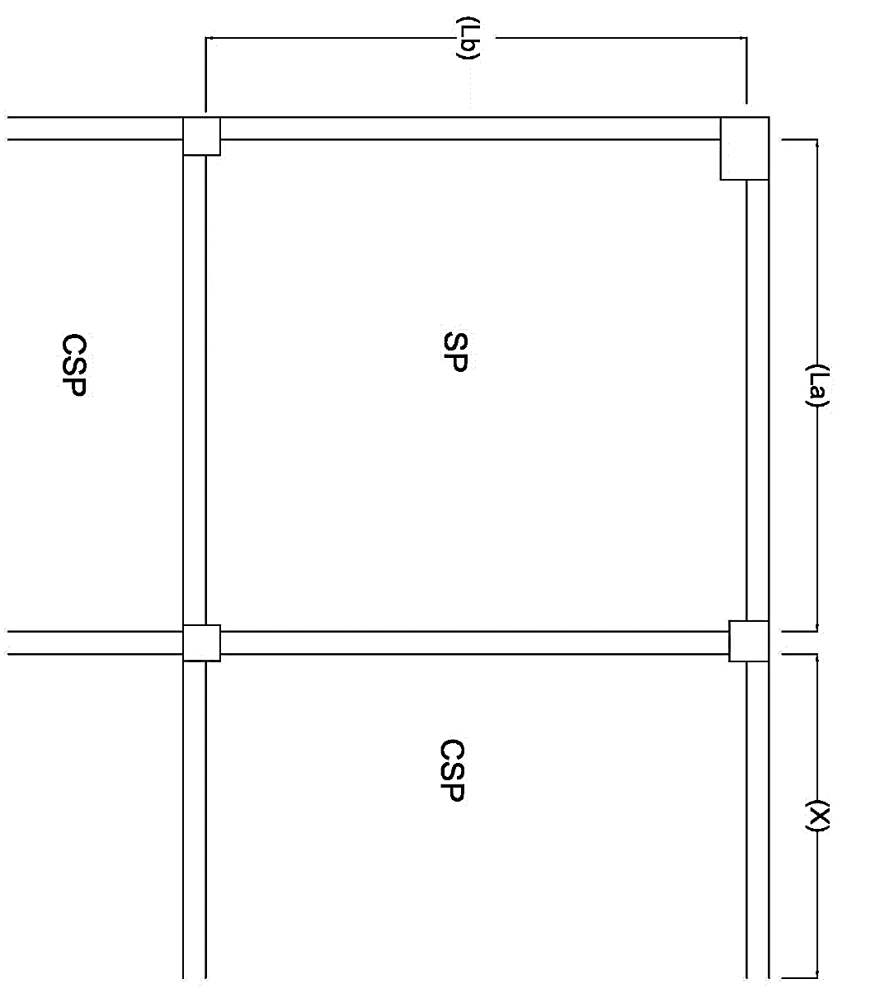
 |  | f'c = | 3000 | psi
 |  | fy = | 60000 | psi
SDL (FF)= |  |  | 66.667 | psf | Select your Slab Case- |  | Case 2
Live Load ,L.L= |  |  | 60 | psf
 | Width of Beam (bw)= |  | 10 | in
 | Higth of Beam (bh)= |  | 15 | in
Number of provided Bar= |  |  | 3 | #
Half of the Continuous Panel X= |  |  | 5.75 | ft
Shorter Direction length ,A = |  |  | 13 | ft |  |  |  |  | This Is Devoloped By, Engr Hedaetullah Dept. Of Civil Engg. TEC(RU) +8801763603339
Longer Direction length ,B = |  |  | 14 | ft | Two Way Slab Is Confirm.

n= | 9 | 9.2888620863 |  |  |  |  |  |  |  |  | Enjoy This Softwere But Please Don’t Change Anything Except 'Blue BOX'
r= | 17.78 | Load Form Wall
k= | 0.336 | Length= | 0 | ft
j= | 0.8880 | Thickness= | 0 | in
R= | 201.45 | Hight= | 0 | ft
 |  |  |  |  |  | Final Thickness
 | Slab Thickness (Trail)= |  | 5 | 4.04 | in » | 5.00 | in

Shorter--> | d (provided)= | 4.0625 | in
Longer--> | d (provided)= | 3.6875 | in

Dead Load,DL= |  | 129.167 | psf
Total Load, W = |  | 189.167 | psf

Moment Coefficient Ratio, m = |  |  | 0.93
 |  | m for Ca= | 0.90 |  | Final Value of moment coefficient
 |  | m for Cb= | 0.95 |  | CA neg | CB neg | CA DL |  | CB DL | CA LL | CB LL
 |  |  |  |  | 0.0550 | 0.0410 | 0.0220 |  | 0.0160 | 0.0340 | 0.0250

Moment Calculation
 |  |  | Max Moment,
For Longer Direction (B), |  |  | M max= | 1758.31 | lb-ft
MBneg= | 1520.15 | lb-ft | 1520.15
MBPos= | 699.07 | lb-ft |  | Depth Check
 |  |  |  | d(requred)= | 2.95 | in | Depth Check Is ok!
For Shorter Direction(A), |  |  | 1758.307265
MAneg= | 1758.31 | lb-ft
MAPos= | 825.00 | lb-ft

Momenrt for Discontinous End,
MBneg= | 233.02257067 | lb-ft
MAneg= | 275.001 | lb-ft

Reinforcement Calculation: |  |  |  | Speacing Calculation for mid-span:
Minmum Reinforcement= |  | 0.108 | in^2
 |  |  |  | For Shorter Direction: |  |  |  |  | Max Speacing: 2 t = |  | 10 | in
For Shorter Direction |  |  |  | SA= | 11.590 | in » | 10.0000 | in

As neg= | 0.244 | in^2 |  | For longer Direction:
As pos= | 0.114 | in^2 |  | SA= | 12.272 | in » | 10.0000 | in
 |  |  |  |  |  |  |  |  |  |  |  |  |  |  |  | nos | All Nos
For Longer Direction |  |  |  | Extra top calculation: |  | (continuous End) |  |  | Extra top calculation: |  | (Dis-continuous End) |  |  | req A | 0.177 | 1.6065879272 | 2.6776465453
 |  |  |  |  |  |  |  |  |  |  |  |  |  | req B | 0.166 | 1.5017115779 | 2.5028526299
As neg= | 0.232 | in^2 |  | For Short Direction: |  |  |  |  | For Short Direction: |  |  |  |  | Dis A | 0.042 | 0.37784568373 | 0.62974280621
As pos= | 0.108 | in^2 |  | As Provided= | 0.0663 | in^2 |  |  | As Provided= | 0.0663 | in^2 |  |  | Dis B | 0.042 | 0.37784568373 | 0.62974280621
 |  |  |  | Extra Top | 2.68 | Nos |  |  | Extra Top | 0.63 | Nos

At Discontinious End |  |  |  | For Longer Direction: |  |  |  |  | For Longer Direction:
 |  |  |  | As Provided= | 0.0663 | in^2 |  |  | As Provided= | 0.0663 | in^2
As neg A= | 0.1080 | in^2 |  | Extra Top | 2.50 | Nos |  |  | Extra Top | 0.63 | Nos

As neg B= | 0.1080 | in^2

