Video & Instruction


 | qLearnify is an educational platform dedicated to the professional development of engineers and architects.

 |  | Website: | https://qlearnify.com/
 |  | Facebook: | https://www.facebook.com/qlearnify
 |  | Youtube (Bangla): | https://www.youtube.com/@qlearnify-bn
 |  | Youtube (English): | https://www.youtube.com/@qlearnify-en
 |  | WhatsApp: | https://wa.me/8801511250108
 |  | LinkedIn: | https://www.linkedin.com/company/qlearnify/

 | Note: This Excel sheet has been created for educational purposes; please validate it according to your own standards before using it for professional work.

Video Tutorial

Bangla: | https://youtube.com/playlist?list=PLxle8F-wJI7P43K0GljphED4I5TRXu6Zx&si=el-Lrxm5mB1Vmgcf

English: | https://youtube.com/playlist?list=PLTscI_CLWNfB_1x6_7zylwLZWo7mKypCq&si=QzFh_rJa61GU0YNW

RIFD V1.1 (Updated 08-09-2023)
This is the product of qLearnify
By Engr Hedaetullah & Nj Disha
www.ceta-ac.com

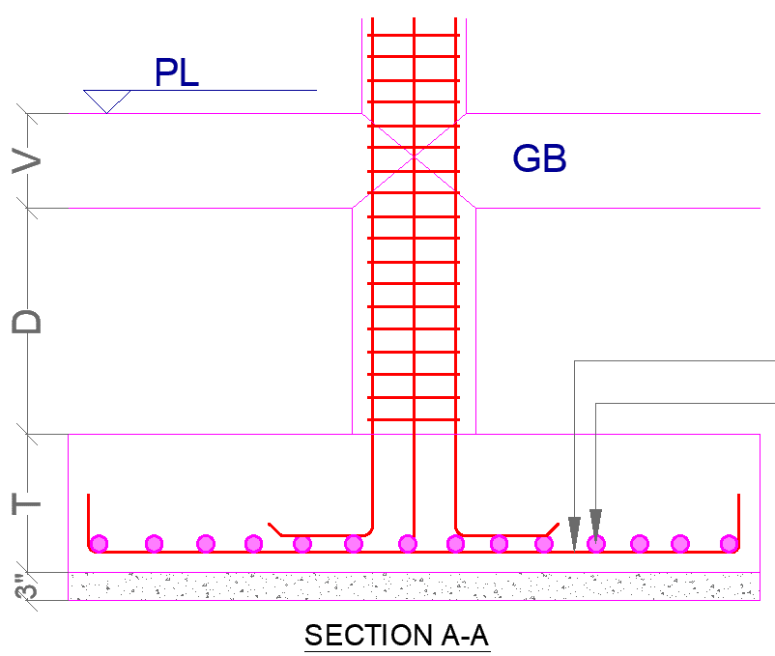
 | Materials Properties:
 |  | Given data(PSI) | Converted Data | Main Data
 |  |  | 29000 | 29000 | psi
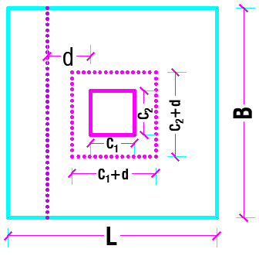
 |  |  | 1350 | 1350 | psi
 |  |  | f'c = | 3000 | psi
 |  |  | fy = | 72500 | psi
 | Dead Load (DL)= |  |  | 107 | Kips
 | Live Load (LL)= |  |  | 31 | Kips |  |  |  |  |  | 16mm Ø @10.25 c/c
 | Allowable Soil Pressure (BC), Qa= |  |  | 2.35 | Ksf |  |  |  |  |  | 16mm Ø @10.75 c/c
 | Depth of the Footing Base Form EGL, H= |  |  | 5 | ft
 | Column Size, C1 = |  |  | 15 | in |  |  |  | Main Bar Area= | 14.50 in
 | Column Size, C2 = |  |  | 12 | in |  |  |  | Distributed Bar= | 3.142
 | Average Unit Weight (Concrete+Soil) qe= |  |  | 125 | psf
 | Long Dir Bar= |  |  | 16 | mm Ø
 | Short Dir Ba= |  |  | 16 | mm Ø
 | Trail Effective Thickness/Depth, d = |  |  | 10.75 | in
 | Bottom Clear Cover ,C/C = |  |  | 3 | in
 | Trial Length, L= |  |  | 10 | ft | Approximate B
 | Trial width, B= |  |  | 8 | ft | 8.00
 |  |  | (Long) a= | 0.6500 | Approximate a= |  | 0.8900
 |  |  | (Short) a= | 0.6900 | Approximate a= |  | 0.5707

 | Pressure of Maretials at the base of the footing= |  |  | 625.00 | psf
 | Available B.C. to Carry the Column Service Load |  |  | 1725.00 | psf
 | Required Footing Area, A req= |  |  | 80.00 | sqft
 | Furnishing Footing Area= |  |  | 80.00 | sqft
 | Upward Pressure by factor Column load = |  |  | 2.23 | Ksf
 | Length of the critical perimeter, bo= |  |  | 97.00 | in
 | Punching Shear Check |  |  | Satisfied
 | Shear Force acting on this perimeter, Vu1= |  |  | 168.95 | Kips
 | Nominal Shear, Vc= |  |  | 228.46 | Kips
 | Vu= |  |  | 171.34 | Kips
 | One Way - Beam Shear Check (For L Dir) |  |  | Satisfied
 | Shear Force acting on this perimeter, Vu2= |  |  | 61.93 | Kips | for L Dir | 3.48
 | Nominal Shear, Vc= |  |  | 113.05 | Kips | for B Dir | 2.60
 | Vu= |  |  | 84.79 | Kips
 | One Way - Beam Shear Check (For B Dir) |  |  | Satisfied
 | Shear Force acting on this perimeter, Vu2= |  |  | 57.94 | Kips
 | Nominal Shear, Vc= |  |  | 141.31 | Kips
 | Vu= |  |  | 105.98 | Kips
 | Moment & Rebar Calculation (For Long)
 | Bending Moment Mu= |  |  | 2044.22 | Kips-in | M_L= | 4.38
 | As= |  |  | 3.01 | in^2
 | As (min)= |  |  | 2.34 | in^2
 | Not less than, As (min)= |  |  | 2.85 | in^2
 | Controlling Value of Rebar, As = |  |  | 3.01 | in^2
 | Specing Calucation Sp= |  |  | 10.25 | in c/c |  |  | 0.7853981634 | 0.7853981634
 | Moment & Rebar Calculation (For Short)
 | Bending Moment Mu= |  |  | 1635.38 | Kips-in | M_B= | 3.50
 | As= |  |  | 2.41 | in^2
 | As (min)= |  |  | 2.92 | in^2
 | Not less than, As (min)= |  |  | 3.56 | in^2
 | Controlling Value of Rebar, As = |  |  | 3.56 | in^2
 | Specing Calucation Sp= |  |  | 10.75 | in c/c

