Video & Instruction


 | qLearnify is an educational platform dedicated to the professional development of engineers and architects.

 |  | Website: | https://qlearnify.com/
 |  | Facebook: | https://www.facebook.com/qlearnify
 |  | Youtube (Bangla): | https://www.youtube.com/@qlearnify-bn
 |  | Youtube (English): | https://www.youtube.com/@qlearnify-en
 |  | WhatsApp: | https://wa.me/8801511250108
 |  | LinkedIn: | https://www.linkedin.com/company/qlearnify/

 | Note: This Excel sheet has been created for educational purposes; please validate it according to your own standards before using it for professional work.

Video Tutorial

Bangla: | https://youtube.com/playlist?list=PLxle8F-wJI7P43K0GljphED4I5TRXu6Zx&si=el-Lrxm5mB1Vmgcf

English: | https://youtube.com/playlist?list=PLTscI_CLWNfB_1x6_7zylwLZWo7mKypCq&si=QzFh_rJa61GU0YNW

V1.3 (Updated 03-2025)
Input the provided value In Blue Box

 |  |  |  |  |  |  |  | Case 1 | Case 2 | Case 3 | Case 4 | Case 5 | Case 6 | Case 7 | Case 8 | Case 9

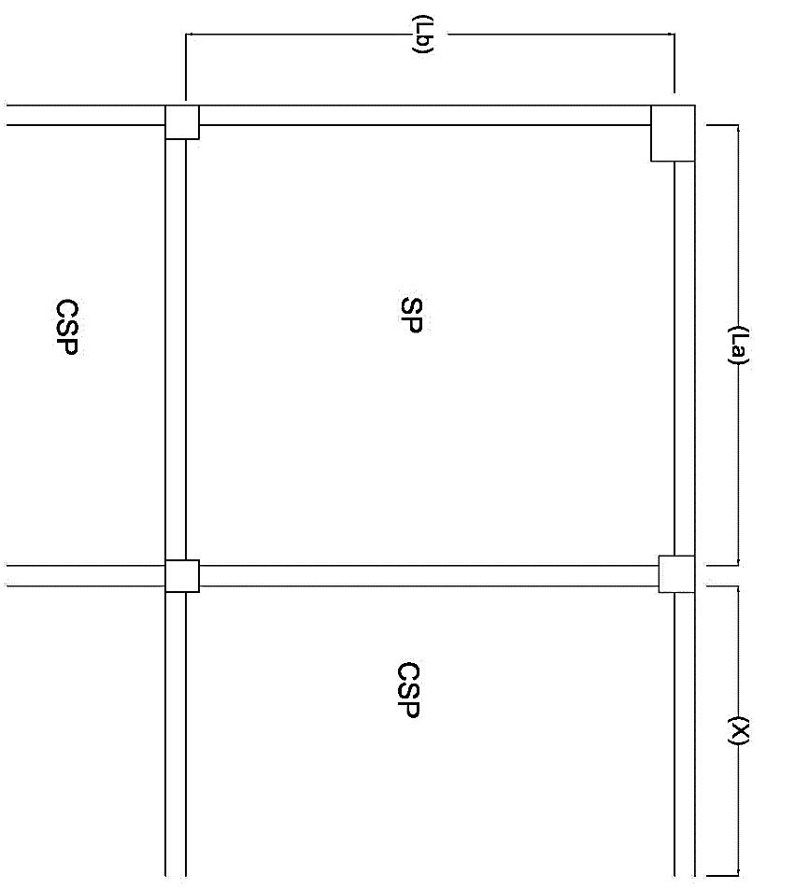
Materials Properties:
 |  | Converted Data | Main Data
 |  | fs= | 24000 | psi
 |  | fc= | 1260 | psi |  |  |  |  |  |  |  |  | You Have Entered Shorter & longer Length Incorrectly!
 |  | f'c= | 2800 | psi
 |  | fy= | 60000 | psi
ExtraDL (SDL+FFL) |  |  | 25 | psf
Live Load ,L.L= |  |  | 40 | psf
 | Width of Beam (bw)= |  | 10 | in
 | Higth of Beam (bh)= |  | 18 | in
Dia of provided Bar= |  |  | 3.15 | #
Half of the Continuous Panel X= |  |  | 8.5 | ft
Shorter Direction length ,A = |  |  | 19.25 | ft
Longer Direction length ,B = |  |  | 20.5 | ft | Two Way Slab Is Confirm.
 | Load Form Wall
 |  | Length= | 29.83 | ft
 |  | Thickness= | 0.5 | ft
 |  | Hight= | 9.5 | ft
 |  | Case | Case 4
Ф | 0.90 | 9.6148857169 |  |  | Enjoy This Softwere But Please Don’t Change Anything Except 'Blue BOX'
β | 0.85
ρ | 0.0145
R= | 708.61
Shorter Direction length ,A = |  |  | 19.25 | ft
Longer Direction length ,B = |  |  | 20.50 | ft

 | B/A= | 1.06 | <2 ;Two Way Slab Is Confurm!
 |  |  |  |  |  | Final Thickness
 | Slab Thickness (Trail)= |  | 6 | 5.93 | in » | 6.00 | in |  |  |  |  | 0.24271195389

Shorter--> | d (provided)= | 5.0531 | in
Longer--> | d (provided)= | 4.659375 | in
Load Form Wall
Length= | 29.83 | ft
Width= | 0.5 | ft
Hight= | 9.5 | ft
Total= | 43.086727906 | psf

Dead Load,DL= |  | 143.08672791 | psf
Total Load, W = |  | 235.70407349 | psf

Moment Coefficient Ratio, m = |  |  | 0.939
 |  | m for Ca= | 0.90
 |  | m for Cb= | 0.95 |  | Final Value of moment coefficient
 |  |  |  |  | CA neg | CB neg | CA DL |  | CB DL | CA LL | CB LL
 |  |  |  |  | 0.0600 | 0.0450 | 0.0330 |  | 0.0240 | 0.0390 | 0.0290

Moment Calculation
 |  |  | Max Moment, |  |  |  |  |  |  |  |  |  |  |  | a | 3240000000
For Longer Direction (B), |  |  | M max= | 5240.59 | lb-ft |  |  |  |  |  |  |  |  |  | b | -15586263000
MBneg= | 4457.46 | lb-ft | 4457.46 |  |  |  |  |  |  |  |  |  |  |  | c | 3592106886.7
MBPos= | 1930.66 | lb-ft |  | Depth Check |  |  |  |  |  |  |  |  |  |  | X1 | 0.24271195389
 |  |  |  | d(requred)= | 2.87 | in | Depth Check Is ok! |  |  |  |  |  |  |  | x2 | 0.24271195389
For Shorter Direction(A), |  |  | 5240.5854439
MAneg= | 5240.59 | lb-ft
MAPos= | 2327.82 | lb-ft |  |  |  |  |  |  |  |  |  |  |  |  | 0.24271195389

Momenrt for Discontinous End,
MBneg= | 643.55 | lb-ft
MAneg= | 775.94 | lb-ft

Reinforcement Calculation: |  |  |  | Speacing Calculation for mid-span:
Minmum Reinforcement= |  | 0.1296 | in^2
 |  |  |  | For Shorter Direction: |  |  |  |  | Max Speacing: 2xt = |  | 12 | in
For Shorter Direction |  |  |  | SA= | 11.275 | in » | 6.0000 | in
As neg= | 0.2427 | in^2 |  | For longer Direction:
As pos= | 0.1296 | in^2 |  | SB= | 11.275 | in » | 6.0000 | in
 |  |  |  |  |  |  |  |  |  |  |  |  |  |  |  |  | nos | All Nos
For Longer Direction |  |  |  | Extra top calculation: |  | (continuous End) |  |  | Extra top calculation: |  | (Dis-continuous End) |  |  |  | req A | 0.1209 | 0.99323789788 | 0.99323789788
As neg= | 0.2239 | in^2 |  | For Short Direction: |  |  |  |  | For Short Direction: |  |  |  |  |  | req B | 0.1021 | 0.83869078557 | 0.83869078557
As pos= | 0.1296 | in^2 |  | As Provided= | 0.1218 | in^2 |  |  | As Provided= | 0.1218 | in^2 |  |  |  | Dis A | 0.0078 | 0.064321832629 | 0.064321832629
 |  |  |  | Extra Top | 0.99 | Nos |  |  | Extra Top | 0.06 | Nos |  |  |  | Dis B | 0.0078 | 0.064321832629 | 0.064321832629

At Discontinious End |  |  |  | For Longer Direction: |  |  |  |  | For Longer Direction:
 |  |  |  | As Provided= | 0.1218 | in^2 |  |  | As Provided= | 0.1218 | in^2
As neg A= | 0.1296 | in^2 |  | Extra Top | 0.84 | Nos |  |  | Extra Top | 0.06 | Nos
As neg B= | 0.1296 | in^2

 |  |  |  |  |  |  |  |  |  |  |  |  |  |  |  |  |  |  | This Is Devoloped By, SM Hedaetullah First Batch Dept. Of Civil Engg. TEC(RU) +8801763603339

