Video & Instruction


 | qLearnify is an educational platform dedicated to the professional development of engineers and architects.

 |  | Website: | https://qlearnify.com/
 |  | Facebook: | https://www.facebook.com/qlearnify
 |  | Youtube (Bangla): | https://www.youtube.com/@qlearnify-bn
 |  | Youtube (English): | https://www.youtube.com/@qlearnify-en
 |  | WhatsApp: | https://wa.me/8801511250108
 |  | LinkedIn: | https://www.linkedin.com/company/qlearnify/

 | Note: This Excel sheet has been created for educational purposes; please validate it according to your own standards before using it for professional work.

Video Tutorial

Bangla: | https://youtube.com/playlist?list=PLxle8F-wJI7P43K0GljphED4I5TRXu6Zx&si=el-Lrxm5mB1Vmgcf

English: | https://youtube.com/playlist?list=PLTscI_CLWNfB_1x6_7zylwLZWo7mKypCq&si=QzFh_rJa61GU0YNW

Input Data
 | This Excel Sheet is Created By Engr Hedaetullah & NJ Disha
 | qLearnify
 | Stay Connected and support Us.
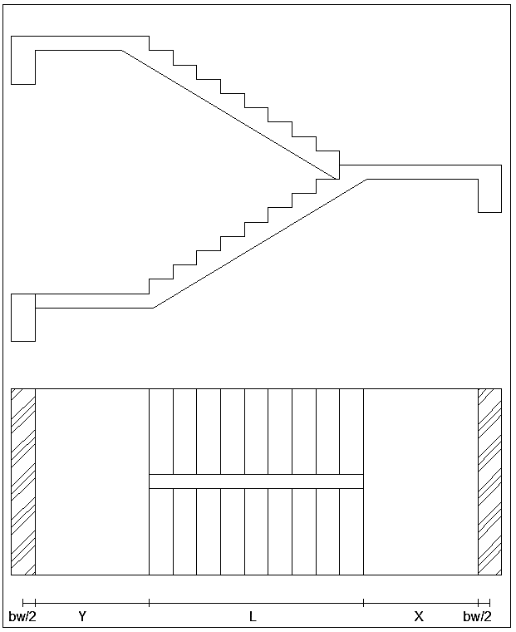
 |  |  | Main Data
 |  | f'c= | 2800 | psi
 |  | fy= | 72500 | psi
ExtraDL (SDL+FFL) |  |  | 20 | psf
Live Load ,L.L= |  |  | 100 | psf
 | (B & T) Width of Beam (bw)= |  | 10 | in
 | Width of Strainger Beam (bws)= |  | 10 | in
Starting Landing Length= |  |  | 3.5 | ft
End Landing Length= |  |  | 3.5 | ft
Trade= |  |  | 10 | in
Riser= |  |  | 6 | in
Nos of Trade= |  |  | 6
Nos of Riser= |  |  | 7
Clear Cover, CC= |  |  | 0.75 | in
Longitudinal/Main Rabar Dia= |  |  | 12 | mm
Transverse/Shear Rebar Dia= |  |  | 10 | mm | This Excel Sheet is Created By Engr Hedaetullah & NJ Disha
 |  | For Shear, φ = | 0.75 |  | YT: School of Civil Engineering/ SOCE BD
 |  | For Moment, φ = | 0.9 |  | Stay Connected and support Us.
 |  | λ= | 1
 |  | β= | 0.85

Load Calculation
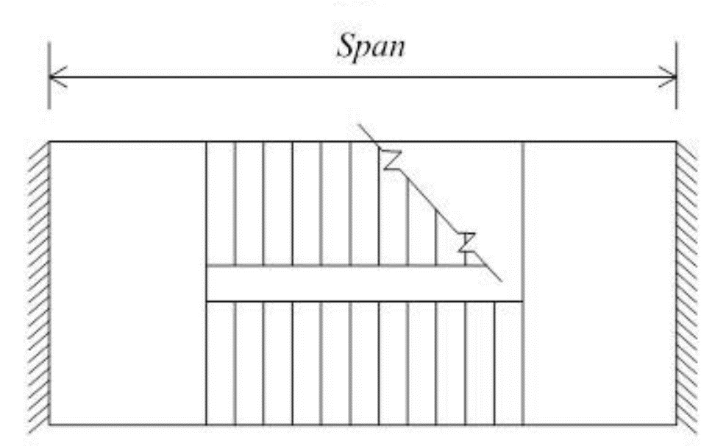

Horizontal Length of Stair Flight= |  | 5.00 | ft
Vertical height of Stair Flight= |  | 3.50 | ft
Angle, θ= |  | 34.992 | Deg | Provide
Cos θ= |  | 0.819 |  | Weist Slab Thickness, t
 | Inclined Length of Stair= | 6.10 | ft | 6.50 in
 | Effective Length of Stair= | 12.83 | ft
 | Weist Slab Thickness (Minimum)= | 6.54 | in | ACI 318-08 [Table-9.5(a)]
 | Effective Depth= | 5.12 | in

 | Load Calculation
 | Flight Load
 | Self Weight of Weist Slab= | 81.25 | lb/ft
 | Self Weight of Steps= | 30.72 | lb/ft
 | Totol DL= | 131.97 | lb/ft |  |  | 6.10 ft
 | Factored Load (Inclined), Wfi= | 318.36543642 | lb/ft |  |  |  |  |  | 3.50 ft
 | Factored Load (Horizontal), Wfh= | 388.61454058 | lb/ft
 | Landing Load
 | Factor Load, Wl= | 281.5 | lb/ft |  |  |  | 34.99 | deg

 | This Excel Sheet is Created By Engr Hedaetullah & NJ Disha
 | YT: School of Civil Engineering/ SOCE BD
 | Stay Connected and support Us.

 |  |  |  |  | 3.92 ft |  | 5.00 ft |  | 3.92 ft

Design Calculation
(φVc=φ2λ$\sqrt{f^{′}c}$ bd)
 | Shear Check for Provided Effective Depth,d |  |  |  |  | Main Reinforcement Calculation For Flight |  |  |  |  | a= | 4730625000
Maximum Shear, Vu= |  |  |  | 2074.1 | lb | Main reinforcement for Flight, As= |  |  | 0.277 | in^2 | b= | -19082943071
Allawable Shear, φVc= |  |  |  | 4876.7 | lb | Minimum reinforcement for Flight, As= |  |  | 0.135 | in^2 | c= | 4920601426.5
Thickness check= |  |  |  | OK | Allawable shear > Maximum Shear | Provided Reinforcement for Flight, As= |  |  | 0.277 | in^2 | X1= | 0.27685435838
 |  |  |  |  |  |  |  |  |  |  | X2= | 3.7570614711
 | Depth Check For Moment |  |  |  |  | Spacing Calculation
Mu= |  |  |  | 7178.7 | lb-ft | Spacing For Logn Bar, S= |  |  | 7.568 | in C/C
 |  |  | ρ= | 0.01522 |  | Maximum Spacing For Crack Control, Smax= |  |  | 10.539 | in C/C
 |  |  | ρmax= | 0.01142 |  | Provided Spacing, Sprovided)= |  |  | 7.500 | in C/C | a= | 4730625000
 |  |  | R= | 683.27 | psi |  |  |  |  |  | b= | -19082943071
 |  |  | dreq= | 3.42 | in | Shear (Transverse) Reinforcement Calculation for Flight |  |  |  |  | c= | 4088189080.6
 |  | Depth Check= |  | OK |  | Is Shear Reinforcement required? = |  |  | No | As, Vu<φVc/2 | X1= | 0.22700740346
 |  |  |  |  |  | Minimum Required= |  |  | 0.140 | in^2 | X2= | 3.806908426
 |  |  |  |  |  | Spacing= |  |  | 10.25 | in C/C

 |  |  |  |  | Main Reinforcement Calculation For Landing
 |  |  |  |  | Main reinforcement for Landing, As= | 0.227 | in^2
 |  |  |  |  | Minimum reinforcement for Landing, As= | 0.135 | in^2
 |  |  |  |  | Provided Reinforcement for Landing, As= | 0.227 | in^2

 |  |  |  |  | Spacing Calculation
 |  |  |  |  | Spacing For Logn Bar, S= | 9.230 | in C/C | This Excel Sheet is Created By Engr Hedaetullah & NJ Disha
 |  |  |  |  | Maximum Spacing For Crack Control, Smax= | 10.539 | in C/C | YT: School of Civil Engineering/ SOCE BD
 |  |  |  |  | Provided Spacing, Sprovided)= | 9.000 | in C/C | Stay Connected and support Us.

 |  |  |  |  | Shear (Transverse) Reinforcement Calculation for Flight
 |  |  |  |  | Is Shear Reinforcement required? = | No | As, Vu<φVc/2
 |  |  |  |  | Minimum Required= | 0.140 | in^2
 |  |  |  |  | Spacing= | 10.25 | in C/C

