Video & Instruction


 | qLearnify is an educational platform dedicated to the professional development of engineers and architects.

 |  | Website: | https://qlearnify.com/
 |  | Facebook: | https://www.facebook.com/qlearnify
 |  | Youtube (Bangla): | https://www.youtube.com/@qlearnify-bn
 |  | Youtube (English): | https://www.youtube.com/@qlearnify-en
 |  | WhatsApp: | https://wa.me/8801511250108
 |  | LinkedIn: | https://www.linkedin.com/company/qlearnify/

 | Note: This Excel sheet has been created for educational purposes; please validate it according to your own standards before using it for professional work.

Video Tutorial

Bangla: | https://youtube.com/playlist?list=PLxle8F-wJI7P43K0GljphED4I5TRXu6Zx&si=el-Lrxm5mB1Vmgcf

English: | https://youtube.com/playlist?list=PLTscI_CLWNfB_1x6_7zylwLZWo7mKypCq&si=QzFh_rJa61GU0YNW

Input Data
This Excel Sheet is Created By Engr Hedaetullah & NJ Disha
YT: School of Civil Engineering/ SOCE BD
Stay Connected and support Us.

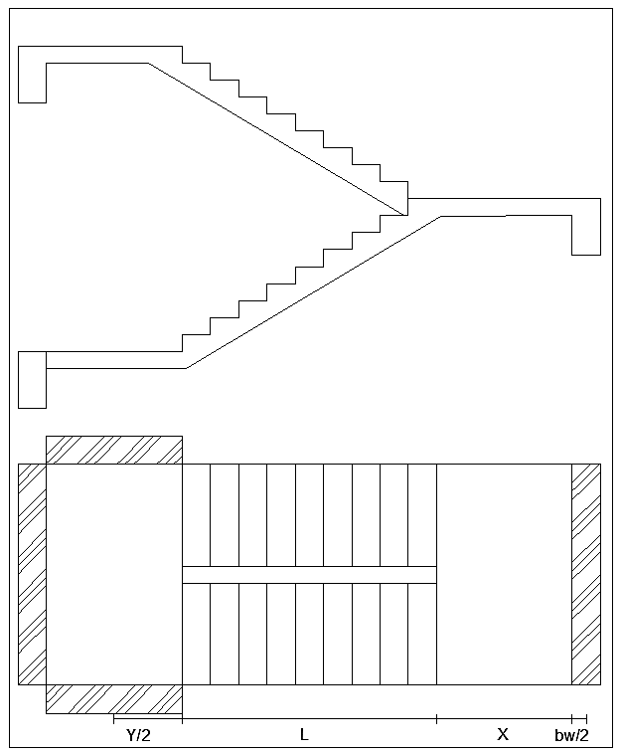
 |  |  |  | Main Data
 |  |  | f'c= | 3000 | psi
 |  |  | fy= | 72500 | psi
 | ExtraDL (SDL+FFL) |  |  | 50 | psf
 | Live Load ,L.L= |  |  | 60 | psf
 |  | (B & T) Width of Beam (bw)= |  | 10 | in
 |  | Width of Strainger Beam (bws)= |  | 10 | in
 | Starting Landing Length= |  |  | 8.6 | ft
 | End Landing Length= |  |  | 6.5 | ft
 | Trade= |  |  | 10 | in
 | Riser= |  |  | 6 | in
 | Nos of Trade= |  |  | 11
 | Nos of Riser= |  |  | 12
 | Clear Cover, CC= |  |  | 0.75 | in
 | Longitudinal/Main Rabar Dia= |  |  | 12 | mm
 | Transverse/Shear Rebar Dia= |  |  | 10 | mm
 |  |  | For Shear, φ = | 0.75
 |  |  | For Moment, φ = | 0.9
 |  |  | λ= | 1
 |  |  | β= | 0.85

Load Calculation
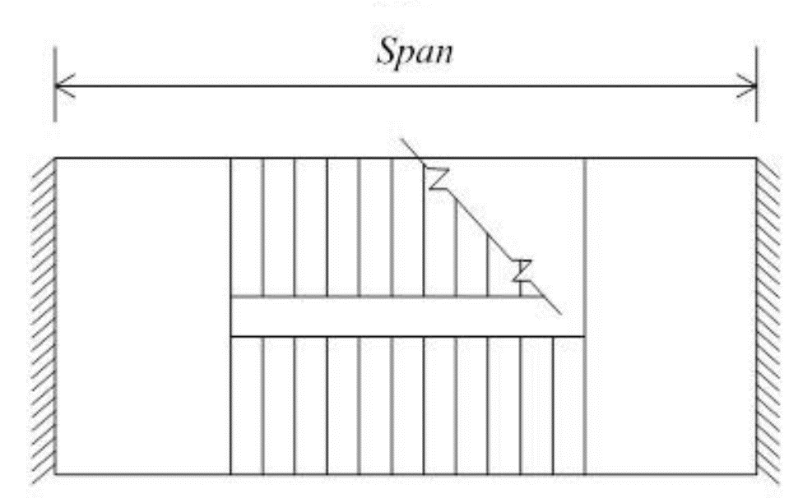

Horizontal Length of Stair Flight= |  | 9.17 | ft
Vertical height of Stair Flight= |  | 6.00 | ft
Angle, θ= |  | 33.206 | Deg | Provide
Cos θ= |  | 0.837 |  | Weist Slab Thickness, t
 | Inclined Length of Stair= | 10.96 | ft | 9.00 in
 | Effective Length of Stair= | 20.38 | ft
 | Weist Slab Thickness (Minimum)= | 10.40 | in | ACI 318-08 [Table-9.5(a)]
 | Effective Depth= | 7.62 | in

 | Load Calculation
 | Flight Load
 | Self Weight of Weist Slab= | 112.50 | lb/ft
 | Self Weight of Steps= | 31.38 | lb/ft
 | Totol DL= | 193.88 | lb/ft |  |  |  | 10.96 ft
 | Factored Load (Inclined), Wfi= | 328.65156826 | lb/ft |  |  |  |  |  |  | 6.00 ft
 | Factored Load (Horizontal), Wfh= | 392.79427804 | lb/ft
 | Landing Load
 | Factor Load, Wl= | 291 | lb/ft |  |  |  |  | 33.21 | deg

 | This Excel Sheet is Created By Engr Hedaetullah & NJ Disha
 | YT: School of Civil Engineering/ SOCE BD
 | Stay Connected and support Us.

 |  |  |  |  | 4.30 ft | 4.30 ft |  | 9.17 ft |  | 6.92 ft

Design Calculation
(φVc=φ2λ$\sqrt{f^{′}c}$ bd)
 | Shear Check for Provided Effective Depth,d |  |  |  |  | Main Reinforcement Calculation For Flight |  |  |  |  | a= | 4730625000
Maximum Shear, Vu= |  |  |  | 3624.2 | lb | Main reinforcement for Flight, As= |  |  | 0.451 | in^2 | b= | -30429260433
Allawable Shear, φVc= |  |  |  | 7512.6 | lb | Minimum reinforcement for Flight, As= |  |  | 0.207 | in^2 | c= | 12757271234
Thickness check= |  |  |  | OK | Allawable shear > Maximum Shear | Provided Reinforcement for Flight, As= |  |  | 0.451 | in^2 | X1= | 0.45084285562
 |  |  |  |  |  |  |  |  |  |  | X2= | 5.9815546464
 | Depth Check For Moment |  |  |  |  | Spacing Calculation
Mu= |  |  |  | 17371.0 | lb-ft | Spacing For Logn Bar, S= |  |  | 4.648 | in C/C
 |  |  | ρ= | 0.01631 |  | Maximum Spacing For Crack Control, Smax= |  |  | 10.539 | in C/C
 |  |  | ρmax= | 0.01223 |  | Provided Spacing, Sprovided)= |  |  | 4.500 | in C/C | a= | 4730625000
 |  |  | R= | 732.08 | psi |  |  |  |  |  | b= | -30429260433
 |  |  | dreq= | 5.13 | in | Shear (Transverse) Reinforcement Calculation for Flight |  |  |  |  | c= | 11348226691
 |  | Depth Check= |  | OK |  | Is Shear Reinforcement required? = |  |  | No | As, Vu<φVc/2 | X1= | 0.39750239928
 |  |  |  |  |  | Minimum Required= |  |  | 0.194 | in^2 | X2= | 6.0348951028
 |  |  |  |  |  | Spacing= |  |  | 7.50 | in C/C

 |  |  |  |  |  |  |  | This Excel Sheet is Created By Engr Hedaetullah & NJ Disha
 |  |  |  |  | Main Reinforcement Calculation For Landing |  |  | YT: School of Civil Engineering/ SOCE BD
 |  |  |  |  | Main reinforcement for Landing, As= | 0.398 | in^2 | Stay Connected and support Us.
 |  |  |  |  | Minimum reinforcement for Landing, As= | 0.207 | in^2
 |  |  |  |  | Provided Reinforcement for Landing, As= | 0.398 | in^2

 |  |  |  |  | Spacing Calculation
 |  |  |  |  | Spacing For Logn Bar, S= | 5.271 | in C/C
 |  |  |  |  | Maximum Spacing For Crack Control, Smax= | 10.539 | in C/C
 |  |  |  |  | Provided Spacing, Sprovided)= | 5.250 | in C/C

 |  |  |  |  | Shear (Transverse) Reinforcement Calculation for Flight
 |  |  |  |  | Is Shear Reinforcement required? = | No | As, Vu<φVc/2
 |  |  |  |  | Minimum Required= | 0.194 | in^2
 |  |  |  |  | Spacing= | 7.50 | in C/C

