Video & Instruction


 | qLearnify is an educational platform dedicated to the professional development of engineers and architects.

 |  | Website: | https://qlearnify.com/
 |  | Facebook: | https://www.facebook.com/qlearnify
 |  | Youtube (Bangla): | https://www.youtube.com/@qlearnify-bn
 |  | Youtube (English): | https://www.youtube.com/@qlearnify-en
 |  | WhatsApp: | https://wa.me/8801511250108
 |  | LinkedIn: | https://www.linkedin.com/company/qlearnify/

 | Note: This Excel sheet has been created for educational purposes; please validate it according to your own standards before using it for professional work.

Video Tutorial

Bangla: | https://youtube.com/playlist?list=PLxle8F-wJI7P43K0GljphED4I5TRXu6Zx&si=el-Lrxm5mB1Vmgcf

English: | https://youtube.com/playlist?list=PLTscI_CLWNfB_1x6_7zylwLZWo7mKypCq&si=QzFh_rJa61GU0YNW

Input Data
 |  |  |  |  | This Excel Sheet is Created By Engr Hedaetullah & NJ Disha
Materials Properties: |  |  |  |  | YT: School of Civil Engineering/ SOCE BD
 |  |  | Main Data |  | Stay Connected and support Us.
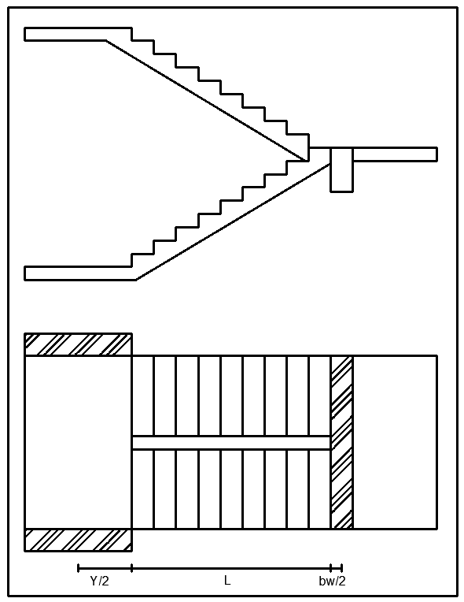
 |  | f'c= | 2800 | psi
 |  | fy= | 60000 | psi
ExtraDL (SDL+FFL) |  |  | 57 | psf
Live Load ,L.L= |  |  | 40 | psf
 | (B & T) Width of Beam (bw)= |  | 10 | in
 | Width of Strainger Beam (bws)= |  | 10 | in
Starting Landing Length= |  |  | 3.1 | ft
End Landing Length= |  |  | 3.91 | ft
Trade= |  |  | 10 | in
Riser= |  |  | 5.454 | in
Nos of Trade= |  |  | 10
Nos of Riser= |  |  | 11
Clear Cover, CC= |  |  | 0.75 | in
Longitudinal/Main Rabar Dia= |  |  | 12 | mm
Transverse/Shear Rebar Dia= |  |  | 10 | mm
 |  | For Shear, φ = | 0.75
 |  | For Moment, φ = | 0.9
 |  | λ= | 1
 |  | β= | 0.85

Design Calculation
(φVc=φ2λ$\sqrt{f^{′}c}$ bd)
 | Shear Check for Provided Effective Depth,d |  |  |  |  | Main Reinforcement Calculation For Flight |  |  |  |  | a= | 3240000000
Maximum Shear, Vu= |  |  |  | 1594.6 | lb | Main reinforcement for Flight, As= |  |  | 0.172 | in^2 | b= | -12708300472
Allawable Shear, φVc= |  |  |  | 3924.3 | lb | Minimum reinforcement for Flight, As= |  |  | 0.131 | in^2 | c= | 2090618991.6
Thickness check= |  |  |  | OK | Allawable shear > Maximum Shear | Provided Reinforcement for Flight, As= |  |  | 0.172 | in^2 | X1= | 0.17205550239
 |  |  |  |  |  |  |  |  |  |  | X2= | 3.7502594582
 | Depth Check For Moment |  |  |  |  | Spacing Calculation
Mu= |  |  |  | 3050.0 | lb-ft | Spacing For Logn Bar, S= |  |  | 12.178 | in C/C
 |  |  | ρ= | 0.01995 |  | Maximum Spacing For Crack Control, Smax= |  |  | 13.125 | in C/C
 |  |  | ρmax= | 0.01497 |  | Provided Spacing, Sprovided)= |  |  | 12.000 | in C/C | a= | 3240000000
 |  |  | R= | 728.06 | psi |  |  |  |  |  | b= | -12708300472
 |  |  | dreq= | 2.16 | in | Shear (Transverse) Reinforcement Calculation for Flight |  |  |  |  | c= | 1015831132.3
 |  | Depth Check= |  | OK |  | Is Shear Reinforcement required? = |  |  | No | As, Vu<φVc/2 | X1= | 0.081633462023
 |  |  |  |  |  | Minimum Required= |  |  | 0.119 | in^2 | X2= | 3.8406814986
 |  |  |  |  |  | Spacing= |  |  | 12.25 | in C/C

 |  |  |  |  |  |  |  | This Excel Sheet is Created By Engr Hedaetullah & NJ Disha
 |  |  |  |  | Main Reinforcement Calculation For Landing |  |  | YT: School of Civil Engineering/ SOCE BD
 |  |  |  |  | Main reinforcement for Landing, As= | 0.082 | in^2 | Stay Connected and support Us.
 |  |  |  |  | Minimum reinforcement for Landing, As= | 0.131 | in^2
 |  |  |  |  | Provided Reinforcement for Landing, As= | 0.131 | in^2

 |  |  |  |  | Spacing Calculation
 |  |  |  |  | Spacing For Logn Bar, S= | 25.668 | in C/C
 |  |  |  |  | Maximum Spacing For Crack Control, Smax= | 13.125 | in C/C
 |  |  |  |  | Provided Spacing, Sprovided)= | 13.000 | in C/C

 |  |  |  |  | Shear (Transverse) Reinforcement Calculation for Flight
 |  |  |  |  | Is Shear Reinforcement required? = | No | As, Vu<φVc/2
 |  |  |  |  | Minimum Required= | 0.119 | in^2
 |  |  |  |  | Spacing= | 12.25 | in C/C

