Video & Instruction


 | qLearnify is an educational platform dedicated to the professional development of engineers and architects.

 |  | Website: | https://qlearnify.com/
 |  | Facebook: | https://www.facebook.com/qlearnify
 |  | Youtube (Bangla): | https://www.youtube.com/@qlearnify-bn
 |  | Youtube (English): | https://www.youtube.com/@qlearnify-en
 |  | WhatsApp: | https://wa.me/8801511250108
 |  | LinkedIn: | https://www.linkedin.com/company/qlearnify/

 | Note: This Excel sheet has been created for educational purposes; please validate it according to your own standards before using it for professional work.

Video Tutorial

Bangla: | https://youtube.com/playlist?list=PLxle8F-wJI7P43K0GljphED4I5TRXu6Zx&si=el-Lrxm5mB1Vmgcf

English: | https://youtube.com/playlist?list=PLTscI_CLWNfB_1x6_7zylwLZWo7mKypCq&si=QzFh_rJa61GU0YNW

Shear Wall Rebar Calculation
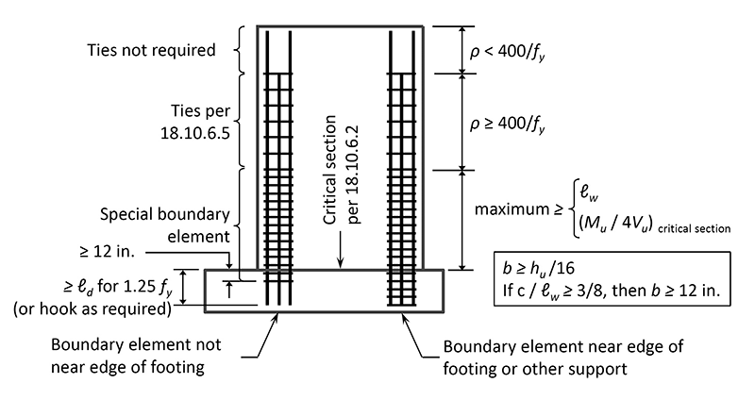
This Excel Sheet is Created By Engr Hedaetullah & NJ Disha
qLearnify
Stay Connected and support Us.

 | Select Unit= |  | FPS
 | Height of Wall, H= |  | 10 | ft |  |  |  |  |  |  |  |  | Height of Wall, H= | 3.0487804878 | m
 | Length of wall, L= |  | 15.833 | ft |  |  |  |  |  |  |  |  | Length of wall, L= | 4.8271341463 | m
 | Thickness of Wall, t= |  | 8 | in |  |  |  |  |  |  |  |  | Thickness of Wall, t= | 203.2 | mm
 |  |  |  |  |  |  |  |  |  |  |  |  |  | MKS
Vertical Reinforcement Calculation |  |  |  |  | Horizontal Reinforcement Calculation |  |  |  |  |  |  |  |  | FPS
Total Vertical (Main) Rebar Area, Av= |  |  | 3.82 | in^2 | Total Horixontal Rebar Area, Ah= |  |  | 0.34 | in^2/ft |  |  |  | @ 10 mm C/C | 8
Dia of Used Vertical (Main) Rebar, Dv= |  |  | Փ 12 | mm | Dia of Used Horixontal Rebar, Dh= |  |  | Փ 10 | mm |  |  |  | @ 10 in C/C | 10
Min. Required Rebar Ratio, ρ= |  |  | 0.0025 |  | Min. Required Rebar Ratio, ρ= |  |  | 0.0025 |  |  |  |  | @ 8 mm C/C | 12
Provided Spacing, S= |  |  | 10 | in | Provided Spacing, S= |  |  | 8 | in |  |  |  | @ 8 in C/C | 14
Required Spacing, Sr= |  |  | 17.44 | in | Required Spacing, Sr= |  |  | 8.59 | in |  |  |  |  | 16
Provided Rebar Ratio, ρ = |  |  | 0.00438 | OK | Provided Rebar Ratio, ρ = |  |  | 0.00380 | OK |  |  |  |  | 20
Maximum Spacing= | 24.00 | 18.00 | 63.35 | in | Maximum Spacing= | 24.00 | 18.00 | 38.01 | in |  |  |  |  | 22
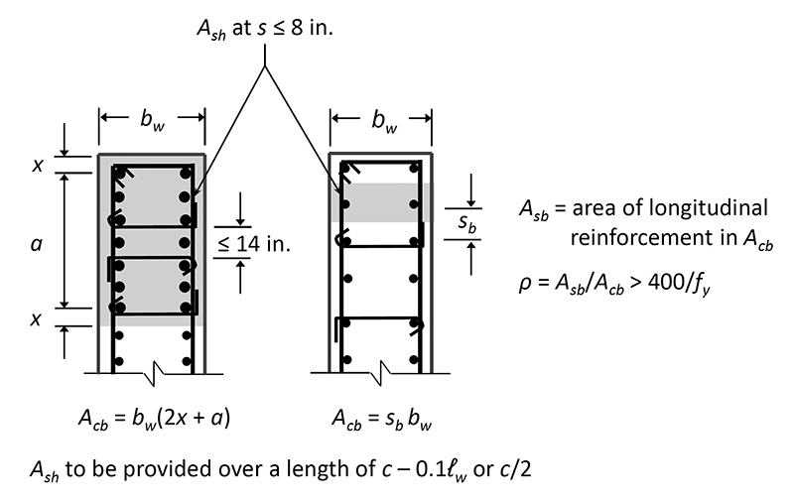
Allowable Max. Spacing= |  |  | 18.00 | in | Allowable Max. Spacing= |  |  | 18.00 | in |  |  |  |  | 25
 |  |  |  |  |  |  |  |  |  |  |  |  |  | 28
 |  |  |  |  |  |  |  |  |  | φ 12 mm | @10.00 | in C/C |  | 32
 |  |  |  |  |  |  |  |  |  |  |  |  |  | 40
 |  |  |  |  |  |  |  |  |  | φ 10 mm | @8.00 | in C/C

 | ≤14 in

