Video & Instruction


 | qLearnify is an educational platform dedicated to the professional development of engineers and architects.

 |  | Website: | https://qlearnify.com/
 |  | Facebook: | https://www.facebook.com/qlearnify
 |  | Youtube (Bangla): | https://www.youtube.com/@qlearnify-bn
 |  | Youtube (English): | https://www.youtube.com/@qlearnify-en
 |  | WhatsApp: | https://wa.me/8801511250108
 |  | LinkedIn: | https://www.linkedin.com/company/qlearnify/

 | Note: This Excel sheet has been created for educational purposes; please validate it according to your own standards before using it for professional work.

Video Tutorial

Bangla: | https://youtube.com/playlist?list=PLxle8F-wJI7P43K0GljphED4I5TRXu6Zx&si=el-Lrxm5mB1Vmgcf

English: | https://youtube.com/playlist?list=PLTscI_CLWNfB_1x6_7zylwLZWo7mKypCq&si=QzFh_rJa61GU0YNW

LL & DL (Recomb.)
DEVELOPMENT AND SPLICES OF REINFORCEMENT ACCORDING ACI318M-08, CHAPTER 12
a- Tension Development Length Calculations According ACI 12.2:
 | fy | 413.89 | N/mm2 |  |  |  |  |  |  | This is the poperties of CETA BD
 | fc' | 24 | N/mm2
 | ψt | 1.3 | For Top bars (Min. 300mm concrete Cast below), ACI 12.2.4
 |  | 1.0 | For others, ACI 12.2.4
 | ψe | 1.0 | For uncoated and zinc-coated (galvanized) reinforcement,, ACI 12.2.4
 | λ | 1.0 | For normalweight concrete
 | Ld for Bars dia <= 20 mm :
 | Ld= |  |  | ACI 12.2.2
 | = | 52.3 d | For Top bars (Min. 300mm concrete Cast below), ACI 12.2.4
 | = | 40.2 d | For others, ACI 12.2.4
 | Ld for Bars dia > 20 mm :
 | Ld= |  |  | ACI 12.2.2
 | = | 64.6 d | For Top bars (Min. 300mm concrete Cast below), ACI 12.2.4
 | = | 49.7 d | For others, ACI 12.2.4
b- Compression Development Length Calculations According ACI 12.3:

 | Ldc = max of |  |  | = 20.3 d | ACI 12.3.2

 |  |  |  | = 17.8 d | ACI 12.3.2
 | = | 20.3 d | and not less than 200 mm, ACI 12.3.1
c- Tension Development of standard hooks length Calculations According ACI 12.5:

 | Ldh = |  |  | = 20.3 d | ACI 12.5.2
 |  | and shall not be less than the larger of 8db and 150 mm, ACI 12.5.1
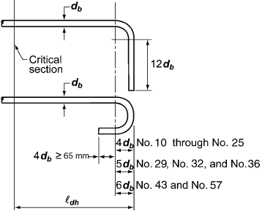

d- Tension Splice Length Calculations According ACI 12.15:
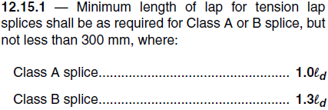
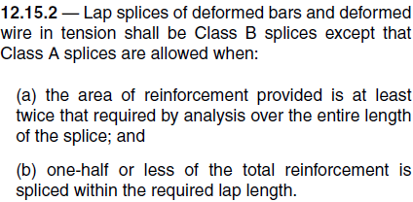

e- Comperssion Splice Length Calculations According ACI 12.16:
For fy <= 420 MPa= |  |  | = 29.4 d | ACI 12.16.1
For fy > 420 MPa= |  |  | = 0.0 d | ACI 12.16.1

MINIMUM DEVELOPMENT AND SPLICE LENGTHS (mm)
Bar Size d (mm) | TENSION |  |  |  |  |  |  | COMPRESSION
 | Ld | Hook Ldh | Class A Splice = Ld | Class B Splice = 1.3Ld | Top bars (Min. 300mm concrete Cast below) |  |  | Ldc | SPLICE
 |  |  |  |  | Ld | Class A Splice= Ld | Class B Splice= 1.3Ld
10 | 402 | 203 | 402 | 523 | 523 | 523 | 680 | 203 | 294
12 | 483 | 243 | 483 | 628 | 628 | 628 | 816 | 243 | 353
14 | 563 | 284 | 563 | 732 | 732 | 732 | 952 | 284 | 411
16 | 644 | 324 | 644 | 837 | 837 | 837 | 1088 | 324 | 470
18 | 724 | 365 | 724 | 941 | 941 | 941 | 1224 | 365 | 529
20 | 805 | 406 | 805 | 1046 | 1046 | 1046 | 1360 | 406 | 588
25 | 1242 | 507 | 1242 | 1615 | 1615 | 1615 | 2100 | 507 | 735
28 | 1392 | 568 | 1392 | 1809 | 1809 | 1809 | 2352 | 568 | 823
32 | 1590 | 649 | 1590 | 2067 | 2067 | 2067 | 2688 | 649 | 940

