Video & Instruction


 | qLearnify is an educational platform dedicated to the professional development of engineers and architects.

 |  | Website: | https://qlearnify.com/
 |  | Facebook: | https://www.facebook.com/qlearnify
 |  | Youtube (Bangla): | https://www.youtube.com/@qlearnify-bn
 |  | Youtube (English): | https://www.youtube.com/@qlearnify-en
 |  | WhatsApp: | https://wa.me/8801511250108
 |  | LinkedIn: | https://www.linkedin.com/company/qlearnify/

 | Note: This Excel sheet has been created for educational purposes; please validate it according to your own standards before using it for professional work.

Video Tutorial

Bangla: | https://youtube.com/playlist?list=PLxle8F-wJI7P43K0GljphED4I5TRXu6Zx&si=el-Lrxm5mB1Vmgcf

English: | https://youtube.com/playlist?list=PLTscI_CLWNfB_1x6_7zylwLZWo7mKypCq&si=QzFh_rJa61GU0YNW

Data Sheet
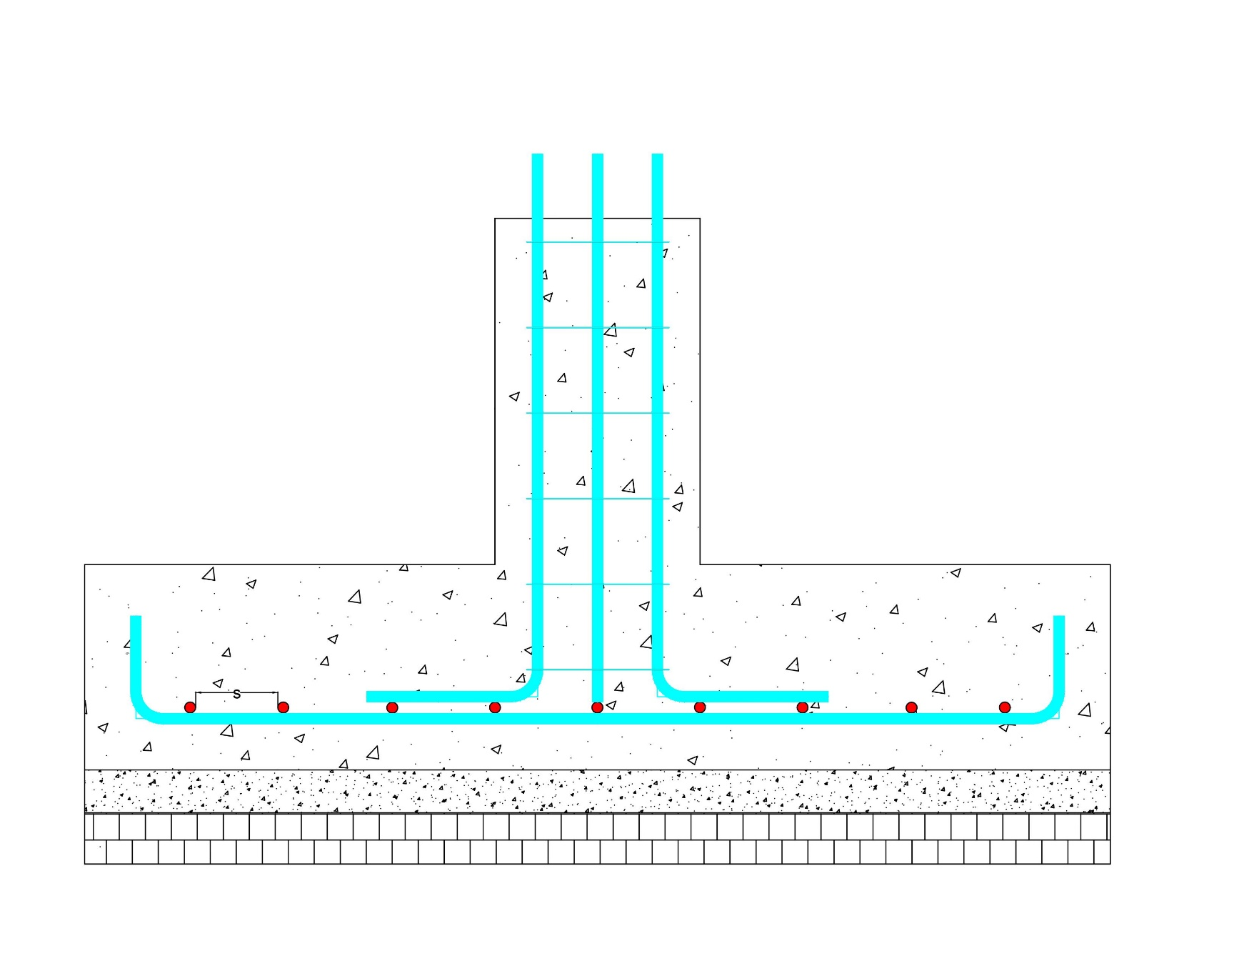

Calculation
Calculate Nos of Rebar
 | 25 |  |  | GROUND LEVEL

Estimating
 |  |  |  |  | 3 | ft

 |  |  |  |  |  | Φ

 |  |  |  |  | Reinforcement |  |  |  |  | Do you have Top Rebar? |  |  | Yes |  | Yes
 |  |  |  |  | (Short) B - 15 Nos | 12 mm Φ |  |  |  | (long) L - Rebar |  | 12 Nos | 16 mm Φ |  | No
 |  |  |  |  | (long) L - 10 Nos | 16 mm Φ |  |  |  | (Short) B - Rebar |  | 15 Nos | 20 mm Φ

 |  |  |  |  |  |  | Ratio |  |  |  | Aggrigate Types= |  | Brick | Stone
 |  |  |  |  |  |  | C | S | K/S |  |  |  |  | Brick
 |  |  |  |  | 12 | in RCC | 1.0 : | 1.5: | 3.0
 |  |  |  |  | 3 | in CS | 1.0 : | 3.0: | 6.0
 |  |  |  |  | 3 | in BS | 1.0 : | 5.0

 |  |  | L
Length, L= |  | 6 | ft
Width, B= |  | 4 | ft
Side soil Cutting= |  | 12 | in
Side Clear Cover= |  | 3 | in

Calculation
 |  |  |  |  |  |  |  |  |  |  |  |  | 1.5

Total Shuttering Work= | 25.00 | sq.ft |  |  |  |  |  | Concrete Work |  |  |  |  | CC Work |  |  |  | Brick Work
Total Earthwork Volume= | 157.50 | cft | Yes |  |  |  |  |  | Cement | Sand | Khoa/Stone |  |  | Cement | Sand | Khoa/Stone |  |  | Cement | Sand
Total Footing Concrete Volume= | 24.00 | cft |  |  |  |  |  | Requred Ratio of Morter= | 1 | 1.5 | 3 |  | Requred Ratio of Morter= | 1 | 3 | 6 | Enter the ratio of Morter Have to use = |  | 1 | 5
Total Footing CC Soling Volume= | 6.00 | cft |  |  |  |  |  |  |  |  |  |  |  |  |  |  | Enter The total volume of Brick Work = |  | 6.00 | cft
Total Footing Brick Soling Volume= | 6.00 | cft |  |  |  |  | Enter The Total wet Volume Of RCC= |  | 24.00 | cft | 36 | Enter The Total wet Volume Of RCC= |  | 6.00 | cft | 9
Top Reinforcement (L Direction)= | 77.34 | ft | 16 | mm Bar | 37.15 | kg |  |  |  |  |  |  |  |  |  |  |  | Total Bricks Need= | 72 | Nos
Top Reinforcement (B Direction)= | 70.22 | ft | 20 | mm Bar | 52.70 | kg |  | Requirment Of Cement= | 5.2 | Bags |  |  | Requirment Of Cement= | 0.7 | Bags |  |  | Requirment Of Cement = | 0.28 | Bags
Bottom Reinforcement (L Direction)= | 64.45 | ft | 12 | mm Bar | 17.41 | kg |  | Requirment Of Sand= | 9.8 | cft |  |  | Requirment Of Sand= | 2.7 | cft |  |  | Requirment Of Sand = | 1.7 | cft
Bottom Reinforcement (B Direction)= | 63.13 | ft | 16 | mm Bar | 30.32 | kg |  | Requriment Of Khoa= | 19.6 | cft |  |  | Requriment Of Khoa= | 5.4 | cft

Data Sheet
Estimating

Estimating
Inovative Engineering & Construction Consaltant |  |  |  |  |  | Brick
Project: | Proposed B+G+4 Storey Building.
Location: | Matidhali, Bogura Sadar, Bagura.
Estimator: | Engr Hedaetullah
Desinger: | Engr Hedaetullah
Contract Us: | 8801763603339
Total Foundation Cost
Data Sheet
Calculation
Sr. No. | Material List |  | Quantity | Aprx. Prices | Toral
1 | Cement |  | 6 Bags | 500 TK | 3118 TK
2 | Sand (Coarse) |  | 13 cft | 35 TK | 438 TK
3 | Sand (Local) |  | 2 cft | 15 TK | 26 TK
5 | Stone chips |  | 0 cft | 171 TK | 0 TK
6 | Brick chips |  | 25 cft | 90 TK | 2253 TK
7 | Used Steel Bar | 16 mm | 0.03715 Tons | 96000 TK | 3566 TK
8 |  | 20 mm | 0.05270 Tons | 96000 TK | 5059 TK
 |  | 12 mm | 0.01741 Tons | 96000 TK | 1672 TK
9 |  | 16 mm | 0.03032 Tons | 96000 TK | 2911 TK
10 | Bricks | 72 Nos |  | 10 TK | 720 TK
 | Shuttering Work |  | 25 Sq.ft | 15 TK | 375 TK
11 | Earthwork |  | 158 cft | 5 TK | 788 TK
 |  |  |  | Total cost | 20925 TK

Calculate Nos of Bar
L/B= | 4 | ft | Nos of bar= | 9.27
CC= | 3 | in
Dia of bar= | 16 | mm
Data Sheet
Spacing of bar= | 5 | in

