bus_matrix
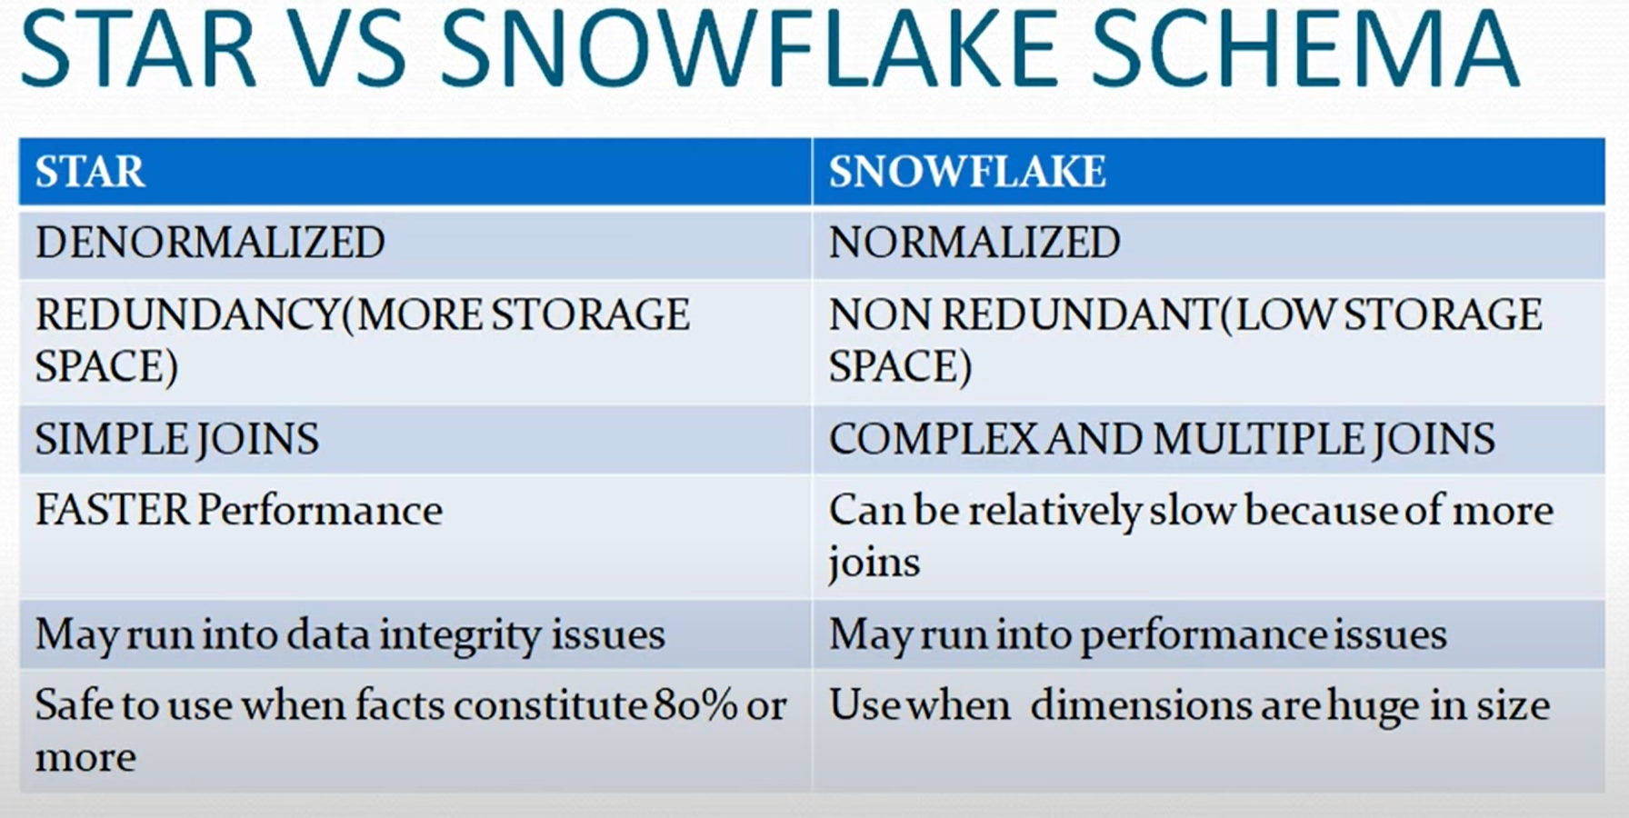
 |  | Common Dimensions
Business Process | dispatch_base | hvfhs_licenses | taxi+_zone_lookup | sharedride_flag | RatecodeID | payment_type | vendors | time_dim
Dispatching Green Taxis
fhv_tripdata | x |  | x | x |  |  |  | x
fhvhv_tripdata | x | x | x | x |  |  |  | x
green_tripdata |  |  | x |  | x | x | x | x
yellow_tripdata |  |  | x |  | x | x | x | x

Quick Rule of thumb!

physical_diagram
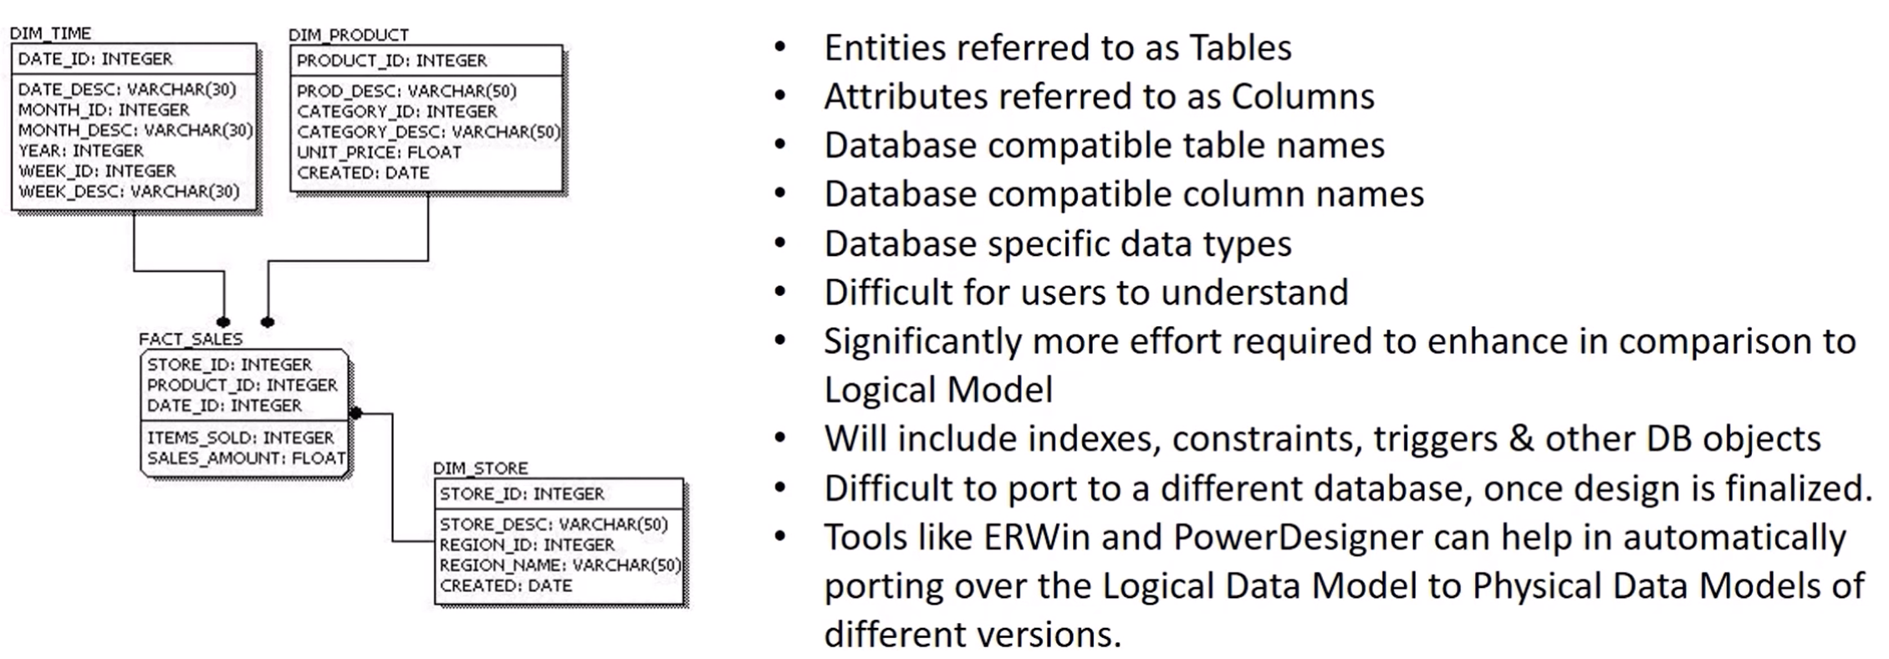
ERWin
PowerDesigner

