functional_diagram


physical_diagram
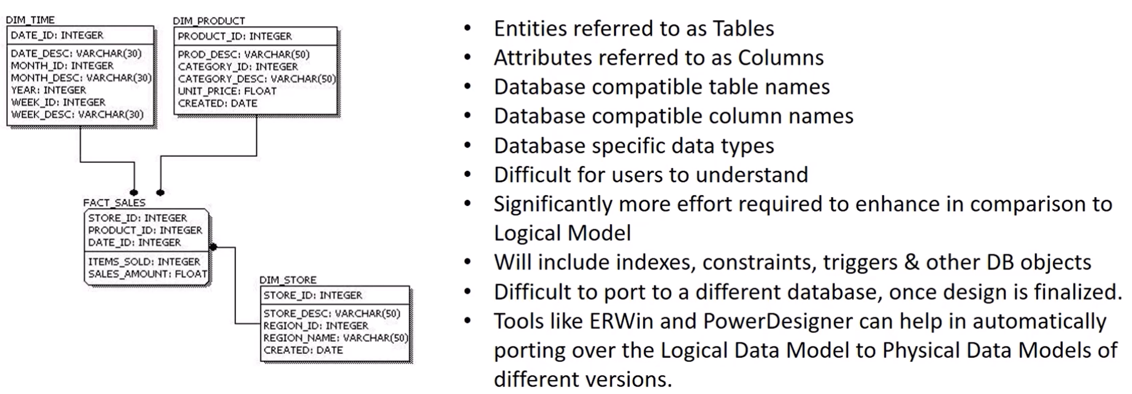
ERWin
PowerDesigner

