physical_diagram
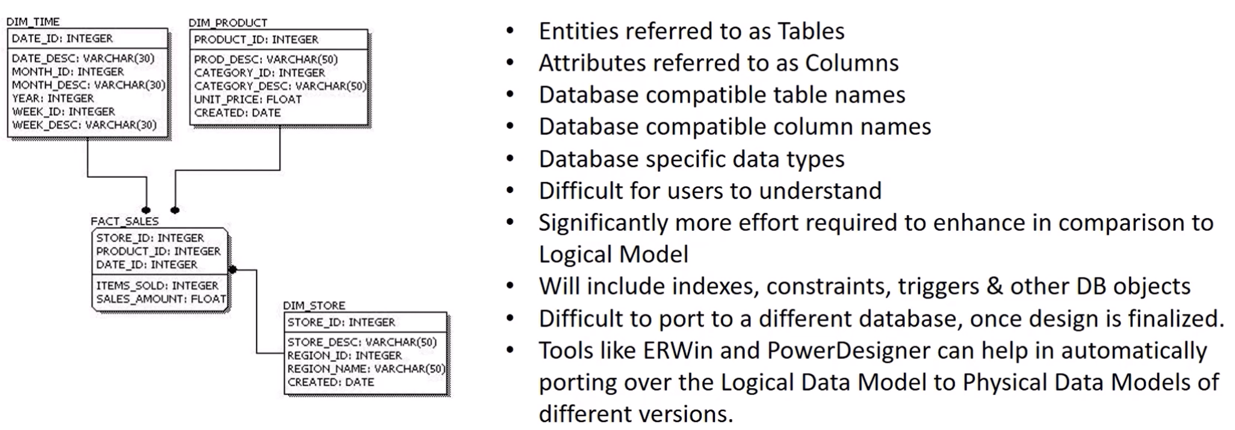
ERWin
PowerDesigner

